1 - Endometriosis
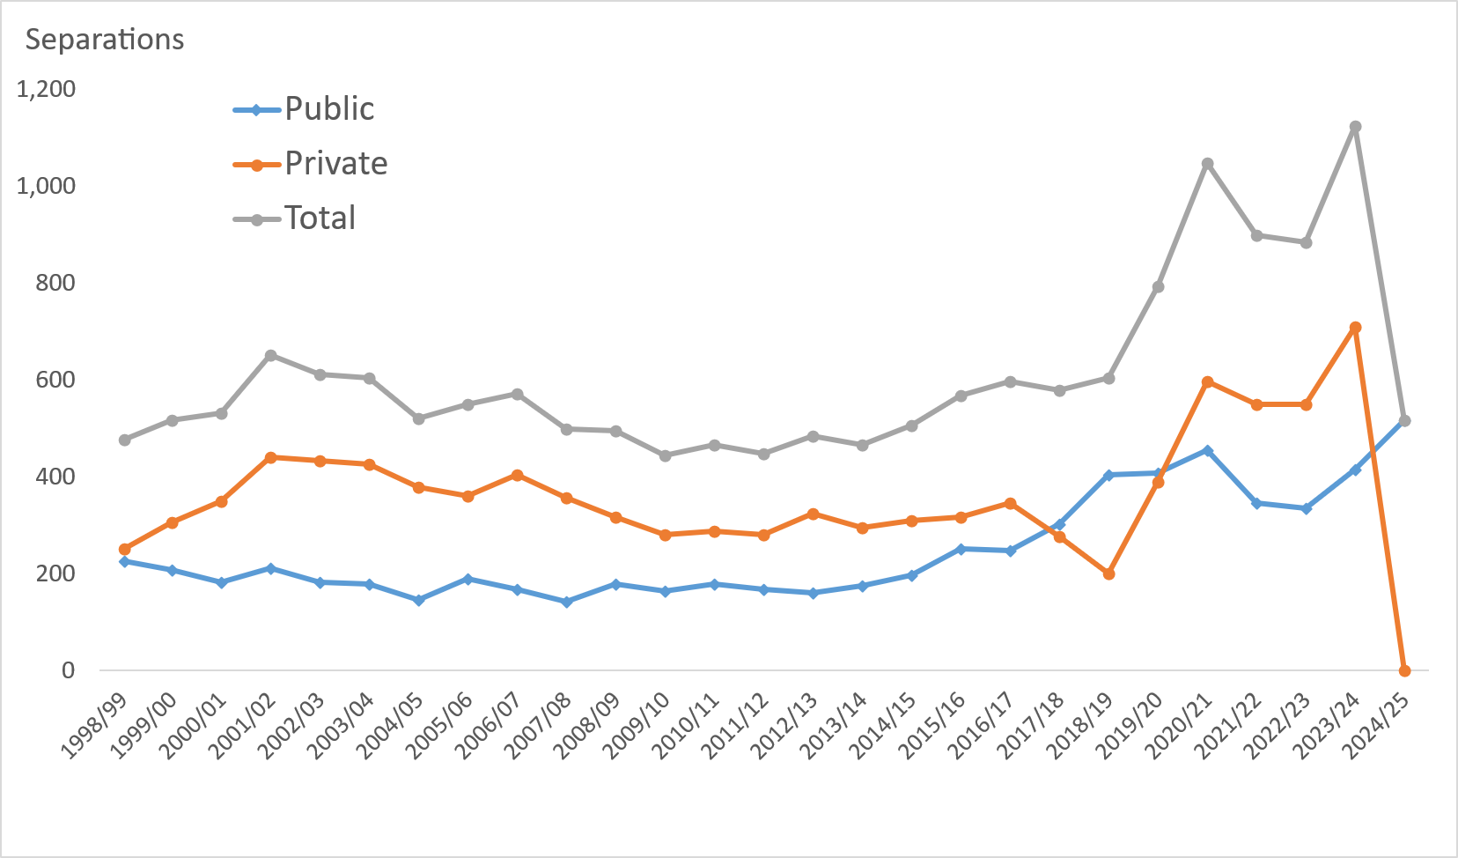
Comment The majority of hospital separations with a diagnosis of endometriosis in ACT hospitals occurred in private establishments (Figure 1).
Only limited private hospital data was available In 2017/18 and 1018/19.
No private hospital data was available in 2024/25.
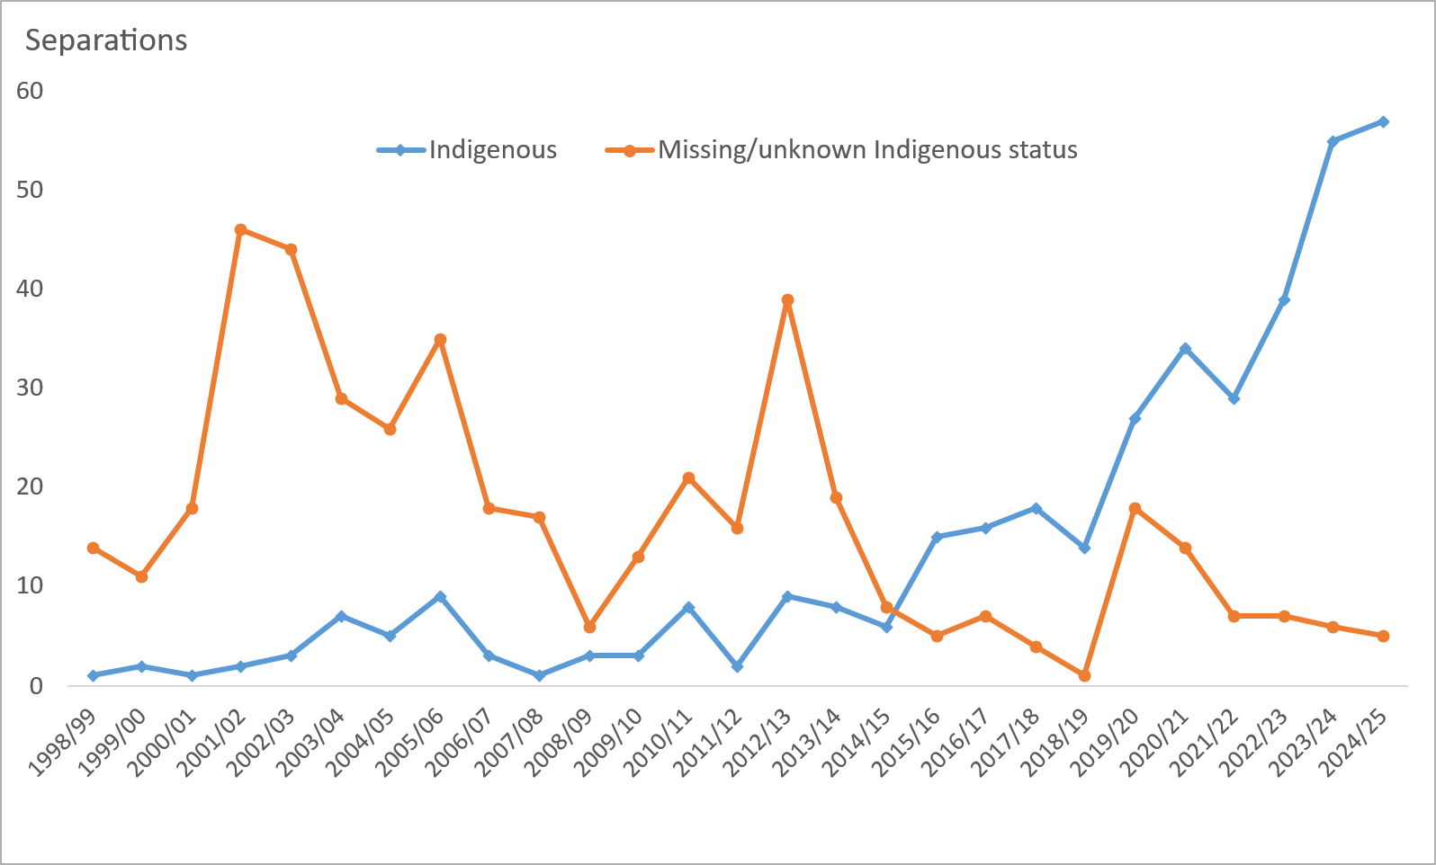
Table 1: Endometriosis (N80 - principal or additional diagnosis), includes public and private hospitals
 | Separations with a procedure code |  |  |  | Indigenous status |  |  | Figure 1: Separations with a principal or additional diagnosis of endometriosis (N80) by establishment type (public/private), 1998/99 to 2024/25 |  |  |  |  | Figure 3: Separations with a principal or additional diagnosis of endometriosis (N80) by Indigenous status (public/private hospitals), 1998/99 to 2024/25
 | No procedure coded | Procedure present | Total | Per cent with no procedure code | Indigenous | non-Indigenous | Missing/unknown Indigenous status
 | (All Public and private hospitals)
1998/99 | 6 | 469 | 475 | 1.3 | <5 | 460 | 14
1999/00 | <5 | 512 | 516 | 0.8 | <5 | 503 | 11
2000/01 | 7 | 525 | 532 | 1.3 | <5 | 513 | 18
2001/02 | 12 | 638 | 650 | 1.8 | <5 | 602 | 46
2002/03 | 15 | 598 | 613 | 2.4 | <5 | 566 | 44
2003/04 | 7 | 598 | 605 | 1.2 | 7 | 569 | 29
2004/05 | 7 | 515 | 522 | 1.3 | 5 | 491 | 26
2005/06 | 7 | 541 | 548 | 1.3 | 9 | 504 | 35
2006/07 | 16 | 555 | 571 | 2.8 | <5 | 550 | 18
2007/08 | 11 | 488 | 499 | 2.2 | <5 | 481 | 17
2008/09 | 27 | 467 | 494 | 5.5 | <5 | 485 | 6
2009/10 | 16 | 427 | 443 | 3.6 | <5 | 427 | 13
2010/11 | 24 | 442 | 466 | 5.2 | 8 | 437 | 21
2011/12 | 24 | 424 | 448 | 5.4 | <5 | 430 | 16
2012/13 | 33 | 452 | 485 | 6.8 | 9 | 437 | 39
2013/14 | 28 | 438 | 466 | 6.0 | 8 | 439 | 19
2014/15 | 50 | 457 | 507 | 9.9 | 6 | 493 | 8
2015/16 | 71 | 495 | 566 | 12.5 | 15 | 546 | 5
2016/17 | 77 | 518 | 595 | 12.9 | 16 | 572 | 7
2017/18 | 92 | 486 | 578 | 15.9 | 18 | 556 | <5
2018/19 | 132 | 472 | 604 | 21.9 | 14 | 589 | <5
2019/20 | 147 | 647 | 794 | 18.5 | 27 | 749 | 18
2020/21 | 151 | 898 | 1,049 | 14.4 | 34 | 1,001 | 14
2021/22 | 79 | 818 | 897 | 8.8 | 29 | 861 | 7
2022/23 | 116 | 768 | 884 | 13.1 | 39 | 838 | 7
2023/24 | 116 | 1,007 | 1,123 | 10.3 | 55 | 1,062 | 6
2024/25 | 168 | 350 | 518 | 32.4 | 57 | 456 | 5
 | (Public Hospitals)
1998/99 | 5 | 219 | 224 | 2.2 | 0 | 224 | 0
1999/00 | <5 | 207 | 209 | 1.0 | <5 | 196 | 11
2000/01 | 6 | 177 | 183 | 3.3 | <5 | 168 | 14
2001/02 | 9 | 202 | 211 | 4.3 | <5 | 186 | 23
2002/03 | 10 | 171 | 181 | 5.5 | <5 | 161 | 19
Comment Figure 3 presents the number of endometriosis separations flagged as Indigenous across public and private hospitals.
The number of records that do not contain a valid Indigenous identifier is also included to aid interpretation.
2003/04 | 6 | 173 | 179 | 3.4 | 5 | 155 | 19
2004/05 | 7 | 138 | 145 | 4.8 | <5 | 142 | <5
2005/06 | 6 | 182 | 188 | 3.2 | 6 | 181 | <5 | Figure 2: Percent of endometriosis separations (N80 - principal and additional diagnosis) that do not include a procedure code by establishment type (public/private), 1998/99 to 2024/25
2006/07 | 14 | 153 | 167 | 8.4 | <5 | 166 | 0
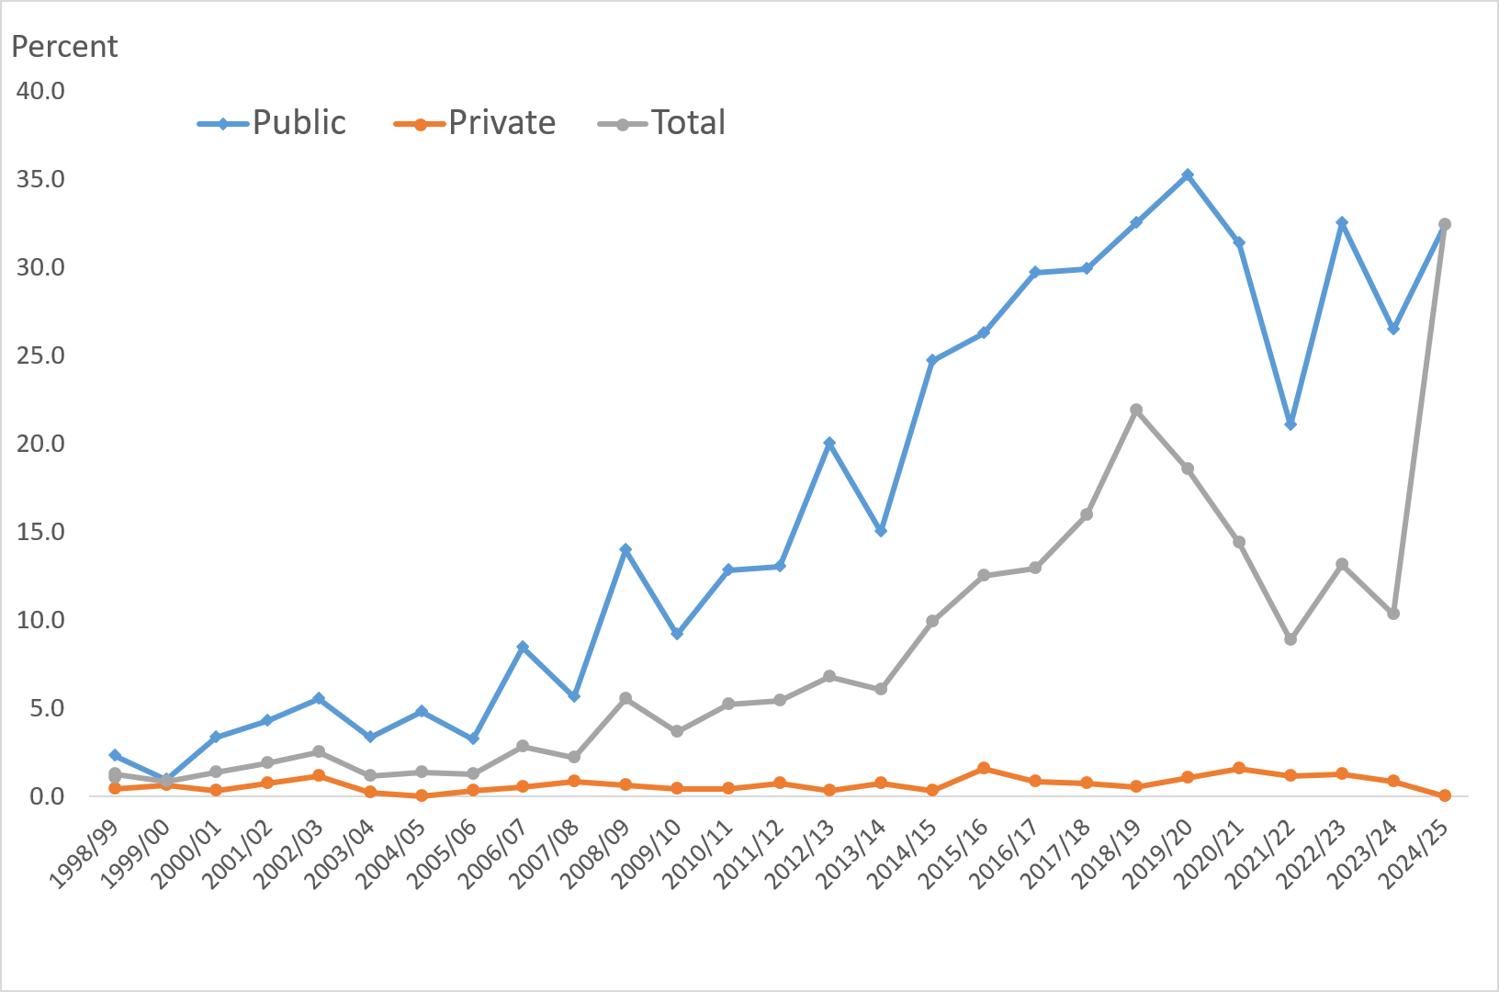
2007/08 | 8 | 134 | 142 | 5.6 | <5 | 141 | 0
2008/09 | 25 | 154 | 179 | 14.0 | <5 | 176 | <5
2009/10 | 15 | 149 | 164 | 9.1 | <5 | 157 | <5
Comment
The proportion of endometriosis separations that do not include any procedure codes is low in the private sector.
The proportion of endometriosis separations that do not include a procedure code has increased in the public sector from less than 5% at the beginning of the century, to around 35% in the mid 2020s.
2010/11 | 23 | 156 | 179 | 12.8 | 7 | 171 | <5
2011/12 | 22 | 147 | 169 | 13.0 | <5 | 163 | 5
2012/13 | 32 | 128 | 160 | 20.0 | 6 | 149 | 5
2013/14 | 26 | 147 | 173 | 15.0 | 7 | 161 | 5
2014/15 | 49 | 149 | 198 | 24.7 | 5 | 193 | 0
2015/16 | 66 | 185 | 251 | 26.3 | 12 | 238 | <5
2016/17 | 74 | 175 | 249 | 29.7 | 11 | 236 | <5
2017/18 | 90 | 211 | 301 | 29.9 | 13 | 288 | 0
2018/19 | 131 | 272 | 403 | 32.5 | 13 | 389 | <5
2019/20 | 143 | 263 | 406 | 35.2 | 25 | 379 | <5
2020/21 | 142 | 311 | 453 | 31.3 | 27 | 426 | 0
2021/22 | 73 | 273 | 346 | 21.1 | 17 | 328 | <5
2022/23 | 109 | 226 | 335 | 32.5 | 27 | 305 | <5
2023/24 | 110 | 305 | 415 | 26.5 | 37 | 377 | <5
2024/25 | 168 | 350 | 518 | 32.4 | 57 | 456 | 5
 | (Private hospitals)
1998/99 | <5 | 250 | 251 | 0.4 | <5 | 236 | 14
1999/00 | <5 | 305 | 307 | 0.7 | 0 | 307 | 0
2000/01 | <5 | 348 | 349 | 0.3 | 0 | 345 | <5
2001/02 | <5 | 436 | 439 | 0.7 | 0 | 416 | 23
2002/03 | 5 | 427 | 432 | 1.2 | <5 | 405 | 25
2003/04 | <5 | 425 | 426 | 0.2 | <5 | 414 | 10
2004/05 | 0 | 377 | 377 | 0.0 | <5 | 349 | 25
2005/06 | <5 | 359 | 360 | 0.3 | <5 | 323 | 34
2006/07 | <5 | 402 | 404 | 0.5 | <5 | 384 | 18
2007/08 | <5 | 354 | 357 | 0.8 | 0 | 340 | 17
2008/09 | <5 | 313 | 315 | 0.6 | <5 | 309 | 5 |  | 2019/20 | 35.2 | 1.0 | 18.5
2009/10 | <5 | 278 | 279 | 0.4 | 0 | 270 | 9 |  | 2020/21 | 31.3 | 1.5 | 14.4
2010/11 | <5 | 286 | 287 | 0.3 | <5 | 266 | 20 |  | 2021/22 | 21.1 | 1.1 | 8.8
2011/12 | <5 | 277 | 279 | 0.7 | <5 | 267 | 11 |  | 2022/23 | 32.5 | 1.3 | 13.1
2012/13 | <5 | 324 | 325 | 0.3 | <5 | 288 | 34 |  | 2023/24 | 26.5 | 0.8 | 10.3
2013/14 | <5 | 291 | 293 | 0.7 | <5 | 278 | 14 |  | 2024/25(a) | 32.4 | 0.0 | 32.4
2014/15 | <5 | 308 | 309 | 0.3 | <5 | 300 | 8 |  | 2025/26(a) | #REF! | #REF! | #REF!
2015/16 | 5 | 310 | 315 | 1.6 | <5 | 308 | <5
2016/17 | <5 | 343 | 346 | 0.9 | 5 | 336 | 5
2017/18 | <5 | 275 | 277 | 0.7 | 5 | 268 | <5
2018/19 | <5 | 200 | 201 | 0.5 | <5 | 200 | 0
2019/20 | <5 | 384 | 388 | 1.0 | <5 | 370 | 16
2020/21 | 9 | 587 | 596 | 1.5 | 7 | 575 | 14
2021/22 | 6 | 545 | 551 | 1.1 | 12 | 533 | 6
2022/23 | 7 | 542 | 549 | 1.3 | 12 | 533 | <5
2023/24 | 6 | 702 | 708 | 0.8 | 18 | 685 | 5
2024/25 | 0 | 0 | 0 | 0.0 | 0 | 0 | 0
Only limited private hospital data was available In 2017/18 and 1018/19.
No private hospital data was available in 2024/25.
Unless otherwise stated includes ACT and non-ACT residents.

1.1 Endometriosis elective-emer
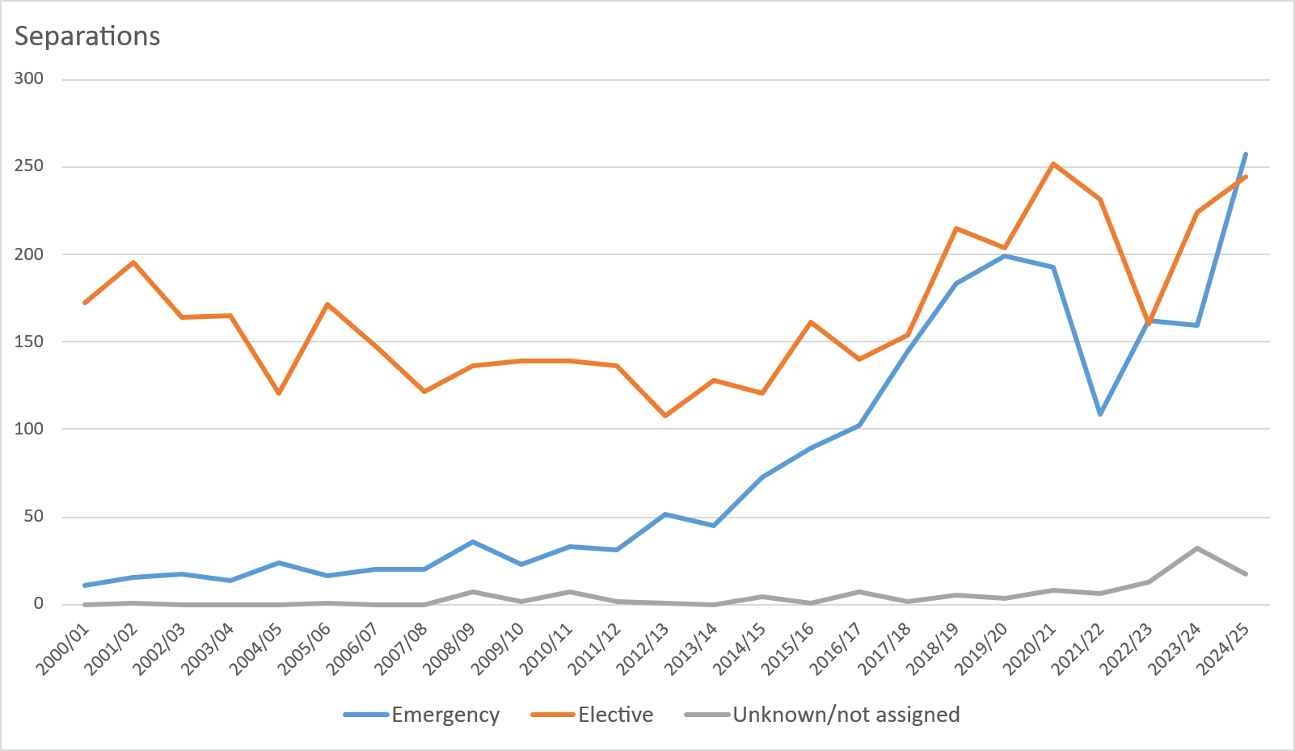
Table 1 presents the number of separations for Endometriosis (N80 - principal or additional diagnosis) by emergency status. The number of separations coded as an emergency has increased since 2014/15, and is now similar to the number of elective separations.
Table 1: Endometriosis (N80 - principal or additional diagnosis) by admission urgency status, public hospitals only
 | Emergency | Elective | Unknown/not assigned | Total
2000/01 | 11 | 172 | 0 | 183
2001/02 | 15 | 195 | <5 | 211
2002/03 | 17 | 164 | 0 | 181
2003/04 | 14 | 165 | 0 | 179
2004/05 | 24 | 121 | 0 | 145
2005/06 | 16 | 171 | <5 | 188
2006/07 | 20 | 147 | 0 | 167
2007/08 | 20 | 122 | 0 | 142
2008/09 | 36 | 136 | 7 | 179
2009/10 | 23 | 139 | <5 | 164
2010/11 | 33 | 139 | 7 | 179
2011/12 | 31 | 136 | <5 | 169
2012/13 | 51 | 108 | <5 | 160
2013/14 | 45 | 128 | 0 | 173
2014/15 | 73 | 121 | <5 | 198
2015/16 | 89 | 161 | <5 | 251
2016/17 | 102 | 140 | 7 | 249
2017/18 | 145 | 154 | <5 | 301
2018/19 | 183 | 215 | 5 | 403
2019/20 | 199 | 204 | <5 | 406
2020/21 | 193 | 252 | 8 | 453
2021/22 | 109 | 231 | 6 | 346
2022/23 | 162 | 160 | 13 | 335
2023/24 | 159 | 224 | 32 | 415
2024/25 | 257 | 244 | 17 | 518

Figure 1: Endometriosis (N80 - principal or additional diagnosis) by admission urgency status, public hospitals only, 2000/01 to 2024/25

2 - Endometriosis procedures
Figure 1 presents the the leading 15 principal procedures for patients with a diagnosis of endometriosis (principal or additional). The leading procedure for endometriosis patients in 2023/24 was laparoscopic excision of lesion of pelvic cavity followed by laparoscopic total abdominal hysterectomy.
The tables below present the principal procedures for endometriosis patients and the second, third and fourth listed procedures for these patients.
Figure 1: Patients with a principal or additional diagnosis of endometriosis by principal procedure, ACT public and private hospitals, 2023/24
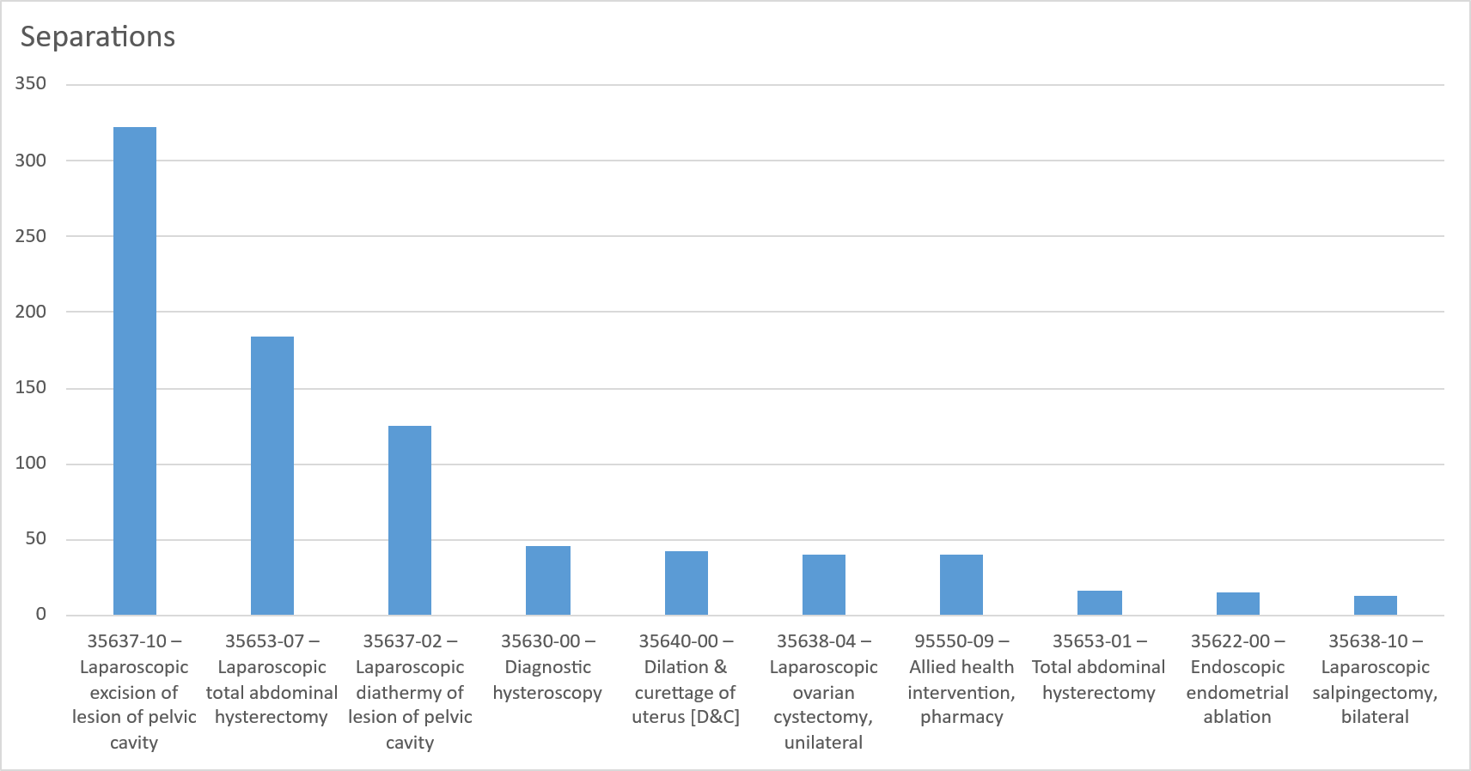

Only limited private hospital data was available In 2017/18 and 2018/19.
No private hospital data was available in 2024/25.
Unless otherwise stated includes ACT and non-ACT residents.

Patients with a principal or additional diagnosis of endometriosis by procedure, ACT public and private hospitals, 2023/24
 | Principal procedure 1 |  | Additional procedure 2 |  | Additional procedure 3 |  | Additional procedure 4
35637-10 – Laparoscopic excision of lesion of pelvic cavity | 322 | 35638-10 – Laparoscopic salpingectomy, bilateral | 138 | 35640-00 – Dilation & curettage of uterus [D&C] | 112 | 92514-29 – General anaesthesia, ASA 29 | 111
35653-07 – Laparoscopic total abdominal hysterectomy | 184 | 30393-00 – Laparoscopic division of abdominal adhesions | 106 | 92514-29 – General anaesthesia, ASA 29 | 85 | 35640-00 – Dilation & curettage of uterus [D&C] | 79
35637-02 – Laparoscopic diathermy of lesion of pelvic cavity | 125 | 35630-00 – Diagnostic hysteroscopy | 97 | 35630-00 – Diagnostic hysteroscopy | 82 | 35630-00 – Diagnostic hysteroscopy | 65
35630-00 – Diagnostic hysteroscopy | 46 | 35640-00 – Dilation & curettage of uterus [D&C] | 95 | 30393-00 – Laparoscopic division of abdominal adhesions | 68 | 35703-00 – Test for tubal patency | 55
35640-00 – Dilation & curettage of uterus [D&C] | 43 | 35637-10 – Laparoscopic excision of lesion of pelvic cavity | 63 | 35637-10 – Laparoscopic excision of lesion of pelvic cavity | 56 | 30393-00 – Laparoscopic division of abdominal adhesions | 47
35638-04 – Laparoscopic ovarian cystectomy, unilateral | 40 | 35637-02 – Laparoscopic diathermy of lesion of pelvic cavity | 51 | 35503-00 – Insertion of intrauterine device [IUD] | 42 | 35503-00 – Insertion of intrauterine device [IUD] | 46
95550-09 – Allied health intervention, pharmacy | 40 | 35638-12 – Laparoscopic salpingo-oophorectomy, bilateral | 39 | 92514-19 – General anaesthesia, ASA 19 | 38 | 92514-19 – General anaesthesia, ASA 19 | 43
35653-01 – Total abdominal hysterectomy | 16 | 35503-00 – Insertion of intrauterine device [IUD] | 33 | 36812-00 – Cystoscopy | 30 | 36812-00 – Cystoscopy | 34
35622-00 – Endoscopic endometrial ablation | 15 | 35638-04 – Laparoscopic ovarian cystectomy, unilateral | 32 | 35637-02 – Laparoscopic diathermy of lesion of pelvic cavity | 29 | 35637-10 – Laparoscopic excision of lesion of pelvic cavity | 22
35638-10 – Laparoscopic salpingectomy, bilateral | 13 | 92514-29 – General anaesthesia, ASA 29 | 23 | 35506-00 – Replacement of intrauterine device [IUD] | 28 | 92514-39 – General anaesthesia, ASA 39 | 22
35633-01 – Polypectomy of uterus via hysteroscopy | 10 | 35506-00 – Replacement of intrauterine device [IUD] | 18 | 35638-04 – Laparoscopic ovarian cystectomy, unilateral | 28 | 92514-99 – General anaesthesia, ASA 99 | 17
35638-05 – Laparoscopic ovarian cystectomy, bilateral | 10 | 35717-03 – Salpingectomy, bilateral | 18 | 35638-10 – Laparoscopic salpingectomy, bilateral | 25 | 95550-09 – Allied health intervention, pharmacy | 17
30393-00 – Laparoscopic division of abdominal adhesions | 9 | 35703-00 – Test for tubal patency | 16 | 35638-02 – Laparoscopic oophorectomy, unilateral | 24 | 35506-00 – Replacement of intrauterine device [IUD] | 16
35750-00 – Laparoscopically assisted vaginal hysterectomy | 9 | 35658-00 – Debulking of uterus preceding hysterectomy | 14 | 35703-00 – Test for tubal patency | 24 | 35729-00 – Laparoscopic transposition of ovary | 15
35657-00 – Vaginal hysterectomy | 8 | 35638-07 – Laparoscopic partial salpingectomy, unilateral | 11 | 30378-00 – Division of abdominal adhesions | 13 | 35637-02 – Laparoscopic diathermy of lesion of pelvic cavity | 13
95550-01 – Allied health intervention, social work | 8 | 92514-19 – General anaesthesia, ASA 19 | 11 | 92514-99 – General anaesthesia, ASA 99 | 10 | 35638-04 – Laparoscopic ovarian cystectomy, unilateral | 9
30390-00 – Laparoscopy | 6 | 95550-09 – Allied health intervention, pharmacy | 11 | 95550-09 – Allied health intervention, pharmacy | 10 | 95550-03 – Allied health intervention, physiotherapy | 9
35638-11 – Laparoscopic salpingo-oophorectomy, unilateral | 6 | 35717-04 – Salpingo-oophorectomy, bilateral | 10 | 30075-37 – Biopsy of peritoneum | 9 | 35638-10 – Laparoscopic salpingectomy, bilateral | 8
35638-12 – Laparoscopic salpingo-oophorectomy, bilateral | 6 | 35506-02 – Removal of intrauterine device [IUD] | 9 | 35729-00 – Laparoscopic transposition of ovary | 9 | 35506-02 – Removal of intrauterine device [IUD] | 7
35503-00 – Insertion of intrauterine device [IUD] | <5 | 35633-01 – Polypectomy of uterus via hysteroscopy | 9 | 92514-39 – General anaesthesia, ASA 39 | 9 | 35637-07 – Laparoscopic rupture of ovarian cyst or abscess | 7
35623-00 – Myomectomy of uterus via hysteroscopy | <5 | 35637-07 – Laparoscopic rupture of ovarian cyst or abscess | 9 | 35506-02 – Removal of intrauterine device [IUD] | 8 | 30075-37 – Biopsy of peritoneum | 6
35637-07 – Laparoscopic rupture of ovarian cyst or abscess | <5 | 35653-07 – Laparoscopic total abdominal hysterectomy | 9 | 35622-00 – Endoscopic endometrial ablation | 7 | 36615-00 – Laparoscopic ureterolysis | 5
35638-02 – Laparoscopic oophorectomy, unilateral | <5 | 35622-00 – Endoscopic endometrial ablation | 8 | 35637-08 – Laparoscopic ovarian drilling | 7 | 36821-01 – Endoscopic insertion of ureteric stent | 5
35649-01 – Myomectomy of uterus via laparoscopy | <5 | 35638-09 – Laparoscopic salpingectomy, unilateral | 7 | 35633-01 – Polypectomy of uterus via hysteroscopy | 6 | 92508-29 – Neuraxial block, ASA 29 | 5
35678-01 – Laparoscopic salpingectomy with removal of tubal pregnancy | <5 | 35729-00 – Laparoscopic transposition of ovary | 7 | 35638-07 – Laparoscopic partial salpingectomy, unilateral | 6 | 30062-00 – Removal of subdermal hormone implant | <5
95550-10 – Allied health intervention, psychology | <5 | 35638-02 – Laparoscopic oophorectomy, unilateral | 6 | 35638-12 – Laparoscopic salpingo-oophorectomy, bilateral | 6 | 35622-00 – Endoscopic endometrial ablation | <5
16520-02 – Elective lower segment caesarean section | <5 | 35638-05 – Laparoscopic ovarian cystectomy, bilateral | 6 | 30062-00 – Removal of subdermal hormone implant | 5 | 35638-02 – Laparoscopic oophorectomy, unilateral | <5
30572-00 – Laparoscopic appendicectomy | <5 | 35638-11 – Laparoscopic salpingo-oophorectomy, unilateral | 5 | 35572-00 – Colpotomy | 5 | 95550-01 – Allied health intervention, social work | <5
35638-01 – Laparoscopic partial oophorectomy | <5 | 95550-01 – Allied health intervention, social work | <5 | 35637-07 – Laparoscopic rupture of ovarian cyst or abscess | 5 | 14203-00 – Direct subdermal hormone implantation | <5
35638-07 – Laparoscopic partial salpingectomy, unilateral | <5 | 95550-10 – Allied health intervention, psychology | <5 | 35658-00 – Debulking of uterus preceding hysterectomy | 5 | 18360-01 – Administration of agent into soft tissue, not elsewhere classified | <5
95550-03 – Allied health intervention, physiotherapy | <5 | 30572-00 – Laparoscopic appendicectomy | <5 | 35713-07 – Oophorectomy, unilateral | 5 | 30390-00 – Laparoscopy | <5
16520-03 – Emergency lower segment caesarean section | <5 | 35611-01 – Partial excision of cervix | <5 | 36615-00 – Laparoscopic ureterolysis | 5 | 35571-00 – Repair of posterior vaginal compartment, vaginal approach | <5
35506-00 – Replacement of intrauterine device [IUD] | <5 | 35623-00 – Myomectomy of uterus via hysteroscopy | <5 | 95550-03 – Allied health intervention, physiotherapy | 5 | 35572-00 – Colpotomy | <5
35506-02 – Removal of intrauterine device [IUD] | <5 | 35637-08 – Laparoscopic ovarian drilling | <5 | 30390-00 – Laparoscopy | <5 | 35623-00 – Myomectomy of uterus via hysteroscopy | <5
35608-02 – Biopsy of cervix | <5 | 35638-01 – Laparoscopic partial oophorectomy | <5 | 30617-00 – Repair of umbilical hernia | <5 | 35633-01 – Polypectomy of uterus via hysteroscopy | <5
35611-01 – Partial excision of cervix | <5 | 35640-02 – Dilation of cervix | <5 | 35568-00 – Sacrospinous colpopexy | <5 | 36827-00 – Endoscopically controlled hydrodilation of bladder | <5
35620-02 – Laparoscopic biopsy of uterus | <5 | 36812-00 – Cystoscopy | <5 | 35571-00 – Repair of posterior vaginal compartment, vaginal approach | <5 | 92508-19 – Neuraxial block, ASA 19 | <5
35637-08 – Laparoscopic ovarian drilling | <5 | 92514-99 – General anaesthesia, ASA 99 | <5 | 35595-00 – Laparoscopic pelvic floor repair | <5 | 92508-39 – Neuraxial block, ASA 39 | <5
35638-09 – Laparoscopic salpingectomy, unilateral | <5 | 95550-03 – Allied health intervention, physiotherapy | <5 | 35623-00 – Myomectomy of uterus via hysteroscopy | <5 | 95550-00 – Allied health intervention, dietetics | <5
35667-00 – Radical abdominal hysterectomy | <5 | 30075-37 – Biopsy of peritoneum | <5 | 35638-01 – Laparoscopic partial oophorectomy | <5 | 30378-00 – Division of abdominal adhesions | <5
35703-00 – Test for tubal patency | <5 | 35570-00 – Repair of anterior vaginal compartment, vaginal approach | <5 | 35638-09 – Laparoscopic salpingectomy, unilateral | <5 | 35637-08 – Laparoscopic ovarian drilling | <5
35713-14 – Excision of lesion of pelvic cavity | <5 | 35608-02 – Biopsy of cervix | <5 | 35638-11 – Laparoscopic salpingo-oophorectomy, unilateral | <5 | 35638-09 – Laparoscopic salpingectomy, unilateral | <5
95550-00 – Allied health intervention, dietetics | <5 | 35638-08 – Laparoscopic partial salpingectomy, bilateral | <5 | 35649-01 – Myomectomy of uterus via laparoscopy | <5 | 35647-00 – Large loop excision of transformation zone [LLETZ] | <5
95550-12 – Allied health intervention, pastoral care | <5 | 35649-01 – Myomectomy of uterus via laparoscopy | <5 | 36827-00 – Endoscopically controlled hydrodilation of bladder | <5 | 35713-06 – Partial oophorectomy | <5
96199-19 – Intravenous administration of pharmacological agent, other and unspecified pharmacological agent | <5 | 35713-04 – Ovarian cystectomy, unilateral | <5 | 96243-05 – Sentinel lymph node biopsy, pelvic | <5 | 36821-03 – Endoscopic replacement of ureteric stent | <5
13212-00 – Transvaginal oocyte retrieval | <5 | 36615-00 – Laparoscopic ureterolysis | <5 | 35570-00 – Repair of anterior vaginal compartment, vaginal approach | <5 | 90343-01 – Laparoscopic procedure proceeding to open procedure | <5
13706-02 – Administration of packed cells | <5 | 92062-00 – Administration of other serum | <5 | 35573-00 – Repair of anterior and posterior vaginal compartment, vaginal approach | <5 | 90435-00 – Other laparoscopic repair of uterus | <5
14203-00 – Direct subdermal hormone implantation | <5 | 92514-10 – General anaesthesia, ASA 10 | <5 | 35638-08 – Laparoscopic partial salpingectomy, bilateral | <5 | 95550-11 – Allied health intervention, other | <5
30445-00 – Laparoscopic cholecystectomy | <5 | 92514-20 – General anaesthesia, ASA 20 | <5 | 35640-02 – Dilation of cervix | <5 | 95550-12 – Allied health intervention, pastoral care | <5
31350-00 – Excision of lesion of soft tissue, not elsewhere classified | <5 | 92515-29 – Sedation, ASA 29 | <5 | 35703-01 – Therapeutic hydrotubation | <5 | 30058-01 – Control of postoperative haemorrhage, not elsewhere classified | <5
34528-02 – Insertion of vascular access device | <5 | 16567-00 – Other management of postpartum haemorrhage | <5 | 36821-01 – Endoscopic insertion of ureteric stent | <5 | 30375-25 – Suture of laceration of large intestine | <5
35638-03 – Laparoscopic oophorectomy, bilateral | <5 | 30062-00 – Removal of subdermal hormone implant | <5 | 90430-00 – Other laparoscopic repair of ovary | <5 | 30396-00 – Debridement and lavage of peritoneal cavity | <5
35640-03 – Suction curettage of uterus | <5 | 30378-00 – Division of abdominal adhesions | <5 | 92508-29 – Neuraxial block, ASA 29 | <5 | 30406-00 – Abdominal paracentesis | <5
35649-03 – Myomectomy of uterus | <5 | 30390-00 – Laparoscopy | <5 | 92514-20 – General anaesthesia, ASA 20 | <5 | 30571-00 – Appendicectomy | <5
35653-00 – Subtotal abdominal hysterectomy | <5 | 30394-01 – Laparoscopic drainage of intra-abdominal abscess, haematoma or cyst | <5 | 95550-00 – Allied health intervention, dietetics | <5 | 32003-02 – Laparoscopic limited excision of large intestine with anastomosis | <5
35653-05 – Laparoscopic subtotal abdominal hysterectomy | <5 | 30439-00 – Intraoperative cholangiography | <5 | 14203-00 – Direct subdermal hormone implantation | <5 | 32025-00 – Low restorative anterior resection of rectum with extraperitoneal anastomosis | <5
35713-07 – Oophorectomy, unilateral | <5 | 32003-02 – Laparoscopic limited excision of large intestine with anastomosis | <5 | 30373-00 – Exploratory laparotomy | <5 | 32096-00 – Full thickness biopsy of rectum | <5
90331-00 – Other procedures on abdomen, peritoneum or omentum | <5 | 34106-19 – Interruption of other vein | <5 | 30375-24 – Suture of small intestine | <5 | 35533-00 – Vulvoplasty | <5
92168-00 – Vaccination against hepatitis B | <5 | 35509-00 – Hymenectomy | <5 | 30572-00 – Laparoscopic appendicectomy | <5 | 35536-00 – Hemivulvectomy | <5
95550-11 – Allied health intervention, other | <5 | 35571-00 – Repair of posterior vaginal compartment, vaginal approach | <5 | 35569-00 – Enlargement of vaginal orifice | <5 | 35570-00 – Repair of anterior vaginal compartment, vaginal approach | <5
 |  | 35572-00 – Colpotomy | <5 | 35608-00 – Cautery of cervix | <5 | 35573-00 – Repair of anterior and posterior vaginal compartment, vaginal approach | <5
Total procedures | 916 | 35595-00 – Laparoscopic pelvic floor repair | <5 | 35614-00 – Colposcopy | <5 | 35595-00 – Laparoscopic pelvic floor repair | <5
No procedure | 120 | 35608-00 – Cautery of cervix | <5 | 35615-00 – Biopsy of vulva | <5 | 35599-00 – Sling procedure for stress incontinence, female | <5
Total | 1,123 | 35633-00 – Division of intrauterine adhesions | <5 | 35637-06 – Biopsy of ovary | <5 | 35608-00 – Cautery of cervix | <5
Only limited private hospital data was available In 2017/18 and 1018/19. |  | 35637-06 – Biopsy of ovary | <5 | 35640-01 – Curettage of uterus without dilation | <5 | 35633-00 – Division of intrauterine adhesions | <5
No private hospital data was available in 2024/25 or 2025/26. |  | 35638-03 – Laparoscopic oophorectomy, bilateral | <5 | 35653-07 – Laparoscopic total abdominal hysterectomy | <5 | 35637-06 – Biopsy of ovary | <5
Data for 2025/26 is preliminary - includes first quarter only. |  | 35638-14 – Laparoscopic uterosacral nerve ablation [LUNA] | <5 | 35684-00 – Other laparoscopic uterine suspension | <5 | 35638-03 – Laparoscopic oophorectomy, bilateral | <5
Unless otherwise stated includes ACT and non-ACT residents. |  | 35703-01 – Therapeutic hydrotubation | <5 | 35694-02 – Laparoscopic salpingolysis | <5 | 35638-07 – Laparoscopic partial salpingectomy, unilateral | <5
 |  | 35713-02 – Rupture of ovarian cyst or abscess | <5 | 35713-06 – Partial oophorectomy | <5 | 35638-08 – Laparoscopic partial salpingectomy, bilateral | <5
 |  | 35713-07 – Oophorectomy, unilateral | <5 | 35713-14 – Excision of lesion of pelvic cavity | <5 | 35638-11 – Laparoscopic salpingo-oophorectomy, unilateral | <5
 |  | 35713-11 – Salpingo-oophorectomy, unilateral | <5 | 35717-03 – Salpingectomy, bilateral | <5 | 35638-12 – Laparoscopic salpingo-oophorectomy, bilateral | <5
 |  | 35713-14 – Excision of lesion of pelvic cavity | <5 | 35720-00 – Debulking of lesion of pelvic cavity | <5 | 35640-02 – Dilation of cervix | <5
 |  | 35717-02 – Partial salpingectomy, bilateral | <5 | 36615-01 – Ureterolysis | <5 | 35649-01 – Myomectomy of uterus via laparoscopy | <5
 |  | 36615-01 – Ureterolysis | <5 | 36800-02 – Replacement of cystostomy tube | <5 | 35658-00 – Debulking of uterus preceding hysterectomy | <5
 |  | 36827-00 – Endoscopically controlled hydrodilation of bladder | <5 | 36824-01 – Endoscopic ureteric catheterisation, bilateral | <5 | 35713-01 – Diathermy of lesion of pelvic cavity | <5
 |  | 36840-03 – Endoscopic destruction of a single lesion of bladder <= 2 cm or tissue of bladder | <5 | 36836-00 – Endoscopic biopsy of bladder | <5 | 35713-14 – Excision of lesion of pelvic cavity | <5
 |  | 45518-00 – Revision of scar of other site more than 7 cm in length | <5 | 36840-02 – Endoscopic resection of a single lesion of bladder <= 2 cm or tissue of bladder | <5 | 35717-00 – Ovarian cystectomy, bilateral | <5
 |  | 60012-00 – Digital subtraction angiography of thorax, <= 3 data acquisition runs | <5 | 36851-00 – Endoscopic administration of agent into bladder wall | <5 | 35717-01 – Oophorectomy, bilateral | <5
 |  | 90329-00 – Other repair of abdomen | <5 | 90022-00 – Administration of anaesthetic agent around other peripheral nerve | <5 | 36615-01 – Ureterolysis | <5
 |  | 90341-00 – Other excision of lesion of rectum | <5 | 90312-00 – Electrocoagulation of tissue of rectum | <5 | 36812-02 – Endoscopic division of intraluminal bladder adhesions | <5
 |  | 90360-00 – Other excision of lesion of bladder | <5 | 90314-00 – Other procedures on rectum | <5 | 36840-03 – Endoscopic destruction of a single lesion of bladder <= 2 cm or tissue of bladder | <5
 |  | 90431-00 – Other procedures on ovary | <5 | 90329-00 – Other repair of abdomen | <5 | 36851-00 – Endoscopic administration of agent into bladder wall | <5
 |  | 90435-00 – Other laparoscopic repair of uterus | <5 | 90347-02 – Administration of therapeutic agent into peritoneal cavity | <5 | 37004-02 – Other repair of bladder | <5
 |  | 90437-00 – Other destruction of lesion of vagina | <5 | 90360-00 – Other excision of lesion of bladder | <5 | 37008-06 – Division of intraluminal bladder adhesions | <5
 |  | 90686-03 – Vacuum dressing | <5 | 90435-00 – Other laparoscopic repair of uterus | <5 | 43816-02 – Other repair of large intestine | <5
 |  | 92508-29 – Neuraxial block, ASA 29 | <5 | 90452-00 – Excision of other lesion of uterus | <5 | 90360-00 – Other excision of lesion of bladder | <5
 |  | 92514-30 – General anaesthesia, ASA 30 | <5 | 92062-00 – Administration of other serum | <5 | 90430-00 – Other laparoscopic repair of ovary | <5
 |  | 92514-39 – General anaesthesia, ASA 39 | <5 | 92114-00 – Removal of other vaginal pessary | <5 | 90431-00 – Other procedures on ovary | <5
 |  | 95550-00 – Allied health intervention, dietetics | <5 | 92508-99 – Neuraxial block, ASA 99 | <5 | 90451-00 – Other destruction of lesion of uterus | <5
 |  | 95550-02 – Allied health intervention, occupational therapy | <5 | 95550-01 – Allied health intervention, social work | <5 | 90485-00 – Other suture of current obstetric laceration without perineal involvement | <5
 |  | 95550-11 – Allied health intervention, other | <5 | 95550-02 – Allied health intervention, occupational therapy | <5 | 92062-00 – Administration of other serum | <5
 |  | 96199-19 – Intravenous administration of pharmacological agent, other and unspecified pharmacological agent | <5 | 95550-10 – Allied health intervention, psychology | <5 | 92109-00 – Replacement of other vaginal pessary | <5
 |  | 96242-05 – Biopsy of lymphatic structure, pelvic | <5 | 95550-11 – Allied health intervention, other | <5 | 92173-00 – Passive immunisation with Rh(D) immunoglobulin | <5
 |  | Total | 1,123 | 95550-15 – Allied health intervention, exercise physiologist | <5 | 92508-99 – Neuraxial block, ASA 99 | <5
 |  |  |  | 96181-00 – Art therapy | <5 | 92514-10 – General anaesthesia, ASA 10 | <5
 |  |  |  | 96187-00 – Pastoral ministry | <5 | 92514-20 – General anaesthesia, ASA 20 | <5
 |  |  |  | 96244-05 – Excision of lymphatic structure, pelvic | <5 | 96187-00 – Pastoral ministry | <5
 |  |  |  | Total | 1,123 | 96201-19 – Intracavitary administration of pharmacological agent, other and unspecified pharmacological agent | <5
 |  |  |  |  |  | 96243-05 – Sentinel lymph node biopsy, pelvic | <5
 |  |  |  |  |  | Total | 1,123

3 - Endo procedures by age
Table 1 presents the principal procedures coded for patients with a principal or additional diagnosis for endiometriosis for the financial year 2023/24.
Data includes both public and private patients.
Tables 2 and 3 show the second and third procedures coded for the same patient cohort.

Table 1: Patients with a principal or additional diagnosis for Endometriosis by principal procedure, ACT public and private hospitals, 2023/24 |  |  |  |  |  |  |  |  |  |  |  |  |  |  |  |  |  |  |  | Table 2: Procedure 2 |  | Table 3: Procedure 3
Procedure | 0–4 | 5–9 | 10–14 | 15–19 | 20–24 | 25–29 | 30–34 | 35–39 | 40–44 | 45–49 | 50–54 | 55–59 | 60–64 | 65–69 | 70–74 | 75–79 | 80–84 | 85+ | Total | Procedure | Total | Procedure | Total
35637-10 – Laparoscopic excision of lesion of pelvic cavity | 0 | 0 | <5 | 34 | 73 | 63 | 73 | 51 | 22 | <5 | <5 | 0 | 0 | 0 | 0 | 0 | 0 | 0 | 322 | 35638-10 – Laparoscopic salpingectomy, bilateral | 138 | 35640-00 – Dilation & curettage of uterus [D&C] | 112
35653-07 – Laparoscopic total abdominal hysterectomy | 0 | 0 | 0 | 0 | <5 | <5 | 12 | 42 | 50 | 35 | 23 | 7 | <5 | <5 | <5 | <5 | <5 | 0 | 184 | 30393-00 – Laparoscopic division of abdominal adhesions | 106 | 92514-29 – General anaesthesia, ASA 29 | 85
35637-02 – Laparoscopic diathermy of lesion of pelvic cavity | 0 | 0 | <5 | 8 | 17 | 28 | 27 | 26 | 9 | <5 | <5 | 0 | 0 | 0 | 0 | 0 | 0 | 0 | 125 | 35630-00 – Diagnostic hysteroscopy | 97 | 35630-00 – Diagnostic hysteroscopy | 82
35630-00 – Diagnostic hysteroscopy | 0 | 0 | <5 | 0 | 5 | 8 | 14 | 6 | 6 | <5 | <5 | 0 | 0 | 0 | 0 | 0 | 0 | 0 | 46 | 35640-00 – Dilation & curettage of uterus [D&C] | 95 | 30393-00 – Laparoscopic division of abdominal adhesions | 68
35640-00 – Dilation & curettage of uterus [D&C] | 0 | 0 | <5 | <5 | 6 | 5 | 9 | 10 | 5 | <5 | <5 | 0 | 0 | 0 | 0 | 0 | 0 | 0 | 43 | 35637-10 – Laparoscopic excision of lesion of pelvic cavity | 63 | 35637-10 – Laparoscopic excision of lesion of pelvic cavity | 56
35638-04 – Laparoscopic ovarian cystectomy, unilateral | 0 | 0 | 0 | <5 | 8 | 6 | 9 | 9 | 6 | <5 | 0 | 0 | 0 | 0 | 0 | 0 | 0 | 0 | 40 | 35637-02 – Laparoscopic diathermy of lesion of pelvic cavity | 51 | 35503-00 – Insertion of intrauterine device [IUD] | 42
95550-09 – Allied health intervention, pharmacy | 0 | 0 | 0 | 0 | <5 | 9 | 11 | 13 | <5 | <5 | 0 | 0 | 0 | 0 | 0 | 0 | 0 | 0 | 40 | 35638-12 – Laparoscopic salpingo-oophorectomy, bilateral | 39 | 92514-19 – General anaesthesia, ASA 19 | 38
35653-01 – Total abdominal hysterectomy | 0 | 0 | 0 | 0 | 0 | 0 | 0 | <5 | 5 | 6 | <5 | 0 | <5 | 0 | 0 | 0 | 0 | 0 | 16 | 35503-00 – Insertion of intrauterine device [IUD] | 33 | 36812-00 – Cystoscopy | 30
35622-00 – Endoscopic endometrial ablation | 0 | 0 | 0 | <5 | <5 | <5 | <5 | 0 | 5 | <5 | 0 | 0 | 0 | 0 | 0 | 0 | 0 | 0 | 15 | 35638-04 – Laparoscopic ovarian cystectomy, unilateral | 32 | 35637-02 – Laparoscopic diathermy of lesion of pelvic cavity | 29
35638-10 – Laparoscopic salpingectomy, bilateral | 0 | 0 | 0 | 0 | <5 | <5 | <5 | <5 | <5 | <5 | <5 | 0 | 0 | 0 | 0 | 0 | 0 | 0 | 13 | 92514-29 – General anaesthesia, ASA 29 | 23 | 35506-00 – Replacement of intrauterine device [IUD] | 28
35633-01 – Polypectomy of uterus via hysteroscopy | 0 | 0 | 0 | 0 | 0 | 0 | <5 | <5 | <5 | <5 | 0 | 0 | 0 | 0 | 0 | 0 | 0 | 0 | 10 | 35506-00 – Replacement of intrauterine device [IUD] | 18 | 35638-04 – Laparoscopic ovarian cystectomy, unilateral | 28
35638-05 – Laparoscopic ovarian cystectomy, bilateral | 0 | 0 | 0 | <5 | <5 | <5 | <5 | <5 | <5 | <5 | 0 | 0 | 0 | 0 | 0 | 0 | 0 | 0 | 10 | 35717-03 – Salpingectomy, bilateral | 18 | 35638-10 – Laparoscopic salpingectomy, bilateral | 25
30393-00 – Laparoscopic division of abdominal adhesions | 0 | 0 | 0 | 0 | <5 | <5 | <5 | <5 | <5 | 0 | 0 | 0 | 0 | 0 | 0 | 0 | 0 | 0 | 9 | 35703-00 – Test for tubal patency | 16 | 35638-02 – Laparoscopic oophorectomy, unilateral | 24
35750-00 – Laparoscopically assisted vaginal hysterectomy | 0 | 0 | 0 | 0 | 0 | 0 | 0 | 0 | <5 | <5 | <5 | <5 | 0 | 0 | 0 | <5 | 0 | 0 | 9 | 35658-00 – Debulking of uterus preceding hysterectomy | 14 | 35703-00 – Test for tubal patency | 24
35657-00 – Vaginal hysterectomy | 0 | 0 | 0 | 0 | 0 | 0 | 0 | 0 | <5 | <5 | <5 | 0 | <5 | 0 | 0 | <5 | 0 | 0 | 8 | 35638-07 – Laparoscopic partial salpingectomy, unilateral | 11 | 30378-00 – Division of abdominal adhesions | 13
95550-01 – Allied health intervention, social work | 0 | 0 | 0 | <5 | 0 | <5 | <5 | 0 | 0 | 0 | 0 | 0 | 0 | 0 | 0 | 0 | 0 | 0 | 8 | 92514-19 – General anaesthesia, ASA 19 | 11 | 92514-99 – General anaesthesia, ASA 99 | 10
30390-00 – Laparoscopy | 0 | 0 | 0 | <5 | <5 | 0 | 0 | <5 | <5 | <5 | 0 | 0 | 0 | 0 | 0 | 0 | 0 | 0 | 6 | 95550-09 – Allied health intervention, pharmacy | 11 | 95550-09 – Allied health intervention, pharmacy | 10
35638-11 – Laparoscopic salpingo-oophorectomy, unilateral | 0 | 0 | 0 | 0 | 0 | 0 | 0 | <5 | <5 | <5 | <5 | 0 | 0 | 0 | 0 | 0 | 0 | 0 | 6 | 35717-04 – Salpingo-oophorectomy, bilateral | 10 | 30075-37 – Biopsy of peritoneum | 9
35638-12 – Laparoscopic salpingo-oophorectomy, bilateral | 0 | 0 | 0 | 0 | 0 | 0 | 0 | 0 | 0 | <5 | 0 | <5 | <5 | <5 | 0 | 0 | 0 | 0 | 6 | 35506-02 – Removal of intrauterine device [IUD] | 9 | 35729-00 – Laparoscopic transposition of ovary | 9
35503-00 – Insertion of intrauterine device [IUD] | 0 | 0 | 0 | <5 | 0 | <5 | 0 | 0 | 0 | <5 | 0 | 0 | 0 | 0 | 0 | 0 | 0 | 0 | <5 | 35633-01 – Polypectomy of uterus via hysteroscopy | 9 | 92514-39 – General anaesthesia, ASA 39 | 9
35623-00 – Myomectomy of uterus via hysteroscopy | 0 | 0 | 0 | 0 | 0 | 0 | <5 | 0 | <5 | 0 | 0 | 0 | 0 | 0 | 0 | <5 | 0 | 0 | <5 | 35637-07 – Laparoscopic rupture of ovarian cyst or abscess | 9 | 35506-02 – Removal of intrauterine device [IUD] | 8
35637-07 – Laparoscopic rupture of ovarian cyst or abscess | 0 | 0 | 0 | 0 | 0 | 0 | <5 | <5 | 0 | 0 | 0 | 0 | 0 | 0 | 0 | 0 | 0 | 0 | <5 | 35653-07 – Laparoscopic total abdominal hysterectomy | 9 | 35622-00 – Endoscopic endometrial ablation | 7
35638-02 – Laparoscopic oophorectomy, unilateral | 0 | 0 | 0 | 0 | 0 | 0 | 0 | 0 | 0 | <5 | <5 | 0 | 0 | 0 | 0 | 0 | 0 | 0 | <5 | 35622-00 – Endoscopic endometrial ablation | 8 | 35637-08 – Laparoscopic ovarian drilling | 7
35649-01 – Myomectomy of uterus via laparoscopy | 0 | 0 | 0 | 0 | 0 | 0 | <5 | <5 | 0 | <5 | 0 | 0 | 0 | 0 | 0 | 0 | 0 | 0 | <5 | 35638-09 – Laparoscopic salpingectomy, unilateral | 7 | 35633-01 – Polypectomy of uterus via hysteroscopy | 6
35678-01 – Laparoscopic salpingectomy with removal of tubal pregnancy | 0 | 0 | 0 | 0 | 0 | <5 | <5 | <5 | 0 | 0 | 0 | 0 | 0 | 0 | 0 | 0 | 0 | 0 | <5 | 35729-00 – Laparoscopic transposition of ovary | 7 | 35638-07 – Laparoscopic partial salpingectomy, unilateral | 6
95550-10 – Allied health intervention, psychology | 0 | 0 | 0 | 0 | 0 | <5 | <5 | 0 | 0 | 0 | 0 | 0 | 0 | 0 | 0 | 0 | 0 | 0 | <5 | 35638-02 – Laparoscopic oophorectomy, unilateral | 6 | 35638-12 – Laparoscopic salpingo-oophorectomy, bilateral | 6
16520-02 – Elective lower segment caesarean section | 0 | 0 | 0 | 0 | 0 | 0 | <5 | <5 | 0 | 0 | 0 | 0 | 0 | 0 | 0 | 0 | 0 | 0 | <5 | 35638-05 – Laparoscopic ovarian cystectomy, bilateral | 6 | 30062-00 – Removal of subdermal hormone implant | 5
30572-00 – Laparoscopic appendicectomy | 0 | 0 | 0 | 0 | 0 | <5 | <5 | 0 | 0 | 0 | 0 | 0 | 0 | 0 | 0 | 0 | 0 | 0 | <5 | 35638-11 – Laparoscopic salpingo-oophorectomy, unilateral | 5 | 35572-00 – Colpotomy | 5
35638-01 – Laparoscopic partial oophorectomy | 0 | 0 | 0 | 0 | <5 | 0 | 0 | <5 | <5 | 0 | 0 | 0 | 0 | 0 | 0 | 0 | 0 | 0 | <5 | 95550-01 – Allied health intervention, social work | <5 | 35637-07 – Laparoscopic rupture of ovarian cyst or abscess | 5
35638-07 – Laparoscopic partial salpingectomy, unilateral | 0 | 0 | <5 | 0 | 0 | <5 | 0 | 0 | 0 | 0 | 0 | 0 | 0 | 0 | 0 | 0 | 0 | 0 | <5 | 95550-10 – Allied health intervention, psychology | <5 | 35658-00 – Debulking of uterus preceding hysterectomy | 5
95550-03 – Allied health intervention, physiotherapy | 0 | 0 | 0 | 0 | <5 | <5 | 0 | 0 | 0 | 0 | 0 | 0 | 0 | 0 | 0 | 0 | 0 | 0 | <5 | 30572-00 – Laparoscopic appendicectomy | <5 | 35713-07 – Oophorectomy, unilateral | 5
16520-03 – Emergency lower segment caesarean section | 0 | 0 | 0 | 0 | 0 | <5 | 0 | <5 | 0 | 0 | 0 | 0 | 0 | 0 | 0 | 0 | 0 | 0 | <5 | 35611-01 – Partial excision of cervix | <5 | 36615-00 – Laparoscopic ureterolysis | 5
35506-00 – Replacement of intrauterine device [IUD] | 0 | 0 | 0 | 0 | 0 | <5 | <5 | 0 | 0 | 0 | 0 | 0 | 0 | 0 | 0 | 0 | 0 | 0 | <5 | 35623-00 – Myomectomy of uterus via hysteroscopy | <5 | 95550-03 – Allied health intervention, physiotherapy | 5
35506-02 – Removal of intrauterine device [IUD] | 0 | 0 | 0 | 0 | 0 | 0 | <5 | 0 | 0 | 0 | 0 | 0 | 0 | 0 | 0 | 0 | 0 | 0 | <5 | 35637-08 – Laparoscopic ovarian drilling | <5 | 30390-00 – Laparoscopy | <5
35608-02 – Biopsy of cervix | 0 | 0 | 0 | 0 | 0 | 0 | 0 | <5 | <5 | 0 | 0 | 0 | 0 | 0 | 0 | 0 | 0 | 0 | <5 | 35638-01 – Laparoscopic partial oophorectomy | <5 | 30617-00 – Repair of umbilical hernia | <5
35611-01 – Partial excision of cervix | 0 | 0 | 0 | 0 | 0 | 0 | <5 | 0 | 0 | 0 | <5 | 0 | 0 | 0 | 0 | 0 | 0 | 0 | <5 | 35640-02 – Dilation of cervix | <5 | 35568-00 – Sacrospinous colpopexy | <5
35620-02 – Laparoscopic biopsy of uterus | 0 | 0 | 0 | 0 | <5 | 0 | 0 | <5 | 0 | 0 | 0 | 0 | 0 | 0 | 0 | 0 | 0 | 0 | <5 | 36812-00 – Cystoscopy | <5 | 35571-00 – Repair of posterior vaginal compartment, vaginal approach | <5
35637-08 – Laparoscopic ovarian drilling | 0 | 0 | 0 | 0 | 0 | 0 | <5 | 0 | <5 | 0 | 0 | 0 | 0 | 0 | 0 | 0 | 0 | 0 | <5 | 92514-99 – General anaesthesia, ASA 99 | <5 | 35595-00 – Laparoscopic pelvic floor repair | <5
35638-09 – Laparoscopic salpingectomy, unilateral | 0 | 0 | 0 | 0 | 0 | <5 | 0 | 0 | <5 | 0 | 0 | 0 | 0 | 0 | 0 | 0 | 0 | 0 | <5 | 95550-03 – Allied health intervention, physiotherapy | <5 | 35623-00 – Myomectomy of uterus via hysteroscopy | <5
35667-00 – Radical abdominal hysterectomy | 0 | 0 | 0 | 0 | 0 | 0 | 0 | 0 | 0 | <5 | 0 | <5 | 0 | 0 | 0 | 0 | 0 | 0 | <5 | 30075-37 – Biopsy of peritoneum | <5 | 35638-01 – Laparoscopic partial oophorectomy | <5
35703-00 – Test for tubal patency | 0 | 0 | 0 | 0 | 0 | <5 | 0 | <5 | 0 | 0 | 0 | 0 | 0 | 0 | 0 | 0 | 0 | 0 | <5 | 35570-00 – Repair of anterior vaginal compartment, vaginal approach | <5 | 35638-09 – Laparoscopic salpingectomy, unilateral | <5
35713-14 – Excision of lesion of pelvic cavity | 0 | 0 | 0 | <5 | 0 | 0 | <5 | 0 | 0 | 0 | 0 | 0 | 0 | 0 | 0 | 0 | 0 | 0 | <5 | 35608-02 – Biopsy of cervix | <5 | 35638-11 – Laparoscopic salpingo-oophorectomy, unilateral | <5
95550-00 – Allied health intervention, dietetics | 0 | 0 | 0 | 0 | <5 | 0 | <5 | 0 | 0 | 0 | 0 | 0 | 0 | 0 | 0 | 0 | 0 | 0 | <5 | 35638-08 – Laparoscopic partial salpingectomy, bilateral | <5 | 35649-01 – Myomectomy of uterus via laparoscopy | <5
95550-12 – Allied health intervention, pastoral care | 0 | 0 | 0 | 0 | 0 | <5 | <5 | 0 | 0 | 0 | 0 | 0 | 0 | 0 | 0 | 0 | 0 | 0 | <5 | 35649-01 – Myomectomy of uterus via laparoscopy | <5 | 36827-00 – Endoscopically controlled hydrodilation of bladder | <5
96199-19 – Intravenous administration of pharmacological agent, other and unspecified pharmacological agent | 0 | 0 | 0 | 0 | 0 | <5 | <5 | 0 | 0 | 0 | 0 | 0 | 0 | 0 | 0 | 0 | 0 | 0 | <5 | 35713-04 – Ovarian cystectomy, unilateral | <5 | 96243-05 – Sentinel lymph node biopsy, pelvic | <5
13212-00 – Transvaginal oocyte retrieval | 0 | 0 | 0 | 0 | 0 | 0 | 0 | <5 | 0 | 0 | 0 | 0 | 0 | 0 | 0 | 0 | 0 | 0 | <5 | 36615-00 – Laparoscopic ureterolysis | <5 | 35570-00 – Repair of anterior vaginal compartment, vaginal approach | <5
13706-02 – Administration of packed cells | 0 | 0 | 0 | 0 | 0 | 0 | 0 | 0 | 0 | 0 | <5 | 0 | 0 | 0 | 0 | 0 | 0 | 0 | <5 | 92062-00 – Administration of other serum | <5 | 35573-00 – Repair of anterior and posterior vaginal compartment, vaginal approach | <5
14203-00 – Direct subdermal hormone implantation | 0 | 0 | 0 | 0 | 0 | <5 | 0 | 0 | 0 | 0 | 0 | 0 | 0 | 0 | 0 | 0 | 0 | 0 | <5 | 92514-10 – General anaesthesia, ASA 10 | <5 | 35638-08 – Laparoscopic partial salpingectomy, bilateral | <5
30445-00 – Laparoscopic cholecystectomy | 0 | 0 | 0 | 0 | 0 | 0 | 0 | 0 | <5 | 0 | 0 | 0 | 0 | 0 | 0 | 0 | 0 | 0 | <5 | 92514-20 – General anaesthesia, ASA 20 | <5 | 35640-02 – Dilation of cervix | <5
31350-00 – Excision of lesion of soft tissue, not elsewhere classified | 0 | 0 | 0 | 0 | 0 | 0 | 0 | <5 | 0 | 0 | 0 | 0 | 0 | 0 | 0 | 0 | 0 | 0 | <5 | 92515-29 – Sedation, ASA 29 | <5 | 35703-01 – Therapeutic hydrotubation | <5
34528-02 – Insertion of vascular access device | 0 | 0 | 0 | 0 | 0 | <5 | 0 | 0 | 0 | 0 | 0 | 0 | 0 | 0 | 0 | 0 | 0 | 0 | <5 | 16567-00 – Other management of postpartum haemorrhage | <5 | 36821-01 – Endoscopic insertion of ureteric stent | <5
35638-03 – Laparoscopic oophorectomy, bilateral | 0 | 0 | 0 | 0 | 0 | 0 | 0 | 0 | <5 | 0 | 0 | 0 | 0 | 0 | 0 | 0 | 0 | 0 | <5 | 30062-00 – Removal of subdermal hormone implant | <5 | 90430-00 – Other laparoscopic repair of ovary | <5
35640-03 – Suction curettage of uterus | 0 | 0 | 0 | 0 | 0 | <5 | 0 | 0 | 0 | 0 | 0 | 0 | 0 | 0 | 0 | 0 | 0 | 0 | <5 | 30378-00 – Division of abdominal adhesions | <5 | 92508-29 – Neuraxial block, ASA 29 | <5
35649-03 – Myomectomy of uterus | 0 | 0 | 0 | 0 | 0 | 0 | 0 | <5 | 0 | 0 | 0 | 0 | 0 | 0 | 0 | 0 | 0 | 0 | <5 | 30390-00 – Laparoscopy | <5 | 92514-20 – General anaesthesia, ASA 20 | <5
35653-00 – Subtotal abdominal hysterectomy | 0 | 0 | 0 | 0 | 0 | 0 | 0 | 0 | 0 | 0 | <5 | 0 | 0 | 0 | 0 | 0 | 0 | 0 | <5 | 30394-01 – Laparoscopic drainage of intra-abdominal abscess, haematoma or cyst | <5 | 95550-00 – Allied health intervention, dietetics | <5
35653-05 – Laparoscopic subtotal abdominal hysterectomy | 0 | 0 | 0 | 0 | 0 | 0 | 0 | 0 | 0 | <5 | 0 | 0 | 0 | 0 | 0 | 0 | 0 | 0 | <5 | 30439-00 – Intraoperative cholangiography | <5 | 14203-00 – Direct subdermal hormone implantation | <5
35713-07 – Oophorectomy, unilateral | 0 | 0 | 0 | 0 | 0 | 0 | 0 | 0 | 0 | 0 | 0 | 0 | 0 | <5 | 0 | 0 | 0 | 0 | <5 | 32003-02 – Laparoscopic limited excision of large intestine with anastomosis | <5 | 30373-00 – Exploratory laparotomy | <5
90331-00 – Other procedures on abdomen, peritoneum or omentum | 0 | 0 | 0 | 0 | 0 | 0 | 0 | 0 | <5 | 0 | 0 | 0 | 0 | 0 | 0 | 0 | 0 | 0 | <5 | 34106-19 – Interruption of other vein | <5 | 30375-24 – Suture of small intestine | <5
92168-00 – Vaccination against hepatitis B | 0 | 0 | 0 | 0 | 0 | <5 | 0 | 0 | 0 | 0 | 0 | 0 | 0 | 0 | 0 | 0 | 0 | 0 | <5 | 35509-00 – Hymenectomy | <5 | 30572-00 – Laparoscopic appendicectomy | <5
95550-11 – Allied health intervention, other | 0 | 0 | 0 | 0 | 0 | <5 | 0 | 0 | 0 | 0 | 0 | 0 | 0 | 0 | 0 | 0 | 0 | 0 | <5 | 35571-00 – Repair of posterior vaginal compartment, vaginal approach | <5 | 35569-00 – Enlargement of vaginal orifice | <5
 | 0 | 0 | 0 | 0 | 0 | 0 | 0 | 0 | 0 | 0 | 0 | 0 | 0 | 0 | 0 | 0 | 0 | 0 | 0 | 35572-00 – Colpotomy | <5 | 35608-00 – Cautery of cervix | <5
Total procedures | 0 | 0 | 7 | 52 | 124 | 153 | 186 | 183 | 138 | 79 | 48 | 12 | 7 | 5 | <5 | <5 | <5 | 0 | 1,002 | 35595-00 – Laparoscopic pelvic floor repair | <5 | 35614-00 – Colposcopy | <5
No procedure | 0 | 0 | 0 | 9 | 28 | 35 | 20 | 18 | 6 | <5 | 0 | <5 | 0 | 0 | 0 | 0 | 0 | 0 | 120 | 35608-00 – Cautery of cervix | <5 | 35615-00 – Biopsy of vulva | <5
Total | 0 | 0 | 7 | 61 | 152 | 188 | 207 | 201 | 144 | 82 | 48 | 13 | 7 | 5 | <5 | <5 | <5 | 0 | 1,123 | 35633-00 – Division of intrauterine adhesions | <5 | 35637-06 – Biopsy of ovary | <5
Only limited private hospital data was available In 2017/18 and 2018/19. |  |  |  |  |  |  |  |  |  |  |  |  |  |  |  |  |  |  |  | 35637-06 – Biopsy of ovary | <5 | 35640-01 – Curettage of uterus without dilation | <5
No private hospital data was available in 2024/25. |  |  |  |  |  |  |  |  |  |  |  |  |  |  |  |  |  |  |  | 35638-03 – Laparoscopic oophorectomy, bilateral | <5 | 35653-07 – Laparoscopic total abdominal hysterectomy | <5
Unless otherwise stated includes ACT and non-ACT residents. |  |  |  |  |  |  |  |  |  |  |  |  |  |  |  |  |  |  |  | 35638-14 – Laparoscopic uterosacral nerve ablation [LUNA] | <5 | 35684-00 – Other laparoscopic uterine suspension | <5
 |  |  |  |  |  |  |  |  |  |  |  |  |  |  |  |  |  |  |  | 35703-01 – Therapeutic hydrotubation | <5 | 35694-02 – Laparoscopic salpingolysis | <5
 |  |  |  |  |  |  |  |  |  |  |  |  |  |  |  |  |  |  |  | 35713-02 – Rupture of ovarian cyst or abscess | <5 | 35713-06 – Partial oophorectomy | <5
 |  |  |  |  |  |  |  |  |  |  |  |  |  |  |  |  |  |  |  | 35713-07 – Oophorectomy, unilateral | <5 | 35713-14 – Excision of lesion of pelvic cavity | <5
 |  |  |  |  |  |  |  |  |  |  |  |  |  |  |  |  |  |  |  | 35713-11 – Salpingo-oophorectomy, unilateral | <5 | 35717-03 – Salpingectomy, bilateral | <5
 |  |  |  |  |  |  |  |  |  |  |  |  |  |  |  |  |  |  |  | 35713-14 – Excision of lesion of pelvic cavity | <5 | 35720-00 – Debulking of lesion of pelvic cavity | <5
 |  |  |  |  |  |  |  |  |  |  |  |  |  |  |  |  |  |  |  | 35717-02 – Partial salpingectomy, bilateral | <5 | 36615-01 – Ureterolysis | <5
 |  |  |  |  |  |  |  |  |  |  |  |  |  |  |  |  |  |  |  | 36615-01 – Ureterolysis | <5 | 36800-02 – Replacement of cystostomy tube | <5
 |  |  |  |  |  |  |  |  |  |  |  |  |  |  |  |  |  |  |  | 36827-00 – Endoscopically controlled hydrodilation of bladder | <5 | 36824-01 – Endoscopic ureteric catheterisation, bilateral | <5
 |  |  |  |  |  |  |  |  |  |  |  |  |  |  |  |  |  |  |  | 36840-03 – Endoscopic destruction of a single lesion of bladder <= 2 cm or tissue of bladder | <5 | 36836-00 – Endoscopic biopsy of bladder | <5
 |  |  |  |  |  |  |  |  |  |  |  |  |  |  |  |  |  |  |  | 45518-00 – Revision of scar of other site more than 7 cm in length | <5 | 36840-02 – Endoscopic resection of a single lesion of bladder <= 2 cm or tissue of bladder | <5
 |  |  |  |  |  |  |  |  |  |  |  |  |  |  |  |  |  |  |  | 60012-00 – Digital subtraction angiography of thorax, <= 3 data acquisition runs | <5 | 36851-00 – Endoscopic administration of agent into bladder wall | <5
 |  |  |  |  |  |  |  |  |  |  |  |  |  |  |  |  |  |  |  | 90329-00 – Other repair of abdomen | <5 | 90022-00 – Administration of anaesthetic agent around other peripheral nerve | <5
 |  |  |  |  |  |  |  |  |  |  |  |  |  |  |  |  |  |  |  | 90341-00 – Other excision of lesion of rectum | <5 | 90312-00 – Electrocoagulation of tissue of rectum | <5
 |  |  |  |  |  |  |  |  |  |  |  |  |  |  |  |  |  |  |  | 90360-00 – Other excision of lesion of bladder | <5 | 90314-00 – Other procedures on rectum | <5
 |  |  |  |  |  |  |  |  |  |  |  |  |  |  |  |  |  |  |  | 90431-00 – Other procedures on ovary | <5 | 90329-00 – Other repair of abdomen | <5
 |  |  |  |  |  |  |  |  |  |  |  |  |  |  |  |  |  |  |  | 90435-00 – Other laparoscopic repair of uterus | <5 | 90347-02 – Administration of therapeutic agent into peritoneal cavity | <5
 |  |  |  |  |  |  |  |  |  |  |  |  |  |  |  |  |  |  |  | 90437-00 – Other destruction of lesion of vagina | <5 | 90360-00 – Other excision of lesion of bladder | <5
 |  |  |  |  |  |  |  |  |  |  |  |  |  |  |  |  |  |  |  | 90686-03 – Vacuum dressing | <5 | 90435-00 – Other laparoscopic repair of uterus | <5
 |  |  |  |  |  |  |  |  |  |  |  |  |  |  |  |  |  |  |  | 92508-29 – Neuraxial block, ASA 29 | <5 | 90452-00 – Excision of other lesion of uterus | <5
 |  |  |  |  |  |  |  |  |  |  |  |  |  |  |  |  |  |  |  | 92514-30 – General anaesthesia, ASA 30 | <5 | 92062-00 – Administration of other serum | <5
 |  |  |  |  |  |  |  |  |  |  |  |  |  |  |  |  |  |  |  | 92514-39 – General anaesthesia, ASA 39 | <5 | 92114-00 – Removal of other vaginal pessary | <5
 |  |  |  |  |  |  |  |  |  |  |  |  |  |  |  |  |  |  |  | 95550-00 – Allied health intervention, dietetics | <5 | 92508-99 – Neuraxial block, ASA 99 | <5
 |  |  |  |  |  |  |  |  |  |  |  |  |  |  |  |  |  |  |  | 95550-02 – Allied health intervention, occupational therapy | <5 | 95550-01 – Allied health intervention, social work | <5
 |  |  |  |  |  |  |  |  |  |  |  |  |  |  |  |  |  |  |  | 95550-11 – Allied health intervention, other | <5 | 95550-02 – Allied health intervention, occupational therapy | <5
 |  |  |  |  |  |  |  |  |  |  |  |  |  |  |  |  |  |  |  | 96199-19 – Intravenous administration of pharmacological agent, other and unspecified pharmacological agent | <5 | 95550-10 – Allied health intervention, psychology | <5
 |  |  |  |  |  |  |  |  |  |  |  |  |  |  |  |  |  |  |  | 96242-05 – Biopsy of lymphatic structure, pelvic | <5 | 95550-11 – Allied health intervention, other | <5
 |  |  |  |  |  |  |  |  |  |  |  |  |  |  |  |  |  |  |  | Total | 1,123 | 95550-15 – Allied health intervention, exercise physiologist | <5
 |  |  |  |  |  |  |  |  |  |  |  |  |  |  |  |  |  |  |  |  |  | 96181-00 – Art therapy | <5
 |  |  |  |  |  |  |  |  |  |  |  |  |  |  |  |  |  |  |  |  |  | 96187-00 – Pastoral ministry | <5
 |  |  |  |  |  |  |  |  |  |  |  |  |  |  |  |  |  |  |  |  |  | 96244-05 – Excision of lymphatic structure, pelvic | <5
 |  |  |  |  |  |  |  |  |  |  |  |  |  |  |  |  |  |  |  |  |  | Total | 1,123

3.1 Pelvic pain procedures
Table 1 presents the principal procedures coded for patients with a principal or additional diagnosis for pelvic and perineal pain, without a diagnosis of endometriosis or polycystic ovarian syndrome for the financial year 2023/24.
Data includes both public and private hospital patients.
Table 1: Pelvic and perineal pain but not endometriosis or polycystic ovarian syndrome, 2023/24
 | 0–4 | 5–9 | 10–14 | 15–19 | 20–24 | 25–29 | 30–34 | 35–39 | 40–44 | 45–49 | 50–54 | 55–59 | 60–64 | 65–69 | 70–74 | 75–79 | 80–84 | 85+ | Total
35653-07 – Laparoscopic total abdominal hysterectomy | 0 | 0 | 0 | 0 | 0 | <5 | 5 | 8 | 9 | 5 | <5 | 0 | 0 | 0 | 0 | 0 | 0 | 0 | 31
35640-00 – Dilation & curettage of uterus [D&C] | 0 | 0 | 0 | <5 | <5 | <5 | <5 | <5 | 5 | 6 | <5 | <5 | <5 | 0 | 0 | 0 | 0 | 0 | 29
30393-00 – Laparoscopic division of abdominal adhesions | 0 | 0 | 0 | <5 | <5 | <5 | <5 | <5 | 0 | 0 | <5 | <5 | 0 | 0 | 0 | 0 | 0 | 0 | 15
35630-00 – Diagnostic hysteroscopy | 0 | 0 | 0 | <5 | <5 | <5 | 0 | <5 | <5 | 0 | <5 | 0 | 0 | 0 | 0 | 0 | 0 | 0 | 11
30390-00 – Laparoscopy | 0 | 0 | 0 | <5 | <5 | 6 | 0 | <5 | <5 | 0 | 0 | 0 | 0 | 0 | 0 | 0 | 0 | 0 | 10
95550-09 – Allied health intervention, pharmacy | 0 | 0 | 0 | 0 | <5 | <5 | 0 | <5 | <5 | <5 | 0 | <5 | 0 | 0 | 0 | 0 | 0 | 0 | 10
95550-03 – Allied health intervention, physiotherapy | 0 | 0 | 0 | 0 | <5 | <5 | <5 | <5 | 0 | <5 | 0 | 0 | 0 | 0 | 0 | 0 | 0 | 0 | 6
35633-01 – Polypectomy of uterus via hysteroscopy | 0 | 0 | 0 | 0 | 0 | 0 | 0 | <5 | <5 | <5 | 0 | 0 | 0 | 0 | 0 | 0 | 0 | 0 | <5
39323-00 – Other percutaneous neurotomy by radiofrequency | 0 | 0 | 0 | 0 | 0 | 0 | <5 | 0 | 0 | 0 | <5 | 0 | 0 | <5 | 0 | 0 | 0 | <5 | <5
96187-00 – Pastoral ministry | 0 | 0 | 0 | 0 | <5 | <5 | <5 | 0 | 0 | 0 | 0 | 0 | 0 | 0 | 0 | 0 | 0 | 0 | <5
35503-00 – Insertion of intrauterine device [IUD] | 0 | 0 | 0 | <5 | 0 | 0 | <5 | <5 | 0 | 0 | 0 | 0 | 0 | 0 | 0 | 0 | 0 | 0 | <5
35506-00 – Replacement of intrauterine device [IUD] | 0 | 0 | 0 | 0 | 0 | 0 | <5 | 0 | <5 | 0 | 0 | 0 | 0 | 0 | 0 | 0 | 0 | 0 | <5
35637-10 – Laparoscopic excision of lesion of pelvic cavity | 0 | 0 | 0 | 0 | 0 | <5 | <5 | 0 | <5 | 0 | 0 | 0 | 0 | 0 | 0 | 0 | 0 | 0 | <5
96199-19 – Intravenous administration of pharmacological agent, other and unspecified pharmacological agent | 0 | 0 | 0 | 0 | <5 | <5 | 0 | 0 | 0 | <5 | 0 | 0 | 0 | 0 | 0 | 0 | 0 | 0 | <5
18360-01 – Administration of agent into soft tissue, not elsewhere classified | 0 | 0 | 0 | 0 | 0 | 0 | <5 | 0 | 0 | <5 | 0 | 0 | 0 | 0 | 0 | 0 | 0 | 0 | <5
32090-00 – Fibreoptic colonoscopy to caecum | 0 | 0 | 0 | 0 | 0 | 0 | 0 | 0 | 0 | 0 | 0 | <5 | <5 | 0 | 0 | 0 | 0 | 0 | <5
35506-02 – Removal of intrauterine device [IUD] | 0 | 0 | <5 | 0 | 0 | <5 | 0 | 0 | 0 | 0 | 0 | 0 | 0 | 0 | 0 | 0 | 0 | 0 | <5
35638-02 – Laparoscopic oophorectomy, unilateral | 0 | 0 | 0 | 0 | 0 | 0 | 0 | 0 | 0 | 0 | <5 | <5 | 0 | 0 | 0 | 0 | 0 | 0 | <5
35638-04 – Laparoscopic ovarian cystectomy, unilateral | 0 | 0 | 0 | 0 | 0 | <5 | <5 | 0 | 0 | 0 | 0 | 0 | 0 | 0 | 0 | 0 | 0 | 0 | <5
35638-12 – Laparoscopic salpingo-oophorectomy, bilateral | 0 | 0 | 0 | 0 | 0 | 0 | 0 | 0 | 0 | 0 | 0 | 0 | 0 | <5 | <5 | 0 | 0 | 0 | <5
35657-00 – Vaginal hysterectomy | 0 | 0 | 0 | 0 | 0 | 0 | 0 | 0 | 0 | <5 | 0 | 0 | 0 | 0 | 0 | 0 | 0 | 0 | <5
36800-02 – Replacement of cystostomy tube | 0 | 0 | 0 | 0 | 0 | <5 | 0 | 0 | 0 | 0 | 0 | 0 | 0 | 0 | 0 | 0 | 0 | 0 | <5
90467-00 – Spontaneous vertex delivery | 0 | 0 | 0 | 0 | <5 | 0 | <5 | 0 | 0 | 0 | 0 | 0 | 0 | 0 | 0 | 0 | 0 | 0 | <5
95550-01 – Allied health intervention, social work | 0 | 0 | 0 | 0 | 0 | 0 | 0 | <5 | 0 | <5 | 0 | 0 | 0 | 0 | 0 | 0 | 0 | 0 | <5
95550-10 – Allied health intervention, psychology | 0 | 0 | 0 | 0 | 0 | <5 | <5 | 0 | 0 | 0 | 0 | 0 | 0 | 0 | 0 | 0 | 0 | 0 | <5
13882-00 – Management of continuous ventilatory support, <= 24 hours | 0 | 0 | 0 | 0 | <5 | 0 | 0 | 0 | 0 | 0 | 0 | 0 | 0 | 0 | 0 | 0 | 0 | 0 | <5
16520-02 – Elective lower segment caesarean section | 0 | 0 | 0 | 0 | 0 | 0 | 0 | <5 | 0 | 0 | 0 | 0 | 0 | 0 | 0 | 0 | 0 | 0 | <5
16520-03 – Emergency lower segment caesarean section | 0 | 0 | 0 | 0 | 0 | <5 | 0 | 0 | 0 | 0 | 0 | 0 | 0 | 0 | 0 | 0 | 0 | 0 | <5
16564-01 – Postpartum evacuation of uterus by suction curettage | 0 | 0 | 0 | 0 | 0 | 0 | 0 | <5 | 0 | 0 | 0 | 0 | 0 | 0 | 0 | 0 | 0 | 0 | <5
18216-27 – Epidural injection of local anaesthetic | 0 | 0 | 0 | 0 | 0 | 0 | <5 | 0 | 0 | 0 | 0 | 0 | 0 | 0 | 0 | 0 | 0 | 0 | <5
30075-37 – Biopsy of peritoneum | 0 | 0 | 0 | 0 | 0 | 0 | <5 | 0 | 0 | 0 | 0 | 0 | 0 | 0 | 0 | 0 | 0 | 0 | <5
32090-01 – Fibreoptic colonoscopy to caecum, with biopsy | 0 | 0 | 0 | 0 | 0 | 0 | 0 | <5 | 0 | 0 | 0 | 0 | 0 | 0 | 0 | 0 | 0 | 0 | <5
32093-00 – Fibreoptic colonoscopy to caecum, with polypectomy | 0 | 0 | 0 | 0 | 0 | 0 | 0 | 0 | 0 | 0 | 0 | 0 | 0 | 0 | 0 | <5 | 0 | 0 | <5
35321-06 – Transcatheter embolisation of blood vessels, pelvis | 0 | 0 | 0 | 0 | 0 | 0 | 0 | 0 | 0 | <5 | 0 | 0 | 0 | 0 | 0 | 0 | 0 | 0 | <5
35611-01 – Partial excision of cervix | 0 | 0 | 0 | 0 | 0 | 0 | 0 | 0 | 0 | 0 | <5 | 0 | 0 | 0 | 0 | 0 | 0 | 0 | <5
35623-00 – Myomectomy of uterus via hysteroscopy | 0 | 0 | 0 | 0 | 0 | 0 | 0 | 0 | 0 | <5 | 0 | 0 | 0 | 0 | 0 | 0 | 0 | 0 | <5
35637-02 – Laparoscopic diathermy of lesion of pelvic cavity | 0 | 0 | 0 | 0 | 0 | <5 | 0 | 0 | 0 | 0 | 0 | 0 | 0 | 0 | 0 | 0 | 0 | 0 | <5
35637-07 – Laparoscopic rupture of ovarian cyst or abscess | 0 | 0 | 0 | 0 | 0 | 0 | 0 | 0 | 0 | 0 | 0 | 0 | 0 | 0 | <5 | 0 | 0 | 0 | <5
35638-05 – Laparoscopic ovarian cystectomy, bilateral | 0 | 0 | 0 | 0 | 0 | 0 | 0 | 0 | <5 | 0 | 0 | 0 | 0 | 0 | 0 | 0 | 0 | 0 | <5
35638-07 – Laparoscopic partial salpingectomy, unilateral | 0 | 0 | 0 | 0 | <5 | 0 | 0 | 0 | 0 | 0 | 0 | 0 | 0 | 0 | 0 | 0 | 0 | 0 | <5
35638-09 – Laparoscopic salpingectomy, unilateral | 0 | 0 | 0 | 0 | 0 | 0 | 0 | <5 | 0 | 0 | 0 | 0 | 0 | 0 | 0 | 0 | 0 | 0 | <5
35638-10 – Laparoscopic salpingectomy, bilateral | 0 | 0 | 0 | 0 | 0 | 0 | 0 | 0 | <5 | 0 | 0 | 0 | 0 | 0 | 0 | 0 | 0 | 0 | <5
35638-11 – Laparoscopic salpingo-oophorectomy, unilateral | 0 | 0 | 0 | 0 | 0 | 0 | 0 | 0 | 0 | 0 | 0 | <5 | 0 | 0 | 0 | 0 | 0 | 0 | <5
35653-01 – Total abdominal hysterectomy | 0 | 0 | 0 | 0 | 0 | 0 | 0 | <5 | 0 | 0 | 0 | 0 | 0 | 0 | 0 | 0 | 0 | 0 | <5
36667-00 – Removal of sacral nerve electrodes | 0 | 0 | 0 | 0 | 0 | 0 | 0 | 0 | 0 | 0 | 0 | <5 | 0 | 0 | 0 | 0 | 0 | 0 | <5
36812-00 – Cystoscopy | 0 | 0 | 0 | 0 | 0 | 0 | 0 | 0 | 0 | <5 | 0 | 0 | 0 | 0 | 0 | 0 | 0 | 0 | <5
36821-01 – Endoscopic insertion of ureteric stent | 0 | 0 | 0 | 0 | 0 | 0 | 0 | 0 | <5 | 0 | 0 | 0 | 0 | 0 | 0 | 0 | 0 | 0 | <5
36827-00 – Endoscopically controlled hydrodilation of bladder | 0 | 0 | 0 | 0 | <5 | 0 | 0 | 0 | 0 | 0 | 0 | 0 | 0 | 0 | 0 | 0 | 0 | 0 | <5
92104-00 – Vaginal packing | 0 | 0 | 0 | 0 | 0 | 0 | 0 | 0 | 0 | 0 | <5 | 0 | 0 | 0 | 0 | 0 | 0 | 0 | <5
92173-00 – Passive immunisation with Rh(D) immunoglobulin | 0 | 0 | 0 | 0 | <5 | 0 | 0 | 0 | 0 | 0 | 0 | 0 | 0 | 0 | 0 | 0 | 0 | 0 | <5
95550-00 – Allied health intervention, dietetics | 0 | 0 | 0 | 0 | 0 | 0 | 0 | 0 | 0 | 0 | 0 | 0 | 0 | 0 | 0 | 0 | 0 | <5 | <5
95550-02 – Allied health intervention, occupational therapy | 0 | 0 | 0 | 0 | 0 | <5 | 0 | 0 | 0 | 0 | 0 | 0 | 0 | 0 | 0 | 0 | 0 | 0 | <5
95550-12 – Allied health intervention, pastoral care | 0 | 0 | 0 | 0 | <5 | 0 | 0 | 0 | 0 | 0 | 0 | 0 | 0 | 0 | 0 | 0 | 0 | 0 | <5
96080-00 – Counselling or education on preparing for parenthood, parenting skills or family planning | 0 | 0 | 0 | 0 | 0 | 0 | <5 | 0 | 0 | 0 | 0 | 0 | 0 | 0 | 0 | 0 | 0 | 0 | <5
Total | 0 | 0 | <5 | 16 | 49 | 76 | 78 | 52 | 32 | 25 | 12 | 8 | <5 | <5 | <5 | <5 | 0 | <5 | 359
Only limited private hospital data was available In 2017/18 and 2018/19.
No private hospital data was available in 2024/25.
Unless otherwise stated includes ACT and non-ACT residents.

3.2 Polycystic procedures
Table 1: Polycystic ovarian syndrome but not endometriosis or pelvic and perineal pain, 2023/24
 | 0–4 | 5–9 | 10–14 | 15–19 | 20–24 | 25–29 | 30–34 | 35–39 | 40–44 | 45–49 | 50–54 | 55–59 | 60–64 | 65–69 | 70–74 | 75–79 | 80–84 | 85+ | Total
30511-09 – Laparoscopic sleeve gastrectomy [LSG] | 0 | 0 | 0 | 0 | <5 | 0 | 0 | 0 | 0 | 0 | 0 | 0 | 0 | 0 | 0 | 0 | 0 | 0 | <5
35506-00 – Replacement of intrauterine device [IUD] | 0 | 0 | 0 | 0 | 0 | <5 | <5 | 0 | 0 | 0 | 0 | 0 | 0 | 0 | 0 | 0 | 0 | 0 | <5
35630-00 – Diagnostic hysteroscopy | 0 | 0 | 0 | 0 | <5 | 0 | <5 | 0 | 0 | 0 | 0 | 0 | 0 | 0 | 0 | 0 | 0 | 0 | <5
35633-01 – Polypectomy of uterus via hysteroscopy | 0 | 0 | 0 | 0 | 0 | 0 | <5 | 0 | 0 | 0 | 0 | 0 | 0 | 0 | 0 | 0 | 0 | 0 | <5
35637-07 – Laparoscopic rupture of ovarian cyst or abscess | 0 | 0 | <5 | 0 | 0 | 0 | 0 | 0 | 0 | 0 | 0 | 0 | 0 | 0 | 0 | 0 | 0 | 0 | <5
35640-00 – Dilation & curettage of uterus [D&C] | 0 | 0 | 0 | 0 | 0 | <5 | <5 | 0 | 0 | 0 | 0 | 0 | 0 | 0 | 0 | 0 | 0 | 0 | <5
35649-01 – Myomectomy of uterus via laparoscopy | 0 | 0 | 0 | 0 | 0 | 0 | <5 | 0 | 0 | 0 | 0 | 0 | 0 | 0 | 0 | 0 | 0 | 0 | <5
35703-00 – Test for tubal patency | 0 | 0 | 0 | 0 | 0 | 0 | 0 | <5 | 0 | 0 | 0 | 0 | 0 | 0 | 0 | 0 | 0 | 0 | <5
90430-00 – Other laparoscopic repair of ovary | 0 | 0 | 0 | <5 | 0 | 0 | 0 | 0 | 0 | 0 | 0 | 0 | 0 | 0 | 0 | 0 | 0 | 0 | <5
95550-14 – Allied health intervention, diabetes education | 0 | 0 | 0 | 0 | <5 | 0 | 0 | 0 | 0 | 0 | 0 | 0 | 0 | 0 | 0 | 0 | 0 | 0 | <5
95550-15 – Allied health intervention, exercise physiologist | 0 | 0 | 0 | 0 | 0 | <5 | 0 | 0 | 0 | 0 | 0 | 0 | 0 | 0 | 0 | 0 | 0 | 0 | <5
Total | 0 | 0 | <5 | <5 | <5 | 6 | 5 | <5 | 0 | 0 | 0 | 0 | 0 | 0 | 0 | 0 | 0 | 0 | 17
Only limited private hospital data was available In 2017/18 and 2018/19.
Table 1 presents the principal procedures coded for patients with a principal or additional diagnosis for Polycystic ovarian syndrome but not endometriosis of pelvic and perineal pain for the financial year 2023/24.
Data includes both public and private patients.
No private hospital data was available in 2024/25.
Unless otherwise stated includes ACT and non-ACT residents.

4 - Top 15 procedures trend
Table 1: Hospital separations with a principal or additional diagnosis of endometriosis (N80) by procedure, ACT and non-ACT residents, 1998/99–2024/25
 | 35637-10 – Laparoscopic excision of lesion of pelvic cavity | 35653-07 – Laparoscopic total abdominal hysterectomy | 35637-02 – Laparoscopic diathermy of lesion of pelvic cavity | 35630-00 – Diagnostic hysteroscopy | 35640-00 – Dilation & curettage of uterus [D&C] | 35638-04 – Laparoscopic ovarian cystectomy, unilateral | 95550-09 – Allied health intervention, pharmacy | 35653-01 – Total abdominal hysterectomy | 35622-00 – Endoscopic endometrial ablation | 35638-10 – Laparoscopic salpingectomy, bilateral | 35633-01 – Polypectomy of uterus via hysteroscopy | 35638-05 – Laparoscopic ovarian cystectomy, bilateral | 30393-00 – Laparoscopic division of abdominal adhesions | 35750-00 – Laparoscopically assisted vaginal hysterectomy | 35657-00 – Vaginal hysterectomy
 | (Public and private hospitals)
1998/99 | 0 | 0 | 127 | 85 | 143 | 7 | 0 | 48 | 0 | 0 | <5 | 0 | <5 | 12 | 51
Table 1 presents the procedures coded for patients with a principal or addition diagnosis of Endometriosis (N80).
Note: a patient can have up to 50 individual procedures listed for a single separation.
The top 15 procedures represent the leading 15 principal procedures. These procedures were then counted across all procedure codes, principal and all additional procedures.
As such a patient can be counted multiple times across the various procedures. The sum of procedures will be greater than the number of presentations.
1999/00 | 0 | 0 | 147 | 96 | 168 | 5 | 0 | 63 | 0 | 0 | <5 | <5 | 6 | 14 | 54
2000/01 | <5 | 0 | 150 | 95 | 154 | 6 | <5 | 62 | 7 | 0 | <5 | <5 | 45 | 22 | 62
2001/02 | 16 | 0 | 166 | 111 | 164 | 15 | 0 | 64 | 8 | 0 | 7 | <5 | 48 | 17 | 99
2002/03 | 11 | 0 | 257 | 184 | 173 | 16 | <5 | 58 | 10 | <5 | 11 | <5 | 52 | 6 | 57
2003/04 | 6 | 0 | 254 | 186 | 165 | 16 | <5 | 51 | 9 | 0 | 10 | 0 | 48 | 12 | 45
2004/05 | <5 | 0 | 213 | 147 | 150 | 17 | <5 | 48 | 16 | 0 | 5 | <5 | 45 | 18 | 45
2005/06 | 8 | 0 | 226 | 166 | 178 | 16 | 5 | 47 | 20 | 0 | 12 | <5 | 57 | 11 | 34
2006/07 | 12 | 0 | 249 | 178 | 179 | 18 | 0 | 39 | 12 | 0 | 12 | <5 | 56 | 9 | 42
2007/08 | 11 | 0 | 203 | 146 | 174 | 23 | 0 | 31 | 12 | 0 | 19 | <5 | 71 | 9 | 31
2008/09 | 28 | 0 | 182 | 133 | 169 | 17 | <5 | 29 | 13 | 0 | 13 | <5 | 49 | 5 | 22
2009/10 | 35 | 0 | 172 | 134 | 161 | 24 | <5 | 19 | 5 | <5 | 14 | <5 | 58 | 9 | 16
2010/11 | 56 | 0 | 164 | 144 | 172 | 14 | <5 | 28 | 18 | 0 | 18 | 5 | 52 | 9 | 15
2011/12 | 68 | 0 | 154 | 134 | 176 | 39 | <5 | 14 | 11 | 0 | 15 | 12 | 68 | 11 | 20
2012/13 | 81 | 0 | 151 | 128 | 181 | 41 | 5 | 9 | 16 | <5 | 20 | <5 | 87 | <5 | 15
2013/14 | 64 | 0 | 153 | 148 | 166 | 28 | <5 | 5 | 15 | <5 | 13 | <5 | 84 | 6 | 17
2014/15 | 88 | 0 | 175 | 144 | 156 | 35 | 7 | <5 | 13 | 0 | 17 | 7 | 80 | <5 | 14
2015/16 | 74 | 0 | 143 | 160 | 171 | 47 | <5 | <5 | 23 | 7 | 9 | 10 | 85 | <5 | 17
2016/17 | 69 | 0 | 178 | 174 | 188 | 49 | <5 | <5 | 39 | 6 | 14 | 11 | 116 | <5 | 10
2017/18 | 49 | 0 | 174 | 159 | 172 | 59 | 15 | <5 | 42 | 6 | 11 | 9 | 94 | <5 | <5
2018/19 | 113 | 0 | 114 | 139 | 156 | 49 | 13 | <5 | 50 | 12 | 16 | 8 | 116 | <5 | <5
2019/20 | 154 | 75 | 235 | 212 | 242 | 77 | 18 | 19 | 56 | 94 | 18 | 13 | 173 | 8 | 5
2020/21 | 284 | 128 | 243 | 348 | 347 | 121 | 19 | 19 | 43 | 140 | 31 | 13 | 287 | <5 | 6
2021/22 | 350 | 90 | 233 | 278 | 292 | 100 | 37 | 27 | 49 | 132 | 26 | 20 | 222 | 6 | <5
2022/23 | 344 | 116 | 187 | 272 | 283 | 81 | 88 | 14 | 31 | 145 | 26 | 13 | 214 | 7 | 8
2023/24 | 466 | 194 | 225 | 351 | 375 | 118 | 194 | 16 | 39 | 189 | 29 | 18 | 262 | 9 | 8
2024/25 | 84 | 47 | 45 | 83 | 87 | 43 | 251 | 12 | 8 | 44 | 5 | 5 | 89 | <5 | <5
 | (Public hospitals)
1998/99 | 0 | 0 | 59 | 31 | 57 | <5 | 0 | 25 | 0 | 0 | 0 | 0 | <5 | <5 | 27
1999/00 | 0 | 0 | 76 | 47 | 77 | <5 | 0 | 25 | 0 | 0 | <5 | 0 | <5 | 0 | 19
2000/01 | <5 | 0 | 47 | 30 | 45 | 5 | 0 | 23 | <5 | 0 | 0 | 0 | 6 | <5 | 22
2001/02 | 11 | 0 | 53 | 36 | 55 | 5 | 0 | 16 | <5 | 0 | <5 | 0 | 13 | <5 | 30
2002/03 | 9 | 0 | 64 | 36 | 35 | 7 | 0 | 19 | <5 | <5 | <5 | 0 | 15 | 0 | 20
2003/04 | <5 | 0 | 59 | 42 | 36 | 9 | <5 | 14 | 5 | 0 | <5 | 0 | 18 | <5 | 17
2004/05 | <5 | 0 | 65 | 39 | 41 | 6 | <5 | 8 | <5 | 0 | <5 | <5 | 18 | 0 | 5
2005/06 | 6 | 0 | 77 | 49 | 47 | 5 | <5 | 12 | <5 | 0 | <5 | <5 | 23 | <5 | 15
2006/07 | 6 | 0 | 79 | 45 | 45 | 6 | 0 | 10 | <5 | 0 | 0 | <5 | 21 | <5 | 12
2007/08 | 7 | 0 | 52 | 30 | 46 | 14 | 0 | 6 | <5 | 0 | <5 | <5 | 32 | <5 | 9
2008/09 | 22 | 0 | 57 | 36 | 43 | 9 | <5 | 9 | 5 | 0 | <5 | <5 | 18 | <5 | <5
2009/10 | 28 | 0 | 56 | 38 | 36 | 7 | <5 | <5 | <5 | <5 | <5 | <5 | 22 | <5 | <5
2010/11 | 28 | 0 | 51 | 51 | 49 | 9 | <5 | 9 | <5 | 0 | 6 | <5 | 23 | <5 | 5
2011/12 | 36 | 0 | 47 | 44 | 43 | 18 | <5 | 6 | <5 | 0 | 6 | <5 | 23 | <5 | 6
2012/13 | 18 | 0 | 36 | 34 | 37 | 13 | 5 | <5 | <5 | 0 | <5 | <5 | 27 | <5 | <5
2013/14 | 22 | 0 | 41 | 48 | 38 | 12 | <5 | <5 | <5 | 0 | <5 | <5 | 32 | <5 | 6
2014/15 | 19 | 0 | 49 | 49 | 42 | 11 | 5 | <5 | 10 | 0 | <5 | <5 | 32 | <5 | <5
2015/16 | 35 | 0 | 39 | 60 | 47 | 23 | <5 | <5 | 13 | <5 | <5 | 6 | 39 | 0 | <5
2016/17 | 36 | 0 | 38 | 60 | 53 | 18 | <5 | 0 | 20 | <5 | <5 | 6 | 41 | 0 | <5
2017/18 | 35 | 0 | 47 | 63 | 65 | 29 | 15 | 0 | 22 | <5 | <5 | <5 | 41 | 0 | <5
2018/19 | 48 | 0 | 45 | 65 | 81 | 31 | 13 | <5 | 30 | <5 | 6 | 5 | 79 | <5 | <5
2019/20 | 62 | 30 | 81 | 71 | 71 | 41 | 18 | 5 | 14 | 37 | <5 | 5 | 73 | <5 | <5
2020/21 | 91 | 52 | 69 | 94 | 90 | 47 | 19 | 6 | 6 | 42 | 7 | 5 | 108 | <5 | <5
2021/22 | 91 | 34 | 62 | 82 | 74 | 27 | 37 | 11 | 14 | 44 | 7 | 8 | 85 | <5 | <5
2022/23 | 58 | 25 | 57 | 39 | 39 | 24 | 88 | <5 | 8 | 27 | 5 | 5 | 61 | <5 | 5
2023/24 | 78 | 58 | 58 | 61 | 69 | 40 | 194 | 5 | 14 | 47 | 5 | 5 | 66 | 5 | 5
2024/25 | 84 | 47 | 45 | 83 | 87 | 43 | 251 | 12 | 8 | 44 | 5 | 5 | 89 | <5 | <5
 | (Private hospitals)
1998/99 | 0 | 0 | 68 | 54 | 86 | 5 | 0 | 23 | 0 | 0 | <5 | 0 | <5 | 11 | 24
1999/00 | 0 | 0 | 71 | 49 | 91 | <5 | 0 | 38 | 0 | 0 | 0 | <5 | <5 | 14 | 35
2000/01 | <5 | 0 | 103 | 65 | 109 | <5 | <5 | 39 | 5 | 0 | <5 | <5 | 39 | 20 | 40
2001/02 | 5 | 0 | 113 | 75 | 109 | 10 | 0 | 48 | 6 | 0 | 5 | <5 | 35 | 15 | 69
2002/03 | <5 | 0 | 193 | 148 | 138 | 9 | <5 | 39 | 7 | 0 | 7 | <5 | 37 | 6 | 37
2003/04 | <5 | 0 | 195 | 144 | 129 | 7 | 0 | 37 | <5 | 0 | 8 | 0 | 30 | 9 | 28
2004/05 | 0 | 0 | 148 | 108 | 109 | 11 | <5 | 40 | 12 | 0 | <5 | 0 | 27 | 18 | 40
2005/06 | <5 | 0 | 149 | 117 | 131 | 11 | <5 | 35 | 16 | 0 | 10 | <5 | 34 | 10 | 19
2006/07 | 6 | 0 | 170 | 133 | 134 | 12 | 0 | 29 | 9 | 0 | 12 | <5 | 35 | 8 | 30
2007/08 | <5 | 0 | 151 | 116 | 128 | 9 | 0 | 25 | 10 | 0 | 16 | 0 | 39 | 7 | 22
2008/09 | 6 | 0 | 125 | 97 | 126 | 8 | 0 | 20 | 8 | 0 | 12 | <5 | 31 | <5 | 18
2009/10 | 7 | 0 | 116 | 96 | 125 | 17 | 0 | 16 | <5 | 0 | 10 | <5 | 36 | 7 | 13
2010/11 | 28 | 0 | 113 | 93 | 123 | 5 | 0 | 19 | 15 | 0 | 12 | <5 | 29 | 5 | 10
2011/12 | 32 | 0 | 107 | 90 | 133 | 21 | 0 | 8 | 8 | 0 | 9 | 9 | 45 | 9 | 14
2012/13 | 63 | 0 | 115 | 94 | 144 | 28 | 0 | 7 | 12 | <5 | 19 | <5 | 60 | <5 | 13
2013/14 | 42 | 0 | 112 | 100 | 128 | 16 | 0 | <5 | 11 | <5 | 11 | <5 | 52 | <5 | 11
2014/15 | 69 | 0 | 126 | 95 | 114 | 24 | <5 | <5 | <5 | 0 | 15 | <5 | 48 | 0 | 12
2015/16 | 39 | 0 | 104 | 100 | 124 | 24 | 0 | 0 | 10 | <5 | 7 | <5 | 46 | <5 | 13
2016/17 | 33 | 0 | 140 | 114 | 135 | 31 | <5 | <5 | 19 | <5 | 10 | 5 | 75 | <5 | 8
2017/18 | 14 | 0 | 127 | 96 | 107 | 30 | 0 | <5 | 20 | <5 | 7 | 7 | 53 | <5 | <5
2018/19 | 65 | 0 | 69 | 74 | 75 | 18 | 0 | 0 | 20 | 8 | 10 | <5 | 37 | <5 | <5
2019/20 | 92 | 45 | 154 | 141 | 171 | 36 | 0 | 14 | 42 | 57 | 14 | 8 | 100 | 6 | <5
2020/21 | 193 | 76 | 174 | 254 | 257 | 74 | 0 | 13 | 37 | 98 | 24 | 8 | 179 | <5 | <5
2021/22 | 259 | 56 | 171 | 196 | 218 | 73 | 0 | 16 | 35 | 88 | 19 | 12 | 137 | <5 | 0
2022/23 | 286 | 91 | 130 | 233 | 244 | 57 | 0 | 10 | 23 | 118 | 21 | 8 | 153 | <5 | <5
2023/24 | 388 | 136 | 167 | 290 | 306 | 78 | 0 | 11 | 25 | 142 | 24 | 13 | 196 | <5 | <5
2024/25 | 0 | 0 | 0 | 0 | 0 | 0 | 0 | 0 | 0 | 0 | 0 | 0 | 0 | 0 | 0
Only limited private hospital data was available In 2017/18 and 2018/19.
No private hospital data was available in 2024/25.
Unless otherwise stated includes ACT and non-ACT residents.

5 - Top procedures trend by age
Table 1: Hospital separations with a principal or additional diagnosis of endometriosis (N80) by procedure and age, ACT and non-ACT residents, 1998/99–2024/25
 | Public and private hospitals |  |  |  |  |  |  |  |  |  | Public hospitals |  |  |  |  |  |  |  |  |  | Private hospitals
 | 15–19 | 20-29 | 30-39 | 40-49 | 50-59 | 60-69 | 70-79 | 80+ | Total |  | 15–19 | 20-29 | 30-39 | 40-49 | 50-59 | 60-69 | 70-79 | 80+ | Total |  | 15–19 | 20-29 | 30-39 | 40-49 | 50-59 | 60-69 | 70-79 | 80+ | Total
35637-10 – Laparoscopic excision of lesion of pelvic cavity |  |  |  |  |  |  |  |  | Total |  |  |  |  |  |  |  |  |  | Public |  |  |  |  |  |  |  |  |  | Private
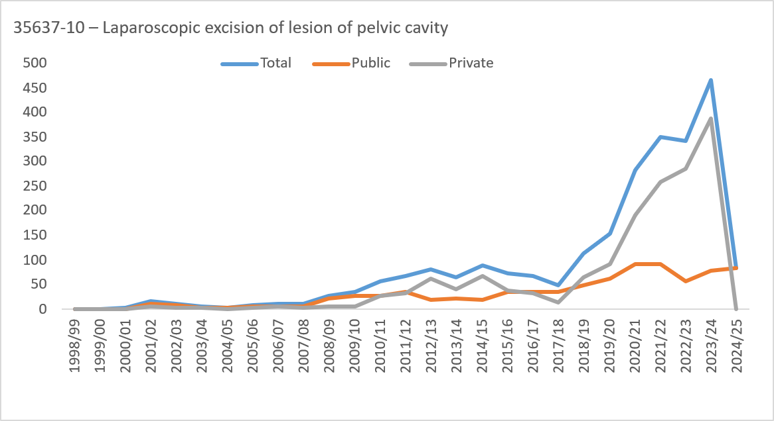
1998/99 | 0 | 0 | 0 | 0 | 0 | 0 | 0 | 0 | 0 | 0 | 0 | 0 | 0 | 0 | 0 | 0 | 0 | 0 | 0 | 0 | 0 | 0 | 0 | 0 | 0 | 0 | 0 | 0 | 0
1999/00 | 0 | 0 | 0 | 0 | 0 | 0 | 0 | 0 | 0 | 0 | 0 | 0 | 0 | 0 | 0 | 0 | 0 | 0 | 0 | 0 | 0 | 0 | 0 | 0 | 0 | 0 | 0 | 0 | 0
2000/01 | 0 | <5 | 0 | 0 | 0 | 0 | 0 | 0 | <5 | 0 | 0 | <5 | 0 | 0 | 0 | 0 | 0 | 0 | <5 | 0 | 0 | <5 | 0 | 0 | 0 | 0 | 0 | 0 | <5
2001/02 | 0 | 9 | <5 | <5 | <5 | 0 | 0 | 0 | 16 | 0 | 0 | 9 | <5 | 0 | 0 | 0 | 0 | 0 | 11 | 0 | 0 | 0 | <5 | <5 | <5 | 0 | 0 | 0 | 5
2002/03 | <5 | <5 | 5 | <5 | 0 | 0 | 0 | 0 | 11 | 0 | 0 | <5 | 5 | <5 | 0 | 0 | 0 | 0 | 9 | 0 | <5 | <5 | 0 | 0 | 0 | 0 | 0 | 0 | <5
2003/04 | 0 | <5 | <5 | 0 | 0 | 0 | 0 | 0 | 6 | 0 | 0 | <5 | <5 | 0 | 0 | 0 | 0 | 0 | <5 | 0 | 0 | <5 | <5 | 0 | 0 | 0 | 0 | 0 | <5
2004/05 | 0 | <5 | <5 | 0 | 0 | 0 | 0 | 0 | <5 | 0 | 0 | <5 | <5 | 0 | 0 | 0 | 0 | 0 | <5 | 0 | 0 | 0 | 0 | 0 | 0 | 0 | 0 | 0 | 0
2005/06 | 0 | <5 | <5 | 0 | 0 | 0 | 0 | 0 | 8 | 0 | 0 | <5 | <5 | 0 | 0 | 0 | 0 | 0 | 6 | 0 | 0 | <5 | 0 | 0 | 0 | 0 | 0 | 0 | <5
2006/07 | 0 | <5 | 7 | <5 | 0 | 0 | 0 | 0 | 12 | 0 | 0 | 0 | 5 | <5 | 0 | 0 | 0 | 0 | 6 | 0 | 0 | <5 | <5 | 0 | 0 | 0 | 0 | 0 | 6
2007/08 | 0 | 7 | <5 | <5 | 0 | 0 | 0 | 0 | 11 | 0 | 0 | 5 | <5 | <5 | 0 | 0 | 0 | 0 | 7 | 0 | 0 | <5 | <5 | <5 | 0 | 0 | 0 | 0 | <5
2008/09 | <5 | 8 | 15 | <5 | 0 | 0 | 0 | 0 | 28 | 0 | <5 | 7 | 12 | 0 | 0 | 0 | 0 | 0 | 22 | 0 | 0 | <5 | <5 | <5 | 0 | 0 | 0 | 0 | 6
2009/10 | <5 | 14 | 14 | <5 | 0 | 0 | 0 | 0 | 35 | 0 | <5 | 12 | 11 | <5 | 0 | 0 | 0 | 0 | 28 | 0 | <5 | <5 | <5 | <5 | 0 | 0 | 0 | 0 | 7
2010/11 | 6 | 21 | 20 | 9 | 0 | 0 | 0 | 0 | 56 | 0 | <5 | 9 | 10 | 5 | 0 | 0 | 0 | 0 | 28 | 0 | <5 | 12 | 10 | <5 | 0 | 0 | 0 | 0 | 28
2011/12 | 7 | 21 | 31 | 9 | 0 | 0 | 0 | 0 | 68 | 0 | <5 | 11 | 18 | <5 | 0 | 0 | 0 | 0 | 36 | 0 | <5 | 10 | 13 | 6 | 0 | 0 | 0 | 0 | 32
2012/13 | 5 | 25 | 32 | 18 | <5 | 0 | 0 | 0 | 81 | 0 | <5 | 11 | <5 | <5 | 0 | 0 | 0 | 0 | 18 | 0 | <5 | 14 | 28 | 17 | <5 | 0 | 0 | 0 | 63
2013/14 | <5 | 22 | 27 | 10 | <5 | 0 | 0 | 0 | 64 | 0 | <5 | 13 | 5 | <5 | 0 | 0 | 0 | 0 | 22 | 0 | 0 | 9 | 22 | 9 | <5 | 0 | 0 | 0 | 42
2014/15 | <5 | 27 | 44 | 14 | 0 | 0 | 0 | 0 | 88 | 0 | <5 | 7 | 10 | <5 | 0 | 0 | 0 | 0 | 19 | 0 | <5 | 20 | 34 | 13 | 0 | 0 | 0 | 0 | 69
2015/16 | 5 | 27 | 31 | 10 | <5 | 0 | 0 | 0 | 74 | 0 | <5 | 16 | 11 | 6 | 0 | 0 | 0 | 0 | 35 | 0 | <5 | 11 | 20 | <5 | <5 | 0 | 0 | 0 | 39
2016/17 | <5 | 35 | 21 | 7 | <5 | <5 | 0 | 0 | 69 | 0 | <5 | 21 | 9 | <5 | <5 | 0 | 0 | 0 | 36 | 0 | <5 | 14 | 12 | <5 | <5 | <5 | 0 | 0 | 33
2017/18 | <5 | 25 | 15 | 7 | 0 | 0 | 0 | 0 | 49 | 0 | <5 | 21 | 9 | <5 | 0 | 0 | 0 | 0 | 35 | 0 | 0 | <5 | 6 | <5 | 0 | 0 | 0 | 0 | 14
2018/19 | <5 | 52 | 41 | 13 | <5 | 0 | <5 | 0 | 113 | 0 | <5 | 24 | 16 | 5 | 0 | 0 | <5 | 0 | 48 | 0 | <5 | 28 | 25 | 8 | <5 | 0 | 0 | 0 | 65
2019/20 | 11 | 65 | 57 | 20 | <5 | 0 | 0 | 0 | 154 | 0 | <5 | 33 | 21 | 5 | 0 | 0 | 0 | 0 | 62 | 0 | 8 | 32 | 36 | 15 | <5 | 0 | 0 | 0 | 92
2020/21 | 23 | 115 | 104 | 35 | 7 | 0 | 0 | 0 | 284 | 0 | 5 | 48 | 25 | 10 | <5 | 0 | 0 | 0 | 91 | 0 | 18 | 67 | 79 | 25 | <5 | 0 | 0 | 0 | 193
2021/22 | 36 | 154 | 113 | 43 | <5 | 0 | 0 | 0 | 350 | 0 | <5 | 42 | 33 | 10 | <5 | 0 | 0 | 0 | 91 | 0 | 33 | 112 | 80 | 33 | <5 | 0 | 0 | 0 | 259
2022/23 | 28 | 106 | 136 | 71 | <5 | 0 | 0 | 0 | 344 | 0 | 6 | 24 | 17 | 11 | 0 | 0 | 0 | 0 | 58 | 0 | 22 | 82 | 119 | 60 | <5 | 0 | 0 | 0 | 286
2023/24 | 36 | 171 | 185 | 62 | 12 | 0 | 0 | 0 | 466 | 0 | <5 | 32 | 25 | 17 | 0 | 0 | 0 | 0 | 78 | 0 | 32 | 139 | 160 | 45 | 12 | 0 | 0 | 0 | 388
2024/25 | <5 | 34 | 33 | 12 | <5 | 0 | 0 | 0 | 84 | 0 | <5 | 34 | 33 | 12 | <5 | 0 | 0 | 0 | 84 | 0 | 0 | 0 | 0 | 0 | 0 | 0 | 0 | 0 | 0
35653-07 – Laparoscopic total abdominal hysterectomy |  |  |  |  |  |  |  |  | Total |  |  |  |  |  |  |  |  |  | Public |  |  |  |  |  |  |  |  |  | Private
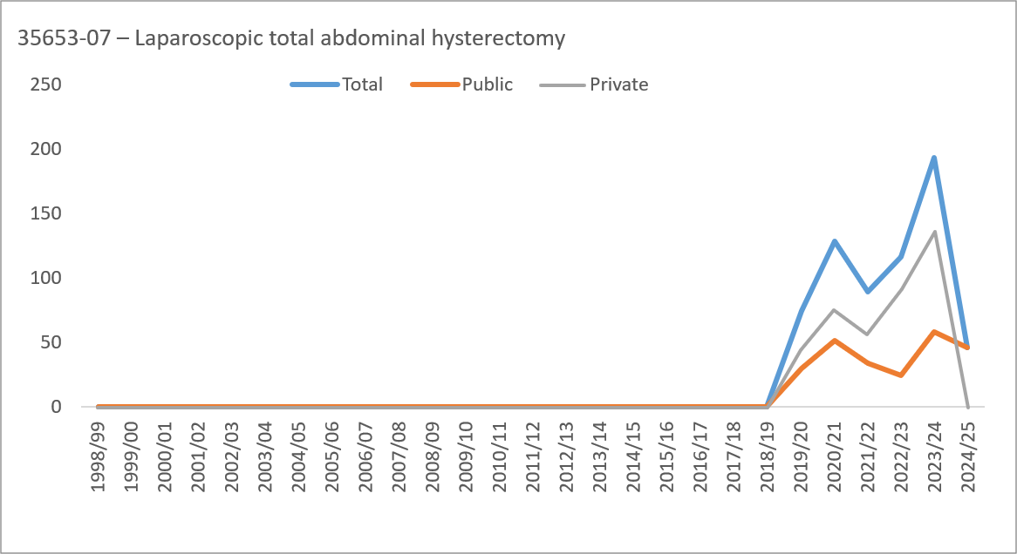
1998/99 | 0 | 0 | 0 | 0 | 0 | 0 | 0 | 0 | 0 | 0 | 0 | 0 | 0 | 0 | 0 | 0 | 0 | 0 | 0 | 0 | 0 | 0 | 0 | 0 | 0 | 0 | 0 | 0 | 0
1999/00 | 0 | 0 | 0 | 0 | 0 | 0 | 0 | 0 | 0 | 0 | 0 | 0 | 0 | 0 | 0 | 0 | 0 | 0 | 0 | 0 | 0 | 0 | 0 | 0 | 0 | 0 | 0 | 0 | 0
2000/01 | 0 | 0 | 0 | 0 | 0 | 0 | 0 | 0 | 0 | 0 | 0 | 0 | 0 | 0 | 0 | 0 | 0 | 0 | 0 | 0 | 0 | 0 | 0 | 0 | 0 | 0 | 0 | 0 | 0
2001/02 | 0 | 0 | 0 | 0 | 0 | 0 | 0 | 0 | 0 | 0 | 0 | 0 | 0 | 0 | 0 | 0 | 0 | 0 | 0 | 0 | 0 | 0 | 0 | 0 | 0 | 0 | 0 | 0 | 0
2002/03 | 0 | 0 | 0 | 0 | 0 | 0 | 0 | 0 | 0 | 0 | 0 | 0 | 0 | 0 | 0 | 0 | 0 | 0 | 0 | 0 | 0 | 0 | 0 | 0 | 0 | 0 | 0 | 0 | 0
2003/04 | 0 | 0 | 0 | 0 | 0 | 0 | 0 | 0 | 0 | 0 | 0 | 0 | 0 | 0 | 0 | 0 | 0 | 0 | 0 | 0 | 0 | 0 | 0 | 0 | 0 | 0 | 0 | 0 | 0
2004/05 | 0 | 0 | 0 | 0 | 0 | 0 | 0 | 0 | 0 | 0 | 0 | 0 | 0 | 0 | 0 | 0 | 0 | 0 | 0 | 0 | 0 | 0 | 0 | 0 | 0 | 0 | 0 | 0 | 0
2005/06 | 0 | 0 | 0 | 0 | 0 | 0 | 0 | 0 | 0 | 0 | 0 | 0 | 0 | 0 | 0 | 0 | 0 | 0 | 0 | 0 | 0 | 0 | 0 | 0 | 0 | 0 | 0 | 0 | 0
2006/07 | 0 | 0 | 0 | 0 | 0 | 0 | 0 | 0 | 0 | 0 | 0 | 0 | 0 | 0 | 0 | 0 | 0 | 0 | 0 | 0 | 0 | 0 | 0 | 0 | 0 | 0 | 0 | 0 | 0
2007/08 | 0 | 0 | 0 | 0 | 0 | 0 | 0 | 0 | 0 | 0 | 0 | 0 | 0 | 0 | 0 | 0 | 0 | 0 | 0 | 0 | 0 | 0 | 0 | 0 | 0 | 0 | 0 | 0 | 0
2008/09 | 0 | 0 | 0 | 0 | 0 | 0 | 0 | 0 | 0 | 0 | 0 | 0 | 0 | 0 | 0 | 0 | 0 | 0 | 0 | 0 | 0 | 0 | 0 | 0 | 0 | 0 | 0 | 0 | 0
2009/10 | 0 | 0 | 0 | 0 | 0 | 0 | 0 | 0 | 0 | 0 | 0 | 0 | 0 | 0 | 0 | 0 | 0 | 0 | 0 | 0 | 0 | 0 | 0 | 0 | 0 | 0 | 0 | 0 | 0
2010/11 | 0 | 0 | 0 | 0 | 0 | 0 | 0 | 0 | 0 | 0 | 0 | 0 | 0 | 0 | 0 | 0 | 0 | 0 | 0 | 0 | 0 | 0 | 0 | 0 | 0 | 0 | 0 | 0 | 0
2011/12 | 0 | 0 | 0 | 0 | 0 | 0 | 0 | 0 | 0 | 0 | 0 | 0 | 0 | 0 | 0 | 0 | 0 | 0 | 0 | 0 | 0 | 0 | 0 | 0 | 0 | 0 | 0 | 0 | 0
2012/13 | 0 | 0 | 0 | 0 | 0 | 0 | 0 | 0 | 0 | 0 | 0 | 0 | 0 | 0 | 0 | 0 | 0 | 0 | 0 | 0 | 0 | 0 | 0 | 0 | 0 | 0 | 0 | 0 | 0
2013/14 | 0 | 0 | 0 | 0 | 0 | 0 | 0 | 0 | 0 | 0 | 0 | 0 | 0 | 0 | 0 | 0 | 0 | 0 | 0 | 0 | 0 | 0 | 0 | 0 | 0 | 0 | 0 | 0 | 0
2014/15 | 0 | 0 | 0 | 0 | 0 | 0 | 0 | 0 | 0 | 0 | 0 | 0 | 0 | 0 | 0 | 0 | 0 | 0 | 0 | 0 | 0 | 0 | 0 | 0 | 0 | 0 | 0 | 0 | 0
2015/16 | 0 | 0 | 0 | 0 | 0 | 0 | 0 | 0 | 0 | 0 | 0 | 0 | 0 | 0 | 0 | 0 | 0 | 0 | 0 | 0 | 0 | 0 | 0 | 0 | 0 | 0 | 0 | 0 | 0
2016/17 | 0 | 0 | 0 | 0 | 0 | 0 | 0 | 0 | 0 | 0 | 0 | 0 | 0 | 0 | 0 | 0 | 0 | 0 | 0 | 0 | 0 | 0 | 0 | 0 | 0 | 0 | 0 | 0 | 0
2017/18 | 0 | 0 | 0 | 0 | 0 | 0 | 0 | 0 | 0 | 0 | 0 | 0 | 0 | 0 | 0 | 0 | 0 | 0 | 0 | 0 | 0 | 0 | 0 | 0 | 0 | 0 | 0 | 0 | 0
2018/19 | 0 | 0 | 0 | 0 | 0 | 0 | 0 | 0 | 0 | 0 | 0 | 0 | 0 | 0 | 0 | 0 | 0 | 0 | 0 | 0 | 0 | 0 | 0 | 0 | 0 | 0 | 0 | 0 | 0
2019/20 | 0 | <5 | 19 | 40 | 12 | <5 | <5 | 0 | 75 | 0 | 0 | 0 | 10 | 15 | <5 | 0 | <5 | 0 | 30 | 0 | 0 | <5 | 9 | 25 | 8 | <5 | 0 | 0 | 45
2020/21 | 0 | <5 | 38 | 65 | 18 | <5 | <5 | 0 | 128 | 0 | 0 | <5 | 18 | 28 | <5 | 0 | <5 | 0 | 52 | 0 | 0 | <5 | 20 | 37 | 14 | <5 | <5 | 0 | 76
2021/22 | 0 | <5 | 27 | 51 | 9 | <5 | 0 | 0 | 90 | 0 | 0 | <5 | 9 | 18 | 5 | 0 | 0 | 0 | 34 | 0 | 0 | 0 | 18 | 33 | <5 | <5 | 0 | 0 | 56
2022/23 | 0 | <5 | 24 | 74 | 17 | 0 | 0 | 0 | 116 | 0 | 0 | <5 | 6 | 15 | <5 | 0 | 0 | 0 | 25 | 0 | 0 | 0 | 18 | 59 | 14 | 0 | 0 | 0 | 91
2023/24 | 0 | <5 | 58 | 88 | 32 | 7 | <5 | <5 | 194 | 0 | 0 | <5 | 13 | 27 | 12 | <5 | <5 | <5 | 58 | 0 | 0 | <5 | 45 | 61 | 20 | 6 | <5 | 0 | 136
2024/25 | 0 | <5 | 11 | 24 | 10 | 0 | <5 | 0 | 47 | 0 | 0 | <5 | 11 | 24 | 10 | 0 | <5 | 0 | 47 | 0 | 0 | 0 | 0 | 0 | 0 | 0 | 0 | 0 | 0
35637-02 – Laparoscopic diathermy of lesion of pelvic cavity |  |  |  |  |  |  |  |  | Total |  |  |  |  |  |  |  |  |  | Public |  |  |  |  |  |  |  |  |  | Private
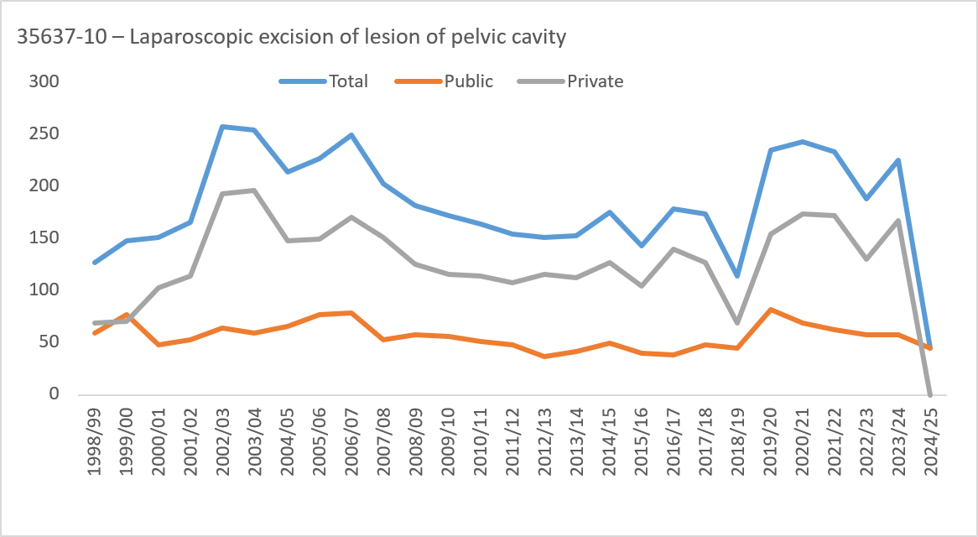
1998/99 | 6 | 50 | 57 | 14 | 0 | 0 | 0 | 0 | 127 | 0 | <5 | 28 | 23 | <5 | 0 | 0 | 0 | 0 | 59 | 0 | <5 | 22 | 34 | 10 | 0 | 0 | 0 | 0 | 68
1999/00 | 12 | 65 | 56 | 12 | <5 | 0 | 0 | 0 | 147 | 0 | <5 | 41 | 24 | 6 | <5 | 0 | 0 | 0 | 76 | 0 | 8 | 24 | 32 | 6 | <5 | 0 | 0 | 0 | 71
2000/01 | 11 | 61 | 64 | 13 | <5 | 0 | 0 | 0 | 150 | 0 | <5 | 26 | 12 | 5 | 0 | 0 | 0 | 0 | 47 | 0 | 7 | 35 | 52 | 8 | <5 | 0 | 0 | 0 | 103
2001/02 | 7 | 58 | 83 | 18 | 0 | 0 | 0 | 0 | 166 | 0 | <5 | 25 | 21 | <5 | 0 | 0 | 0 | 0 | 53 | 0 | <5 | 33 | 62 | 14 | 0 | 0 | 0 | 0 | 113
2002/03 | 6 | 86 | 126 | 39 | 0 | 0 | 0 | 0 | 257 | 0 | <5 | 30 | 26 | 7 | 0 | 0 | 0 | 0 | 64 | 0 | 5 | 56 | 100 | 32 | 0 | 0 | 0 | 0 | 193
2003/04 | 11 | 87 | 126 | 29 | <5 | 0 | 0 | 0 | 254 | 0 | <5 | 30 | 21 | 6 | 0 | 0 | 0 | 0 | 59 | 0 | 9 | 57 | 105 | 23 | <5 | 0 | 0 | 0 | 195
2004/05 | 14 | 79 | 95 | 23 | <5 | 0 | 0 | 0 | 213 | 0 | 5 | 36 | 19 | <5 | <5 | 0 | 0 | 0 | 65 | 0 | 9 | 43 | 76 | 19 | <5 | 0 | 0 | 0 | 148
2005/06 | 17 | 67 | 108 | 32 | <5 | 0 | 0 | 0 | 226 | 0 | 8 | 32 | 30 | 7 | 0 | 0 | 0 | 0 | 77 | 0 | 9 | 35 | 78 | 25 | <5 | 0 | 0 | 0 | 149
2006/07 | 11 | 81 | 132 | 24 | <5 | 0 | 0 | 0 | 249 | 0 | 5 | 34 | 31 | 8 | <5 | 0 | 0 | 0 | 79 | 0 | 6 | 47 | 101 | 16 | 0 | 0 | 0 | 0 | 170
2007/08 | 8 | 70 | 104 | 21 | 0 | 0 | 0 | 0 | 203 | 0 | <5 | 22 | 24 | <5 | 0 | 0 | 0 | 0 | 52 | 0 | 6 | 48 | 80 | 17 | 0 | 0 | 0 | 0 | 151
2008/09 | 9 | 64 | 86 | 22 | <5 | 0 | 0 | 0 | 182 | 0 | <5 | 23 | 26 | 5 | 0 | 0 | 0 | 0 | 57 | 0 | 6 | 41 | 60 | 17 | <5 | 0 | 0 | 0 | 125
2009/10 | 7 | 59 | 71 | 33 | <5 | 0 | 0 | 0 | 172 | 0 | <5 | 23 | 17 | 11 | <5 | 0 | 0 | 0 | 56 | 0 | <5 | 36 | 54 | 22 | <5 | 0 | 0 | 0 | 116
2010/11 | 8 | 45 | 77 | 29 | 5 | 0 | 0 | 0 | 164 | 0 | <5 | 21 | 18 | 9 | 0 | 0 | 0 | 0 | 51 | 0 | 5 | 24 | 59 | 20 | 5 | 0 | 0 | 0 | 113
2011/12 | 11 | 55 | 63 | 24 | 0 | <5 | 0 | 0 | 154 | 0 | <5 | 19 | 20 | 7 | 0 | 0 | 0 | 0 | 47 | 0 | 10 | 36 | 43 | 17 | 0 | <5 | 0 | 0 | 107
2012/13 | 9 | 44 | 64 | 33 | <5 | 0 | 0 | 0 | 151 | 0 | <5 | 18 | 14 | <5 | 0 | 0 | 0 | 0 | 36 | 0 | 8 | 26 | 50 | 30 | <5 | 0 | 0 | 0 | 115
2013/14 | 6 | 53 | 62 | 30 | <5 | 0 | 0 | 0 | 153 | 0 | <5 | 18 | 16 | 5 | 0 | 0 | 0 | 0 | 41 | 0 | <5 | 35 | 46 | 25 | <5 | 0 | 0 | 0 | 112
2014/15 | 8 | 60 | 75 | 30 | <5 | 0 | 0 | 0 | 175 | 0 | <5 | 22 | 18 | 7 | 0 | 0 | 0 | 0 | 49 | 0 | 6 | 38 | 57 | 23 | <5 | 0 | 0 | 0 | 126
2015/16 | 6 | 47 | 62 | 26 | <5 | <5 | 0 | 0 | 143 | 0 | <5 | 11 | 18 | 9 | 0 | 0 | 0 | 0 | 39 | 0 | 5 | 36 | 44 | 17 | <5 | <5 | 0 | 0 | 104
2016/17 | 7 | 65 | 74 | 30 | <5 | <5 | 0 | 0 | 178 | 0 | <5 | 18 | 14 | 5 | 0 | 0 | 0 | 0 | 38 | 0 | 6 | 47 | 60 | 25 | <5 | <5 | 0 | 0 | 140
2017/18 | 13 | 64 | 74 | 20 | <5 | 0 | 0 | 0 | 174 | 0 | 0 | 27 | 17 | <5 | <5 | 0 | 0 | 0 | 47 | 0 | 13 | 37 | 57 | 18 | <5 | 0 | 0 | 0 | 127
2018/19 | 8 | 41 | 45 | 18 | <5 | 0 | 0 | 0 | 114 | 0 | <5 | 18 | 18 | 5 | 0 | 0 | 0 | 0 | 45 | 0 | <5 | 23 | 27 | 13 | <5 | 0 | 0 | 0 | 69
2019/20 | 23 | 78 | 91 | 38 | 5 | 0 | 0 | 0 | 235 | 0 | <5 | 35 | 33 | 8 | <5 | 0 | 0 | 0 | 81 | 0 | 19 | 43 | 58 | 30 | <5 | 0 | 0 | 0 | 154
2020/21 | 24 | 88 | 101 | 26 | <5 | 0 | 0 | 0 | 243 | 0 | <5 | 34 | 27 | <5 | <5 | 0 | 0 | 0 | 69 | 0 | 21 | 54 | 74 | 22 | <5 | 0 | 0 | 0 | 174
2021/22 | 24 | 96 | 72 | 36 | 5 | 0 | 0 | 0 | 233 | 0 | <5 | 32 | 19 | <5 | <5 | 0 | 0 | 0 | 62 | 0 | 21 | 64 | 53 | 32 | <5 | 0 | 0 | 0 | 171
2022/23 | 14 | 60 | 75 | 35 | <5 | 0 | 0 | 0 | 187 | 0 | <5 | 27 | 23 | 6 | 0 | 0 | 0 | 0 | 57 | 0 | 13 | 33 | 52 | 29 | <5 | 0 | 0 | 0 | 130
2023/24 | 19 | 72 | 95 | 34 | 5 | 0 | 0 | 0 | 225 | 0 | <5 | 26 | 25 | <5 | <5 | 0 | 0 | 0 | 58 | 0 | 17 | 46 | 70 | 30 | <5 | 0 | 0 | 0 | 167
2024/25 | <5 | 16 | 17 | 9 | <5 | 0 | 0 | 0 | 45 | 0 | <5 | 16 | 17 | 9 | <5 | 0 | 0 | 0 | 45 | 0 | 0 | 0 | 0 | 0 | 0 | 0 | 0 | 0 | 0
35630-00 – Diagnostic hysteroscopy |  |  |  |  |  |  |  |  | Total |  |  |  |  |  |  |  |  |  | Public |  |  |  |  |  |  |  |  |  | Private
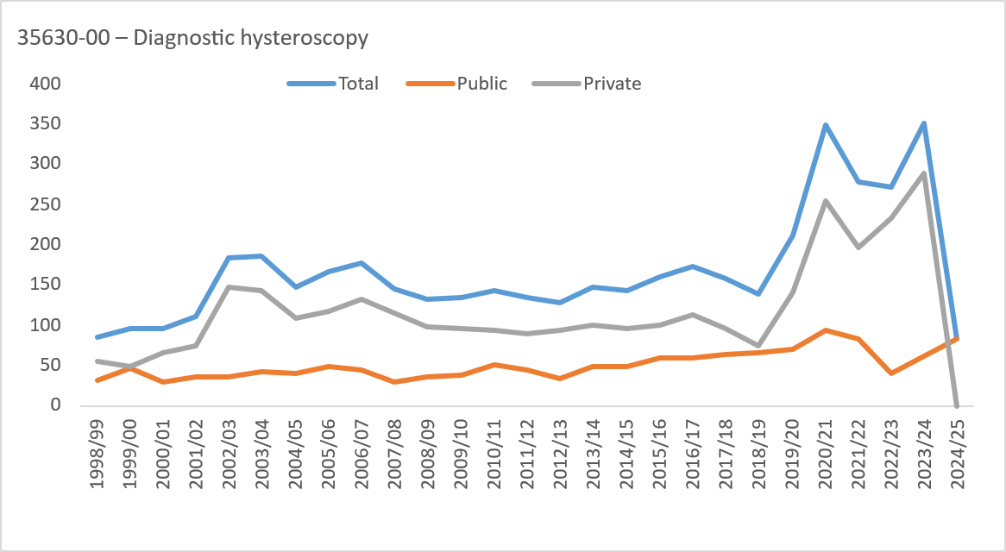
1998/99 | <5 | 23 | 36 | 20 | <5 | 0 | 0 | 0 | 85 | 0 | <5 | 10 | 13 | 6 | 0 | 0 | 0 | 0 | 31 | 0 | 0 | 13 | 23 | 14 | <5 | 0 | 0 | 0 | 54
1999/00 | <5 | 34 | 39 | 16 | <5 | <5 | 0 | 0 | 96 | 0 | <5 | 25 | 18 | <5 | 0 | 0 | 0 | 0 | 47 | 0 | <5 | 9 | 21 | 13 | <5 | <5 | 0 | 0 | 49
2000/01 | 0 | 29 | 41 | 20 | 5 | 0 | 0 | 0 | 95 | 0 | 0 | 14 | 9 | 5 | <5 | 0 | 0 | 0 | 30 | 0 | 0 | 15 | 32 | 15 | <5 | 0 | 0 | 0 | 65
2001/02 | <5 | 31 | 45 | 23 | 9 | 0 | 0 | 0 | 111 | 0 | <5 | 13 | 11 | 8 | <5 | 0 | 0 | 0 | 36 | 0 | <5 | 18 | 34 | 15 | 6 | 0 | 0 | 0 | 75
2002/03 | <5 | 48 | 91 | 37 | <5 | <5 | 0 | 0 | 184 | 0 | <5 | 14 | 14 | 6 | 0 | 0 | 0 | 0 | 36 | 0 | <5 | 34 | 77 | 31 | <5 | <5 | 0 | 0 | 148
2003/04 | <5 | 47 | 106 | 26 | <5 | 0 | 0 | 0 | 186 | 0 | 0 | 16 | 20 | <5 | <5 | 0 | 0 | 0 | 42 | 0 | <5 | 31 | 86 | 22 | <5 | 0 | 0 | 0 | 144
2004/05 | <5 | 45 | 67 | 27 | <5 | 0 | 0 | 0 | 147 | 0 | <5 | 18 | 13 | <5 | <5 | 0 | 0 | 0 | 39 | 0 | <5 | 27 | 54 | 23 | <5 | 0 | 0 | 0 | 108
2005/06 | 5 | 45 | 76 | 32 | 7 | <5 | 0 | 0 | 166 | 0 | <5 | 20 | 16 | 9 | <5 | 0 | 0 | 0 | 49 | 0 | <5 | 25 | 60 | 23 | 5 | <5 | 0 | 0 | 117
2006/07 | 7 | 38 | 106 | 24 | <5 | 0 | 0 | 0 | 178 | 0 | <5 | 17 | 18 | 7 | 0 | 0 | 0 | 0 | 45 | 0 | <5 | 21 | 88 | 17 | <5 | 0 | 0 | 0 | 133
2007/08 | <5 | 40 | 73 | 24 | 5 | 0 | 0 | 0 | 146 | 0 | <5 | 10 | 13 | 5 | <5 | 0 | 0 | 0 | 30 | 0 | <5 | 30 | 60 | 19 | <5 | 0 | 0 | 0 | 116
2008/09 | <5 | 34 | 62 | 30 | <5 | <5 | 0 | 0 | 133 | 0 | <5 | 16 | 15 | <5 | 0 | 0 | 0 | 0 | 36 | 0 | <5 | 18 | 47 | 26 | <5 | <5 | 0 | 0 | 97
2009/10 | <5 | 40 | 60 | 27 | <5 | <5 | 0 | 0 | 134 | 0 | 0 | 15 | 14 | 8 | 0 | <5 | 0 | 0 | 38 | 0 | <5 | 25 | 46 | 19 | <5 | 0 | 0 | 0 | 96
2010/11 | <5 | 34 | 63 | 36 | 7 | 0 | 0 | 0 | 144 | 0 | <5 | 17 | 19 | 11 | <5 | 0 | 0 | 0 | 51 | 0 | <5 | 17 | 44 | 25 | 6 | 0 | 0 | 0 | 93
2011/12 | 6 | 41 | 53 | 33 | 0 | <5 | 0 | 0 | 134 | 0 | <5 | 17 | 17 | 8 | 0 | 0 | 0 | 0 | 44 | 0 | <5 | 24 | 36 | 25 | 0 | <5 | 0 | 0 | 90
2012/13 | 6 | 23 | 56 | 39 | <5 | 0 | 0 | 0 | 128 | 0 | <5 | 14 | 15 | <5 | 0 | 0 | 0 | 0 | 34 | 0 | 5 | 9 | 41 | 35 | <5 | 0 | 0 | 0 | 94
2013/14 | <5 | 50 | 56 | 37 | <5 | 0 | 0 | 0 | 148 | 0 | <5 | 22 | 14 | 11 | 0 | 0 | 0 | 0 | 48 | 0 | <5 | 28 | 42 | 26 | <5 | 0 | 0 | 0 | 100
2014/15 | 5 | 40 | 78 | 17 | <5 | <5 | 0 | 0 | 144 | 0 | <5 | 15 | 24 | 6 | 0 | 0 | 0 | 0 | 49 | 0 | <5 | 25 | 54 | 11 | <5 | <5 | 0 | 0 | 95
2015/16 | 6 | 46 | 67 | 36 | <5 | <5 | 0 | 0 | 160 | 0 | <5 | 20 | 19 | 17 | <5 | 0 | 0 | 0 | 60 | 0 | <5 | 26 | 48 | 19 | <5 | <5 | 0 | 0 | 100
2016/17 | <5 | 62 | 75 | 33 | <5 | <5 | 0 | 0 | 174 | 0 | <5 | 26 | 24 | 8 | <5 | 0 | 0 | 0 | 60 | 0 | <5 | 36 | 51 | 25 | 0 | <5 | 0 | 0 | 114
2017/18 | 5 | 52 | 70 | 29 | <5 | 0 | 0 | 0 | 159 | 0 | <5 | 27 | 21 | 10 | <5 | 0 | 0 | 0 | 63 | 0 | <5 | 25 | 49 | 19 | <5 | 0 | 0 | 0 | 96
2018/19 | 6 | 54 | 56 | 21 | <5 | 0 | 0 | 0 | 139 | 0 | <5 | 28 | 25 | 9 | 0 | 0 | 0 | 0 | 65 | 0 | <5 | 26 | 31 | 12 | <5 | 0 | 0 | 0 | 74
2019/20 | 14 | 66 | 88 | 38 | 6 | 0 | 0 | 0 | 212 | 0 | <5 | 30 | 31 | 9 | 0 | 0 | 0 | 0 | 71 | 0 | 13 | 36 | 57 | 29 | 6 | 0 | 0 | 0 | 141
2020/21 | 29 | 124 | 139 | 48 | 8 | 0 | 0 | 0 | 348 | 0 | 6 | 47 | 31 | 10 | 0 | 0 | 0 | 0 | 94 | 0 | 23 | 77 | 108 | 38 | 8 | 0 | 0 | 0 | 254
2021/22 | 26 | 129 | 86 | 36 | <5 | 0 | 0 | 0 | 278 | 0 | <5 | 38 | 26 | 14 | 0 | 0 | 0 | 0 | 82 | 0 | 22 | 91 | 60 | 22 | <5 | 0 | 0 | 0 | 196
2022/23 | 20 | 76 | 117 | 48 | 11 | 0 | 0 | 0 | 272 | 0 | <5 | 17 | 13 | 6 | <5 | 0 | 0 | 0 | 39 | 0 | 18 | 59 | 104 | 42 | 10 | 0 | 0 | 0 | 233
2023/24 | 21 | 126 | 147 | 49 | 8 | 0 | 0 | 0 | 351 | 0 | <5 | 27 | 24 | 8 | <5 | 0 | 0 | 0 | 61 | 0 | 20 | 99 | 123 | 41 | 7 | 0 | 0 | 0 | 290
2024/25 | <5 | 32 | 29 | 13 | 6 | 0 | 0 | 0 | 83 | 0 | <5 | 32 | 29 | 13 | 6 | 0 | 0 | 0 | 83 | 0 | 0 | 0 | 0 | 0 | 0 | 0 | 0 | 0 | 0
35640-00 – Dilation & curettage of uterus [D&C] |  |  |  |  |  |  |  |  | Total |  |  |  |  |  |  |  |  |  | Public |  |  |  |  |  |  |  |  |  | Private
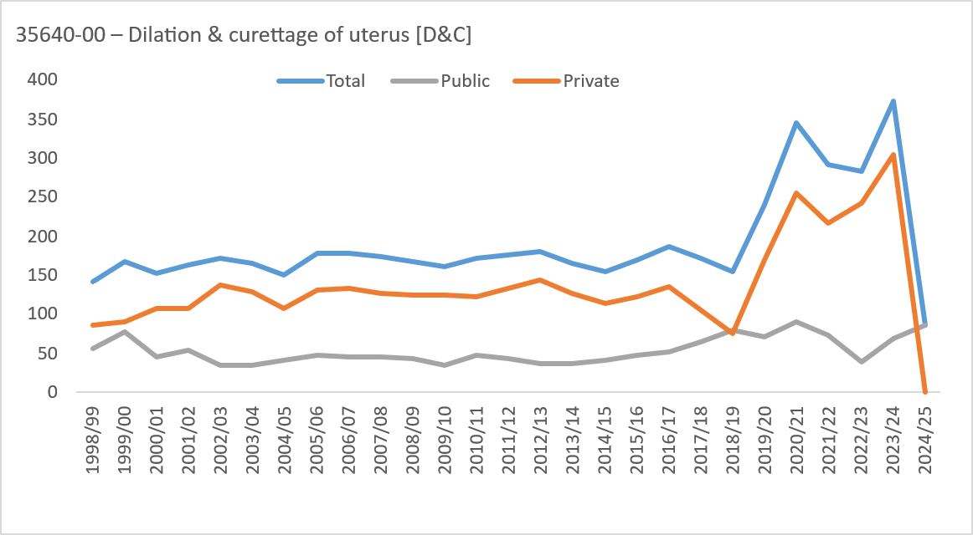
1998/99 | 7 | 43 | 56 | 31 | 5 | 0 | <5 | 0 | 143 | 0 | 5 | 19 | 23 | 9 | <5 | 0 | 0 | 0 | 57 | 0 | <5 | 24 | 33 | 22 | <5 | 0 | <5 | 0 | 86
1999/00 | 10 | 53 | 67 | 34 | <5 | <5 | 0 | 0 | 168 | 0 | <5 | 31 | 29 | 13 | 0 | 0 | 0 | 0 | 77 | 0 | 6 | 22 | 38 | 21 | <5 | <5 | 0 | 0 | 91
2000/01 | 7 | 49 | 65 | 27 | 6 | 0 | 0 | 0 | 154 | 0 | 0 | 22 | 15 | 6 | <5 | 0 | 0 | 0 | 45 | 0 | 7 | 27 | 50 | 21 | <5 | 0 | 0 | 0 | 109
2001/02 | <5 | 47 | 66 | 38 | 9 | 0 | 0 | 0 | 164 | 0 | 0 | 22 | 17 | 14 | <5 | 0 | 0 | 0 | 55 | 0 | <5 | 25 | 49 | 24 | 7 | 0 | 0 | 0 | 109
2002/03 | <5 | 52 | 66 | 46 | <5 | <5 | 0 | 0 | 173 | 0 | <5 | 12 | 14 | 7 | 0 | <5 | 0 | 0 | 35 | 0 | <5 | 40 | 52 | 39 | <5 | <5 | 0 | 0 | 138
2003/04 | 7 | 54 | 74 | 28 | <5 | 0 | 0 | 0 | 165 | 0 | <5 | 12 | 17 | 5 | <5 | 0 | 0 | 0 | 36 | 0 | 6 | 42 | 57 | 23 | <5 | 0 | 0 | 0 | 129
2004/05 | 10 | 49 | 60 | 27 | <5 | 0 | 0 | 0 | 150 | 0 | <5 | 19 | 13 | <5 | <5 | 0 | 0 | 0 | 41 | 0 | 6 | 30 | 47 | 23 | <5 | 0 | 0 | 0 | 109
2005/06 | 7 | 44 | 74 | 44 | 9 | 0 | 0 | 0 | 178 | 0 | <5 | 16 | 17 | 10 | <5 | 0 | 0 | 0 | 47 | 0 | 6 | 28 | 57 | 34 | 6 | 0 | 0 | 0 | 131
2006/07 | 5 | 46 | 86 | 37 | <5 | <5 | 0 | 0 | 179 | 0 | <5 | 16 | 18 | 9 | 0 | 0 | 0 | 0 | 45 | 0 | <5 | 30 | 68 | 28 | <5 | <5 | 0 | 0 | 134
2007/08 | 6 | 38 | 90 | 33 | 7 | 0 | 0 | 0 | 174 | 0 | <5 | 12 | 24 | 8 | <5 | 0 | 0 | 0 | 46 | 0 | 5 | 26 | 66 | 25 | 6 | 0 | 0 | 0 | 128
2008/09 | <5 | 50 | 79 | 31 | 6 | 0 | 0 | 0 | 169 | 0 | <5 | 15 | 25 | <5 | 0 | 0 | 0 | 0 | 43 | 0 | <5 | 35 | 54 | 29 | 6 | 0 | 0 | 0 | 126
2009/10 | <5 | 45 | 64 | 40 | 9 | <5 | 0 | 0 | 161 | 0 | 0 | 12 | 13 | 10 | 0 | <5 | 0 | 0 | 36 | 0 | <5 | 33 | 51 | 30 | 9 | 0 | 0 | 0 | 125
2010/11 | 5 | 39 | 79 | 42 | 6 | <5 | 0 | 0 | 172 | 0 | 0 | 17 | 21 | 10 | <5 | 0 | 0 | 0 | 49 | 0 | 5 | 22 | 58 | 32 | 5 | <5 | 0 | 0 | 123
2011/12 | 9 | 55 | 66 | 42 | <5 | <5 | 0 | 0 | 176 | 0 | <5 | 15 | 17 | 9 | 0 | 0 | 0 | 0 | 43 | 0 | 7 | 40 | 49 | 33 | <5 | <5 | 0 | 0 | 133
2012/13 | 10 | 36 | 80 | 49 | 5 | <5 | 0 | 0 | 181 | 0 | <5 | 14 | 17 | 5 | 0 | 0 | 0 | 0 | 37 | 0 | 9 | 22 | 63 | 44 | 5 | <5 | 0 | 0 | 144
2013/14 | <5 | 55 | 62 | 43 | <5 | 0 | 0 | 0 | 166 | 0 | <5 | 13 | 14 | 10 | 0 | 0 | 0 | 0 | 38 | 0 | <5 | 42 | 48 | 33 | <5 | 0 | 0 | 0 | 128
2014/15 | <5 | 36 | 87 | 26 | <5 | <5 | 0 | 0 | 156 | 0 | <5 | 10 | 20 | 11 | 0 | 0 | 0 | 0 | 42 | 0 | <5 | 26 | 67 | 15 | <5 | <5 | 0 | 0 | 114
2015/16 | 8 | 51 | 73 | 31 | 7 | <5 | 0 | 0 | 171 | 0 | <5 | 14 | 18 | 11 | <5 | 0 | 0 | 0 | 47 | 0 | 7 | 37 | 55 | 20 | <5 | <5 | 0 | 0 | 124
2016/17 | 7 | 58 | 87 | 34 | <5 | 0 | 0 | 0 | 188 | 0 | <5 | 21 | 23 | 7 | <5 | 0 | 0 | 0 | 53 | 0 | 6 | 37 | 64 | 27 | <5 | 0 | 0 | 0 | 135
2017/18 | 6 | 52 | 76 | 33 | 5 | 0 | 0 | 0 | 172 | 0 | <5 | 25 | 25 | 11 | <5 | 0 | 0 | 0 | 65 | 0 | <5 | 27 | 51 | 22 | <5 | 0 | 0 | 0 | 107
2018/19 | 7 | 61 | 57 | 29 | <5 | <5 | 0 | 0 | 156 | 0 | <5 | 38 | 28 | 12 | 0 | 0 | 0 | 0 | 81 | 0 | <5 | 23 | 29 | 17 | <5 | <5 | 0 | 0 | 75
2019/20 | 17 | 64 | 105 | 45 | 9 | <5 | <5 | 0 | 242 | 0 | 0 | 30 | 30 | 11 | 0 | 0 | 0 | 0 | 71 | 0 | 17 | 34 | 75 | 34 | 9 | <5 | <5 | 0 | 171
2020/21 | 33 | 100 | 153 | 49 | 12 | 0 | 0 | 0 | 347 | 0 | 6 | 41 | 30 | 11 | <5 | 0 | 0 | 0 | 90 | 0 | 27 | 59 | 123 | 38 | 10 | 0 | 0 | 0 | 257
2021/22 | 27 | 123 | 81 | 54 | 7 | 0 | 0 | 0 | 292 | 0 | <5 | 35 | 16 | 17 | <5 | 0 | 0 | 0 | 74 | 0 | 24 | 88 | 65 | 37 | <5 | 0 | 0 | 0 | 218
2022/23 | 20 | 69 | 125 | 58 | 11 | 0 | 0 | 0 | 283 | 0 | <5 | 14 | 14 | 6 | <5 | 0 | 0 | 0 | 39 | 0 | 18 | 55 | 111 | 52 | 8 | 0 | 0 | 0 | 244
2023/24 | 26 | 120 | 151 | 66 | 10 | <5 | <5 | 0 | 375 | 0 | 0 | 31 | 26 | 10 | <5 | <5 | 0 | 0 | 69 | 0 | 26 | 89 | 125 | 56 | 9 | 0 | <5 | 0 | 306
2024/25 | <5 | 32 | 30 | 16 | 6 | 0 | 0 | 0 | 87 | 0 | <5 | 32 | 30 | 16 | 6 | 0 | 0 | 0 | 87 | 0 | 0 | 0 | 0 | 0 | 0 | 0 | 0 | 0 | 0
35638-04 – Laparoscopic ovarian cystectomy, unilateral |  |  |  |  |  |  |  |  | Total |  |  |  |  |  |  |  |  |  | Public |  |  |  |  |  |  |  |  |  | Private
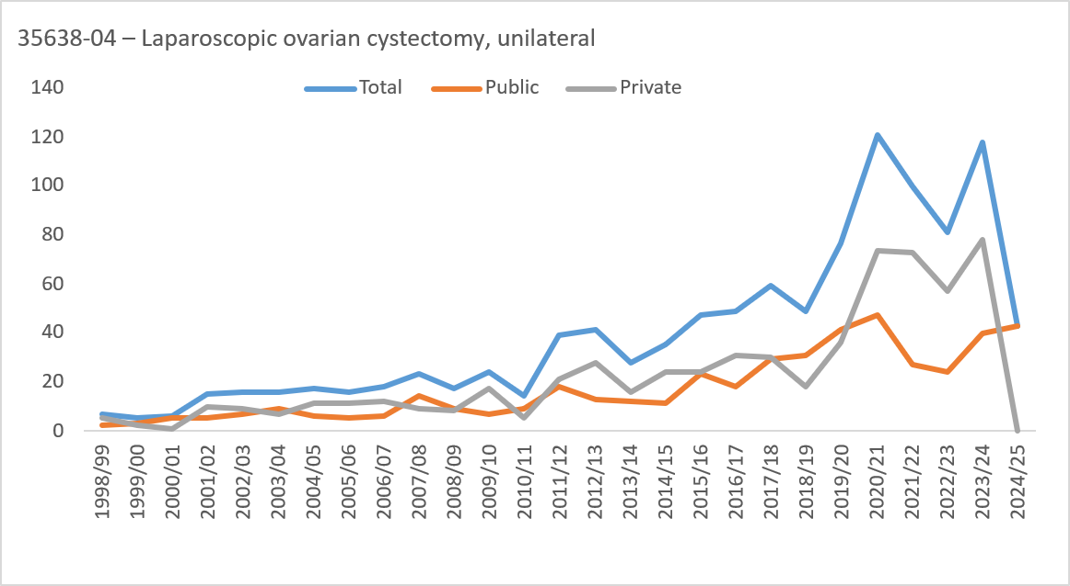
1998/99 | <5 | <5 | <5 | 0 | 0 | 0 | 0 | 0 | 7 | 0 | 0 | <5 | <5 | 0 | 0 | 0 | 0 | 0 | <5 | 0 | <5 | <5 | <5 | 0 | 0 | 0 | 0 | 0 | 5
1999/00 | 0 | <5 | <5 | <5 | 0 | 0 | 0 | 0 | 5 | 0 | 0 | <5 | <5 | 0 | 0 | 0 | 0 | 0 | <5 | 0 | 0 | 0 | <5 | <5 | 0 | 0 | 0 | 0 | <5
2000/01 | 0 | <5 | <5 | <5 | 0 | 0 | 0 | 0 | 6 | 0 | 0 | <5 | <5 | <5 | 0 | 0 | 0 | 0 | 5 | 0 | 0 | 0 | <5 | 0 | 0 | 0 | 0 | 0 | <5
2001/02 | 0 | 5 | 7 | <5 | <5 | 0 | 0 | 0 | 15 | 0 | 0 | <5 | <5 | <5 | 0 | 0 | 0 | 0 | 5 | 0 | 0 | <5 | <5 | <5 | <5 | 0 | 0 | 0 | 10
2002/03 | 0 | 6 | 8 | <5 | 0 | 0 | 0 | 0 | 16 | 0 | 0 | <5 | <5 | <5 | 0 | 0 | 0 | 0 | 7 | 0 | 0 | <5 | 5 | <5 | 0 | 0 | 0 | 0 | 9
2003/04 | 0 | 8 | <5 | <5 | 0 | 0 | 0 | 0 | 16 | 0 | 0 | 5 | <5 | <5 | 0 | 0 | 0 | 0 | 9 | 0 | 0 | <5 | <5 | <5 | 0 | 0 | 0 | 0 | 7
2004/05 | <5 | <5 | 9 | <5 | 0 | 0 | 0 | 0 | 17 | 0 | 0 | <5 | <5 | 0 | 0 | 0 | 0 | 0 | 6 | 0 | <5 | 0 | 5 | <5 | 0 | 0 | 0 | 0 | 11
2005/06 | 0 | <5 | 6 | 8 | 0 | 0 | 0 | 0 | 16 | 0 | 0 | <5 | <5 | <5 | 0 | 0 | 0 | 0 | 5 | 0 | 0 | <5 | 5 | 5 | 0 | 0 | 0 | 0 | 11
2006/07 | 0 | <5 | 9 | 5 | 0 | 0 | 0 | 0 | 18 | 0 | 0 | <5 | <5 | <5 | 0 | 0 | 0 | 0 | 6 | 0 | 0 | <5 | 5 | <5 | 0 | 0 | 0 | 0 | 12
2007/08 | <5 | 6 | 10 | 5 | <5 | 0 | 0 | 0 | 23 | 0 | <5 | <5 | 6 | <5 | 0 | 0 | 0 | 0 | 14 | 0 | 0 | <5 | <5 | <5 | <5 | 0 | 0 | 0 | 9
2008/09 | 0 | 7 | 7 | <5 | 0 | 0 | 0 | 0 | 17 | 0 | 0 | <5 | 5 | 0 | 0 | 0 | 0 | 0 | 9 | 0 | 0 | <5 | <5 | <5 | 0 | 0 | 0 | 0 | 8
2009/10 | <5 | 7 | 8 | 8 | 0 | 0 | 0 | 0 | 24 | 0 | <5 | <5 | <5 | <5 | 0 | 0 | 0 | 0 | 7 | 0 | 0 | 6 | 6 | 5 | 0 | 0 | 0 | 0 | 17
2010/11 | <5 | <5 | 7 | <5 | 0 | 0 | 0 | 0 | 14 | 0 | 0 | <5 | <5 | <5 | 0 | 0 | 0 | 0 | 9 | 0 | <5 | 0 | <5 | <5 | 0 | 0 | 0 | 0 | 5
2011/12 | <5 | 7 | 20 | 10 | 0 | 0 | 0 | 0 | 39 | 0 | <5 | 7 | 7 | <5 | 0 | 0 | 0 | 0 | 18 | 0 | <5 | 0 | 13 | 7 | 0 | 0 | 0 | 0 | 21
2012/13 | 0 | 10 | 21 | 9 | <5 | 0 | 0 | 0 | 41 | 0 | 0 | 6 | 6 | <5 | 0 | 0 | 0 | 0 | 13 | 0 | 0 | <5 | 15 | 8 | <5 | 0 | 0 | 0 | 28
2013/14 | 0 | 7 | 15 | 6 | 0 | 0 | 0 | 0 | 28 | 0 | 0 | 6 | <5 | <5 | 0 | 0 | 0 | 0 | 12 | 0 | 0 | <5 | 11 | <5 | 0 | 0 | 0 | 0 | 16
2014/15 | <5 | <5 | 21 | 8 | 0 | 0 | 0 | 0 | 35 | 0 | <5 | <5 | 5 | <5 | 0 | 0 | 0 | 0 | 11 | 0 | <5 | <5 | 16 | <5 | 0 | 0 | 0 | 0 | 24
2015/16 | 0 | 13 | 19 | 15 | 0 | 0 | 0 | 0 | 47 | 0 | 0 | 8 | 9 | 6 | 0 | 0 | 0 | 0 | 23 | 0 | 0 | 5 | 10 | 9 | 0 | 0 | 0 | 0 | 24
2016/17 | <5 | 15 | 25 | 8 | 0 | 0 | 0 | 0 | 49 | 0 | <5 | 6 | 8 | <5 | 0 | 0 | 0 | 0 | 18 | 0 | 0 | 9 | 17 | 5 | 0 | 0 | 0 | 0 | 31
2017/18 | 5 | 19 | 21 | 10 | <5 | 0 | 0 | 0 | 59 | 0 | <5 | 15 | 8 | <5 | <5 | 0 | 0 | 0 | 29 | 0 | <5 | <5 | 13 | 6 | <5 | 0 | 0 | 0 | 30
2018/19 | <5 | 13 | 28 | <5 | <5 | 0 | 0 | 0 | 49 | 0 | <5 | 7 | 19 | <5 | 0 | 0 | 0 | 0 | 31 | 0 | <5 | 6 | 9 | <5 | <5 | 0 | 0 | 0 | 18
2019/20 | 5 | 29 | 27 | 14 | <5 | 0 | 0 | 0 | 77 | 0 | <5 | 16 | 19 | <5 | <5 | 0 | 0 | 0 | 41 | 0 | <5 | 13 | 8 | 11 | <5 | 0 | 0 | 0 | 36
2020/21 | 8 | 31 | 50 | 29 | <5 | 0 | <5 | 0 | 121 | 0 | <5 | 15 | 19 | 10 | <5 | 0 | 0 | 0 | 47 | 0 | 7 | 16 | 31 | 19 | 0 | 0 | <5 | 0 | 74
2021/22 | 10 | 43 | 28 | 16 | <5 | 0 | 0 | 0 | 100 | 0 | <5 | 13 | 7 | <5 | <5 | 0 | 0 | 0 | 27 | 0 | 8 | 30 | 21 | 12 | <5 | 0 | 0 | 0 | 73
2022/23 | <5 | 22 | 31 | 23 | <5 | 0 | 0 | 0 | 81 | 0 | <5 | 11 | 5 | 6 | <5 | 0 | 0 | 0 | 24 | 0 | 0 | 11 | 26 | 17 | <5 | 0 | 0 | 0 | 57
2023/24 | <5 | 39 | 51 | 24 | <5 | 0 | 0 | 0 | 118 | 0 | 0 | 17 | 14 | 9 | 0 | 0 | 0 | 0 | 40 | 0 | <5 | 22 | 37 | 15 | <5 | 0 | 0 | 0 | 78
2024/25 | 0 | 15 | 18 | 9 | <5 | 0 | 0 | 0 | 43 | 0 | 0 | 15 | 18 | 9 | <5 | 0 | 0 | 0 | 43 | 0 | 0 | 0 | 0 | 0 | 0 | 0 | 0 | 0 | 0
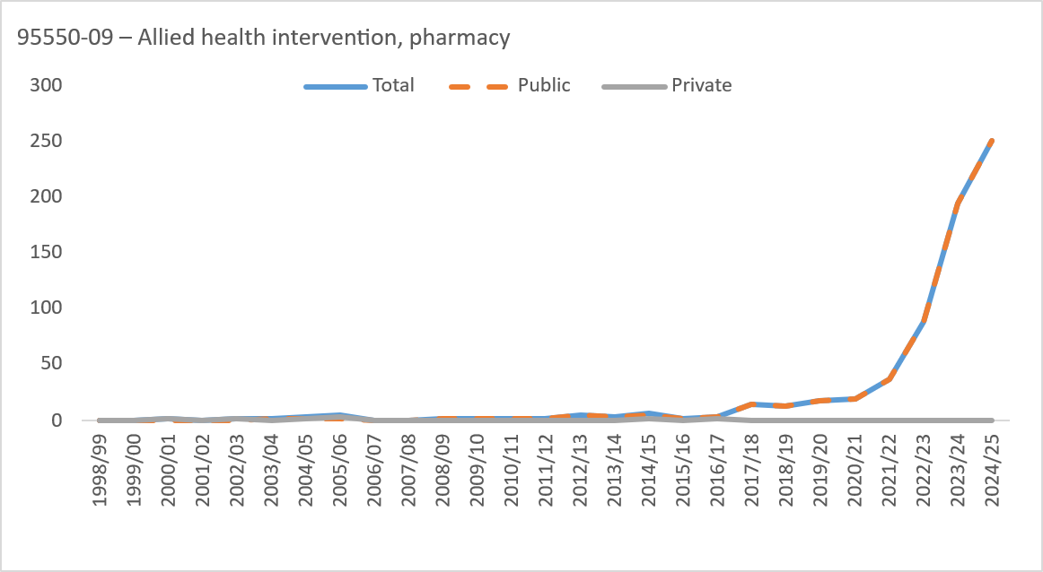
95550-09 – Allied health intervention, pharmacy |  |  |  |  |  |  |  |  | Total |  |  |  |  |  |  |  |  |  | Public |  |  |  |  |  |  |  |  |  | Private
1998/99 | 0 | 0 | 0 | 0 | 0 | 0 | 0 | 0 | 0 | 0 | 0 | 0 | 0 | 0 | 0 | 0 | 0 | 0 | 0 | 0 | 0 | 0 | 0 | 0 | 0 | 0 | 0 | 0 | 0
1999/00 | 0 | 0 | 0 | 0 | 0 | 0 | 0 | 0 | 0 | 0 | 0 | 0 | 0 | 0 | 0 | 0 | 0 | 0 | 0 | 0 | 0 | 0 | 0 | 0 | 0 | 0 | 0 | 0 | 0
2000/01 | 0 | 0 | 0 | <5 | 0 | 0 | 0 | 0 | <5 | 0 | 0 | 0 | 0 | 0 | 0 | 0 | 0 | 0 | 0 | 0 | 0 | 0 | 0 | <5 | 0 | 0 | 0 | 0 | <5
2001/02 | 0 | 0 | 0 | 0 | 0 | 0 | 0 | 0 | 0 | 0 | 0 | 0 | 0 | 0 | 0 | 0 | 0 | 0 | 0 | 0 | 0 | 0 | 0 | 0 | 0 | 0 | 0 | 0 | 0
2002/03 | 0 | 0 | 0 | <5 | 0 | 0 | 0 | 0 | <5 | 0 | 0 | 0 | 0 | 0 | 0 | 0 | 0 | 0 | 0 | 0 | 0 | 0 | 0 | <5 | 0 | 0 | 0 | 0 | <5
2003/04 | 0 | 0 | 0 | <5 | 0 | 0 | 0 | 0 | <5 | 0 | 0 | 0 | 0 | <5 | 0 | 0 | 0 | 0 | <5 | 0 | 0 | 0 | 0 | 0 | 0 | 0 | 0 | 0 | 0
2004/05 | <5 | 0 | 0 | <5 | <5 | 0 | 0 | 0 | <5 | 0 | <5 | 0 | 0 | 0 | 0 | 0 | 0 | 0 | <5 | 0 | 0 | 0 | 0 | <5 | <5 | 0 | 0 | 0 | <5
2005/06 | 0 | <5 | 0 | <5 | <5 | 0 | 0 | <5 | 5 | 0 | 0 | 0 | 0 | 0 | <5 | 0 | 0 | 0 | <5 | 0 | 0 | <5 | 0 | <5 | 0 | 0 | 0 | <5 | <5
2006/07 | 0 | 0 | 0 | 0 | 0 | 0 | 0 | 0 | 0 | 0 | 0 | 0 | 0 | 0 | 0 | 0 | 0 | 0 | 0 | 0 | 0 | 0 | 0 | 0 | 0 | 0 | 0 | 0 | 0
2007/08 | 0 | 0 | 0 | 0 | 0 | 0 | 0 | 0 | 0 | 0 | 0 | 0 | 0 | 0 | 0 | 0 | 0 | 0 | 0 | 0 | 0 | 0 | 0 | 0 | 0 | 0 | 0 | 0 | 0
2008/09 | 0 | <5 | 0 | 0 | 0 | 0 | 0 | 0 | <5 | 0 | 0 | <5 | 0 | 0 | 0 | 0 | 0 | 0 | <5 | 0 | 0 | 0 | 0 | 0 | 0 | 0 | 0 | 0 | 0
2009/10 | 0 | 0 | 0 | <5 | 0 | 0 | 0 | 0 | <5 | 0 | 0 | 0 | 0 | <5 | 0 | 0 | 0 | 0 | <5 | 0 | 0 | 0 | 0 | 0 | 0 | 0 | 0 | 0 | 0
2010/11 | <5 | 0 | 0 | <5 | 0 | 0 | 0 | 0 | <5 | 0 | <5 | 0 | 0 | <5 | 0 | 0 | 0 | 0 | <5 | 0 | 0 | 0 | 0 | 0 | 0 | 0 | 0 | 0 | 0
2011/12 | 0 | <5 | 0 | <5 | 0 | 0 | 0 | 0 | <5 | 0 | 0 | <5 | 0 | <5 | 0 | 0 | 0 | 0 | <5 | 0 | 0 | 0 | 0 | 0 | 0 | 0 | 0 | 0 | 0
2012/13 | 0 | <5 | <5 | <5 | <5 | 0 | 0 | 0 | 5 | 0 | 0 | <5 | <5 | <5 | <5 | 0 | 0 | 0 | 5 | 0 | 0 | 0 | 0 | 0 | 0 | 0 | 0 | 0 | 0
2013/14 | 0 | 0 | <5 | <5 | 0 | 0 | 0 | 0 | <5 | 0 | 0 | 0 | <5 | <5 | 0 | 0 | 0 | 0 | <5 | 0 | 0 | 0 | 0 | 0 | 0 | 0 | 0 | 0 | 0
2014/15 | <5 | <5 | <5 | <5 | 0 | 0 | 0 | 0 | 7 | 0 | <5 | <5 | <5 | 0 | 0 | 0 | 0 | 0 | 5 | 0 | 0 | 0 | 0 | <5 | 0 | 0 | 0 | 0 | <5
2015/16 | 0 | <5 | 0 | 0 | 0 | 0 | 0 | 0 | <5 | 0 | 0 | <5 | 0 | 0 | 0 | 0 | 0 | 0 | <5 | 0 | 0 | 0 | 0 | 0 | 0 | 0 | 0 | 0 | 0
2016/17 | 0 | <5 | <5 | 0 | 0 | 0 | 0 | 0 | <5 | 0 | 0 | <5 | <5 | 0 | 0 | 0 | 0 | 0 | <5 | 0 | 0 | 0 | <5 | 0 | 0 | 0 | 0 | 0 | <5
2017/18 | 0 | 7 | <5 | <5 | 0 | <5 | 0 | 0 | 15 | 0 | 0 | 7 | <5 | <5 | 0 | <5 | 0 | 0 | 15 | 0 | 0 | 0 | 0 | 0 | 0 | 0 | 0 | 0 | 0
2018/19 | <5 | <5 | <5 | <5 | <5 | 0 | <5 | 0 | 13 | 0 | <5 | <5 | <5 | <5 | <5 | 0 | <5 | 0 | 13 | 0 | 0 | 0 | 0 | 0 | 0 | 0 | 0 | 0 | 0
2019/20 | 0 | 7 | 6 | <5 | <5 | 0 | 0 | 0 | 18 | 0 | 0 | 7 | 6 | <5 | <5 | 0 | 0 | 0 | 18 | 0 | 0 | 0 | 0 | 0 | 0 | 0 | 0 | 0 | 0
2020/21 | <5 | <5 | 9 | 6 | <5 | 0 | 0 | 0 | 19 | 0 | <5 | <5 | 9 | 6 | <5 | 0 | 0 | 0 | 19 | 0 | 0 | 0 | 0 | 0 | 0 | 0 | 0 | 0 | 0
2021/22 | 0 | 17 | 9 | 9 | <5 | <5 | 0 | 0 | 37 | 0 | 0 | 17 | 9 | 9 | <5 | <5 | 0 | 0 | 37 | 0 | 0 | 0 | 0 | 0 | 0 | 0 | 0 | 0 | 0
2022/23 | <5 | 32 | 36 | 15 | <5 | <5 | 0 | 0 | 88 | 0 | <5 | 32 | 36 | 15 | <5 | <5 | 0 | 0 | 88 | 0 | 0 | 0 | 0 | 0 | 0 | 0 | 0 | 0 | 0
2023/24 | <5 | 70 | 70 | 35 | 13 | <5 | <5 | <5 | 194 | 0 | <5 | 70 | 70 | 35 | 13 | <5 | <5 | <5 | 194 | 0 | 0 | 0 | 0 | 0 | 0 | 0 | 0 | 0 | 0
2024/25 | 6 | 73 | 85 | 60 | 25 | <5 | <5 | 0 | 251 | 0 | 6 | 73 | 85 | 60 | 25 | <5 | <5 | 0 | 251 | 0 | 0 | 0 | 0 | 0 | 0 | 0 | 0 | 0 | 0
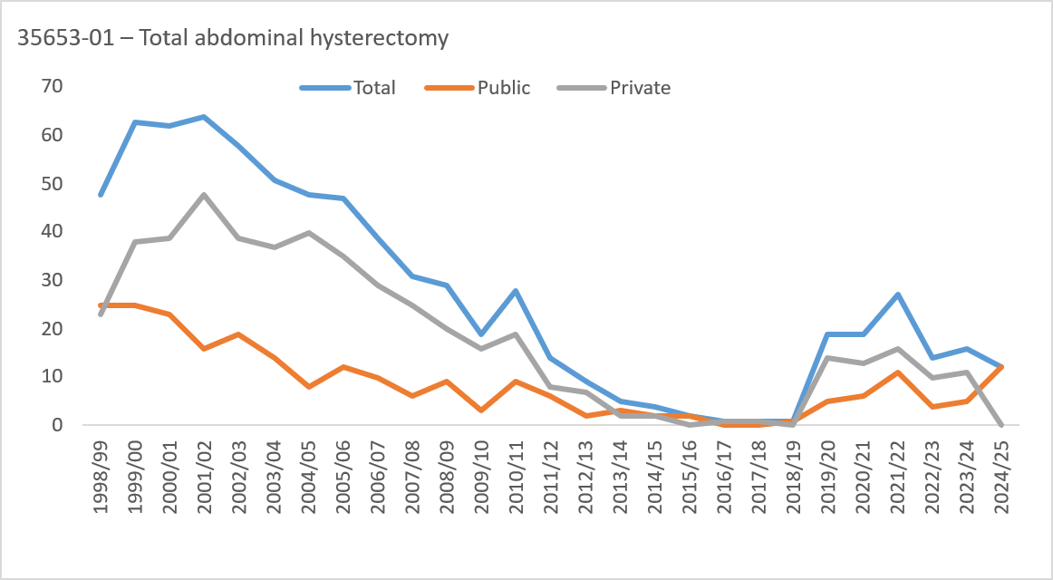
35653-01 – Total abdominal hysterectomy |  |  |  |  |  |  |  |  | Total |  |  |  |  |  |  |  |  |  | Public |  |  |  |  |  |  |  |  |  | Private
1998/99 | 0 | 0 | 10 | 29 | 9 | 0 | 0 | 0 | 48 | 0 | 0 | 0 | 9 | 12 | <5 | 0 | 0 | 0 | 25 | 0 | 0 | 0 | <5 | 17 | 5 | 0 | 0 | 0 | 23
1999/00 | 0 | 0 | 11 | 43 | 9 | 0 | 0 | 0 | 63 | 0 | 0 | 0 | <5 | 19 | <5 | 0 | 0 | 0 | 25 | 0 | 0 | 0 | 8 | 24 | 6 | 0 | 0 | 0 | 38
2000/01 | 0 | 0 | 11 | 43 | 8 | 0 | 0 | 0 | 62 | 0 | 0 | 0 | 9 | 13 | <5 | 0 | 0 | 0 | 23 | 0 | 0 | 0 | <5 | 30 | 7 | 0 | 0 | 0 | 39
2001/02 | 0 | <5 | 13 | 42 | 8 | 0 | 0 | 0 | 64 | 0 | 0 | 0 | <5 | 14 | 0 | 0 | 0 | 0 | 16 | 0 | 0 | <5 | 11 | 28 | 8 | 0 | 0 | 0 | 48
2002/03 | 0 | 0 | 16 | 34 | 6 | 0 | <5 | 0 | 58 | 0 | 0 | 0 | <5 | 12 | <5 | 0 | <5 | 0 | 19 | 0 | 0 | 0 | 12 | 22 | 5 | 0 | 0 | 0 | 39
2003/04 | 0 | <5 | 6 | 39 | 5 | 0 | 0 | 0 | 51 | 0 | 0 | 0 | <5 | 11 | 0 | 0 | 0 | 0 | 14 | 0 | 0 | <5 | <5 | 28 | 5 | 0 | 0 | 0 | 37
2004/05 | 0 | <5 | 8 | 36 | <5 | 0 | 0 | 0 | 48 | 0 | 0 | <5 | <5 | <5 | <5 | 0 | 0 | 0 | 8 | 0 | 0 | <5 | 6 | 32 | <5 | 0 | 0 | 0 | 40
2005/06 | 0 | 0 | 7 | 31 | 9 | 0 | 0 | 0 | 47 | 0 | 0 | 0 | <5 | 7 | <5 | 0 | 0 | 0 | 12 | 0 | 0 | 0 | <5 | 24 | 7 | 0 | 0 | 0 | 35
2006/07 | 0 | 0 | 8 | 27 | <5 | <5 | 0 | 0 | 39 | 0 | 0 | 0 | <5 | 6 | 0 | <5 | 0 | 0 | 10 | 0 | 0 | 0 | 5 | 21 | <5 | 0 | 0 | 0 | 29
2007/08 | 0 | 0 | <5 | 22 | 5 | 0 | 0 | 0 | 31 | 0 | 0 | 0 | 0 | <5 | <5 | 0 | 0 | 0 | 6 | 0 | 0 | 0 | <5 | 19 | <5 | 0 | 0 | 0 | 25
2008/09 | 0 | 0 | <5 | 21 | <5 | 0 | 0 | 0 | 29 | 0 | 0 | 0 | <5 | 7 | 0 | 0 | 0 | 0 | 9 | 0 | 0 | 0 | <5 | 14 | <5 | 0 | 0 | 0 | 20
2009/10 | 0 | 0 | <5 | 11 | <5 | 0 | 0 | 0 | 19 | 0 | 0 | 0 | 0 | <5 | 0 | 0 | 0 | 0 | <5 | 0 | 0 | 0 | <5 | 8 | <5 | 0 | 0 | 0 | 16
2010/11 | 0 | 0 | <5 | 25 | <5 | 0 | 0 | 0 | 28 | 0 | 0 | 0 | 0 | 7 | <5 | 0 | 0 | 0 | 9 | 0 | 0 | 0 | <5 | 18 | 0 | 0 | 0 | 0 | 19
2011/12 | 0 | <5 | <5 | 9 | <5 | 0 | 0 | 0 | 14 | 0 | 0 | <5 | <5 | <5 | 0 | 0 | 0 | 0 | 6 | 0 | 0 | 0 | 0 | 6 | <5 | 0 | 0 | 0 | 8
2012/13 | 0 | 0 | <5 | 8 | 0 | 0 | 0 | 0 | 9 | 0 | 0 | 0 | 0 | <5 | 0 | 0 | 0 | 0 | <5 | 0 | 0 | 0 | <5 | 6 | 0 | 0 | 0 | 0 | 7
2013/14 | 0 | <5 | <5 | <5 | 0 | 0 | 0 | 0 | 5 | 0 | 0 | <5 | <5 | <5 | 0 | 0 | 0 | 0 | <5 | 0 | 0 | 0 | 0 | <5 | 0 | 0 | 0 | 0 | <5
2014/15 | 0 | 0 | 0 | <5 | <5 | 0 | 0 | 0 | <5 | 0 | 0 | 0 | 0 | <5 | <5 | 0 | 0 | 0 | <5 | 0 | 0 | 0 | 0 | <5 | 0 | 0 | 0 | 0 | <5
2015/16 | 0 | 0 | <5 | <5 | 0 | 0 | 0 | 0 | <5 | 0 | 0 | 0 | <5 | <5 | 0 | 0 | 0 | 0 | <5 | 0 | 0 | 0 | 0 | 0 | 0 | 0 | 0 | 0 | 0
2016/17 | 0 | 0 | 0 | <5 | 0 | 0 | 0 | 0 | <5 | 0 | 0 | 0 | 0 | 0 | 0 | 0 | 0 | 0 | 0 | 0 | 0 | 0 | 0 | <5 | 0 | 0 | 0 | 0 | <5
2017/18 | 0 | 0 | 0 | <5 | 0 | 0 | 0 | 0 | <5 | 0 | 0 | 0 | 0 | 0 | 0 | 0 | 0 | 0 | 0 | 0 | 0 | 0 | 0 | <5 | 0 | 0 | 0 | 0 | <5
2018/19 | 0 | 0 | <5 | 0 | 0 | 0 | 0 | 0 | <5 | 0 | 0 | 0 | <5 | 0 | 0 | 0 | 0 | 0 | <5 | 0 | 0 | 0 | 0 | 0 | 0 | 0 | 0 | 0 | 0
2019/20 | 0 | 0 | <5 | 12 | <5 | <5 | 0 | 0 | 19 | 0 | 0 | 0 | <5 | <5 | <5 | 0 | 0 | 0 | 5 | 0 | 0 | 0 | 0 | 10 | <5 | <5 | 0 | 0 | 14
2020/21 | <5 | 0 | <5 | 7 | 10 | 0 | 0 | 0 | 19 | 0 | 0 | 0 | 0 | <5 | <5 | 0 | 0 | 0 | 6 | 0 | <5 | 0 | <5 | <5 | 8 | 0 | 0 | 0 | 13
2021/22 | 0 | 0 | <5 | 21 | <5 | <5 | 0 | 0 | 27 | 0 | 0 | 0 | <5 | 8 | 0 | <5 | 0 | 0 | 11 | 0 | 0 | 0 | <5 | 13 | <5 | 0 | 0 | 0 | 16
2022/23 | 0 | 0 | <5 | 8 | <5 | 0 | 0 | 0 | 14 | 0 | 0 | 0 | 0 | <5 | <5 | 0 | 0 | 0 | <5 | 0 | 0 | 0 | <5 | 5 | <5 | 0 | 0 | 0 | 10
2023/24 | 0 | 0 | <5 | 11 | <5 | <5 | 0 | 0 | 16 | 0 | 0 | 0 | <5 | <5 | <5 | 0 | 0 | 0 | 5 | 0 | 0 | 0 | 0 | 8 | <5 | <5 | 0 | 0 | 11
2024/25 | 0 | 0 | <5 | <5 | <5 | <5 | 0 | 0 | 12 | 0 | 0 | 0 | <5 | <5 | <5 | <5 | 0 | 0 | 12 | 0 | 0 | 0 | 0 | 0 | 0 | 0 | 0 | 0 | 0
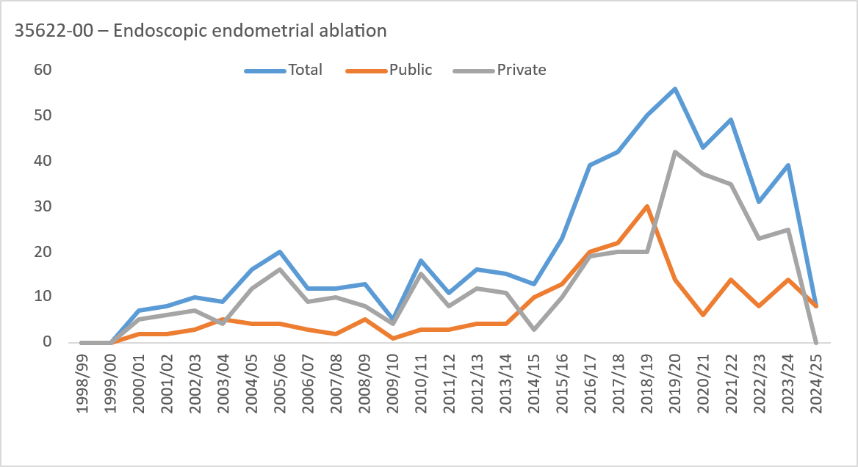
35622-00 – Endoscopic endometrial ablation |  |  |  |  |  |  |  |  | Total |  |  |  |  |  |  |  |  |  | Public |  |  |  |  |  |  |  |  |  | Private
1998/99 | 0 | 0 | 0 | 0 | 0 | 0 | 0 | 0 | 0 | 0 | 0 | 0 | 0 | 0 | 0 | 0 | 0 | 0 | 0 | 0 | 0 | 0 | 0 | 0 | 0 | 0 | 0 | 0 | 0
1999/00 | 0 | 0 | 0 | 0 | 0 | 0 | 0 | 0 | 0 | 0 | 0 | 0 | 0 | 0 | 0 | 0 | 0 | 0 | 0 | 0 | 0 | 0 | 0 | 0 | 0 | 0 | 0 | 0 | 0
2000/01 | 0 | <5 | <5 | <5 | <5 | 0 | 0 | 0 | 7 | 0 | 0 | 0 | <5 | 0 | 0 | 0 | 0 | 0 | <5 | 0 | 0 | <5 | <5 | <5 | <5 | 0 | 0 | 0 | 5
2001/02 | 0 | 0 | <5 | <5 | <5 | 0 | 0 | 0 | 8 | 0 | 0 | 0 | <5 | 0 | 0 | 0 | 0 | 0 | <5 | 0 | 0 | 0 | <5 | <5 | <5 | 0 | 0 | 0 | 6
2002/03 | 0 | <5 | <5 | 7 | 0 | 0 | 0 | 0 | 10 | 0 | 0 | <5 | <5 | 0 | 0 | 0 | 0 | 0 | <5 | 0 | 0 | 0 | 0 | 7 | 0 | 0 | 0 | 0 | 7
2003/04 | 0 | <5 | <5 | <5 | <5 | 0 | 0 | 0 | 9 | 0 | 0 | <5 | <5 | 0 | <5 | 0 | 0 | 0 | 5 | 0 | 0 | 0 | <5 | <5 | 0 | 0 | 0 | 0 | <5
2004/05 | <5 | <5 | 7 | 5 | <5 | 0 | 0 | 0 | 16 | 0 | 0 | <5 | <5 | 0 | 0 | 0 | 0 | 0 | <5 | 0 | <5 | 0 | <5 | 5 | <5 | 0 | 0 | 0 | 12
2005/06 | <5 | <5 | 6 | 11 | <5 | 0 | 0 | 0 | 20 | 0 | 0 | 0 | <5 | 0 | 0 | 0 | 0 | 0 | <5 | 0 | <5 | <5 | <5 | 11 | <5 | 0 | 0 | 0 | 16
2006/07 | 0 | <5 | 5 | 5 | 0 | 0 | 0 | 0 | 12 | 0 | 0 | <5 | <5 | <5 | 0 | 0 | 0 | 0 | <5 | 0 | 0 | <5 | <5 | <5 | 0 | 0 | 0 | 0 | 9
2007/08 | <5 | <5 | <5 | 6 | 0 | 0 | 0 | 0 | 12 | 0 | 0 | <5 | 0 | <5 | 0 | 0 | 0 | 0 | <5 | 0 | <5 | <5 | <5 | 5 | 0 | 0 | 0 | 0 | 10
2008/09 | 0 | <5 | <5 | 6 | <5 | 0 | 0 | 0 | 13 | 0 | 0 | <5 | 0 | <5 | 0 | 0 | 0 | 0 | 5 | 0 | 0 | 0 | <5 | <5 | <5 | 0 | 0 | 0 | 8
2009/10 | 0 | <5 | <5 | <5 | 0 | 0 | 0 | 0 | 5 | 0 | 0 | <5 | 0 | 0 | 0 | 0 | 0 | 0 | <5 | 0 | 0 | 0 | <5 | <5 | 0 | 0 | 0 | 0 | <5
2010/11 | 0 | <5 | <5 | 10 | <5 | 0 | 0 | 0 | 18 | 0 | 0 | <5 | 0 | <5 | 0 | 0 | 0 | 0 | <5 | 0 | 0 | 0 | <5 | 9 | <5 | 0 | 0 | 0 | 15
2011/12 | 0 | <5 | <5 | 7 | 0 | 0 | 0 | 0 | 11 | 0 | 0 | <5 | 0 | <5 | 0 | 0 | 0 | 0 | <5 | 0 | 0 | 0 | <5 | 6 | 0 | 0 | 0 | 0 | 8
2012/13 | 0 | <5 | 5 | 8 | <5 | 0 | 0 | 0 | 16 | 0 | 0 | <5 | <5 | <5 | 0 | 0 | 0 | 0 | <5 | 0 | 0 | 0 | <5 | 6 | <5 | 0 | 0 | 0 | 12
2013/14 | 0 | <5 | <5 | 10 | <5 | 0 | 0 | 0 | 15 | 0 | 0 | 0 | 0 | <5 | 0 | 0 | 0 | 0 | <5 | 0 | 0 | <5 | <5 | 6 | <5 | 0 | 0 | 0 | 11
2014/15 | <5 | <5 | 6 | <5 | 0 | 0 | 0 | 0 | 13 | 0 | <5 | <5 | 5 | <5 | 0 | 0 | 0 | 0 | 10 | 0 | 0 | 0 | <5 | <5 | 0 | 0 | 0 | 0 | <5
2015/16 | 0 | 8 | 8 | <5 | <5 | 0 | 0 | 0 | 23 | 0 | 0 | 5 | 6 | <5 | <5 | 0 | 0 | 0 | 13 | 0 | 0 | <5 | <5 | <5 | <5 | 0 | 0 | 0 | 10
2016/17 | <5 | 8 | 11 | 19 | 0 | 0 | 0 | 0 | 39 | 0 | <5 | 8 | 9 | <5 | 0 | 0 | 0 | 0 | 20 | 0 | 0 | 0 | <5 | 17 | 0 | 0 | 0 | 0 | 19
2017/18 | <5 | 8 | 21 | 8 | <5 | 0 | 0 | 0 | 42 | 0 | <5 | 7 | 9 | <5 | 0 | 0 | 0 | 0 | 22 | 0 | <5 | <5 | 12 | <5 | <5 | 0 | 0 | 0 | 20
2018/19 | 5 | 17 | 11 | 16 | <5 | 0 | 0 | 0 | 50 | 0 | <5 | 11 | 8 | 9 | <5 | 0 | 0 | 0 | 30 | 0 | <5 | 6 | <5 | 7 | 0 | 0 | 0 | 0 | 20
2019/20 | <5 | 7 | 22 | 21 | <5 | 0 | 0 | 0 | 56 | 0 | 0 | <5 | 8 | <5 | 0 | 0 | 0 | 0 | 14 | 0 | <5 | 5 | 14 | 17 | <5 | 0 | 0 | 0 | 42
2020/21 | <5 | 6 | 9 | 21 | <5 | 0 | 0 | 0 | 43 | 0 | <5 | <5 | 0 | <5 | <5 | 0 | 0 | 0 | 6 | 0 | <5 | <5 | 9 | 19 | <5 | 0 | 0 | 0 | 37
2021/22 | 0 | 9 | 12 | 23 | 5 | 0 | 0 | 0 | 49 | 0 | 0 | 6 | <5 | <5 | <5 | 0 | 0 | 0 | 14 | 0 | 0 | <5 | 9 | 19 | <5 | 0 | 0 | 0 | 35
2022/23 | <5 | <5 | 13 | 12 | 0 | 0 | 0 | 0 | 31 | 0 | <5 | <5 | <5 | <5 | 0 | 0 | 0 | 0 | 8 | 0 | <5 | 0 | 11 | 11 | 0 | 0 | 0 | 0 | 23
2023/24 | <5 | 7 | 16 | 13 | <5 | 0 | 0 | 0 | 39 | 0 | <5 | 6 | 5 | <5 | 0 | 0 | 0 | 0 | 14 | 0 | <5 | <5 | 11 | 11 | <5 | 0 | 0 | 0 | 25
2024/25 | 0 | <5 | <5 | <5 | <5 | 0 | 0 | 0 | 8 | 0 | 0 | <5 | <5 | <5 | <5 | 0 | 0 | 0 | 8 | 0 | 0 | 0 | 0 | 0 | 0 | 0 | 0 | 0 | 0
35638-10 – Laparoscopic salpingectomy, bilateral |  |  |  |  |  |  |  |  | Total |  |  |  |  |  |  |  |  |  | Public |  |  |  |  |  |  |  |  |  | Private
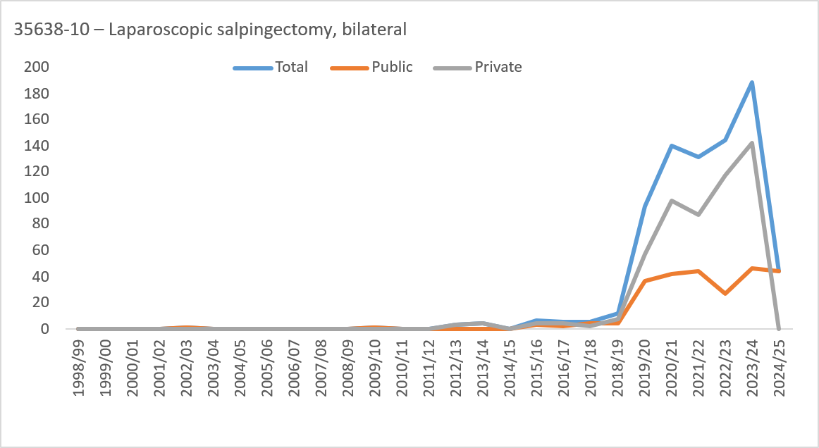
1998/99 | 0 | 0 | 0 | 0 | 0 | 0 | 0 | 0 | 0 | 0 | 0 | 0 | 0 | 0 | 0 | 0 | 0 | 0 | 0 | 0 | 0 | 0 | 0 | 0 | 0 | 0 | 0 | 0 | 0
1999/00 | 0 | 0 | 0 | 0 | 0 | 0 | 0 | 0 | 0 | 0 | 0 | 0 | 0 | 0 | 0 | 0 | 0 | 0 | 0 | 0 | 0 | 0 | 0 | 0 | 0 | 0 | 0 | 0 | 0
2000/01 | 0 | 0 | 0 | 0 | 0 | 0 | 0 | 0 | 0 | 0 | 0 | 0 | 0 | 0 | 0 | 0 | 0 | 0 | 0 | 0 | 0 | 0 | 0 | 0 | 0 | 0 | 0 | 0 | 0
2001/02 | 0 | 0 | 0 | 0 | 0 | 0 | 0 | 0 | 0 | 0 | 0 | 0 | 0 | 0 | 0 | 0 | 0 | 0 | 0 | 0 | 0 | 0 | 0 | 0 | 0 | 0 | 0 | 0 | 0
2002/03 | 0 | <5 | 0 | 0 | 0 | 0 | 0 | 0 | <5 | 0 | 0 | 0 | <5 | 0 | 0 | 0 | 0 | 0 | <5 | 0 | 0 | <5 | 0 | 0 | 0 | 0 | 0 | 0 | 0
2003/04 | 0 | 0 | 0 | 0 | 0 | 0 | 0 | 0 | 0 | 0 | 0 | 0 | 0 | 0 | 0 | 0 | 0 | 0 | 0 | 0 | 0 | 0 | 0 | 0 | 0 | 0 | 0 | 0 | 0
2004/05 | 0 | 0 | 0 | 0 | 0 | 0 | 0 | 0 | 0 | 0 | 0 | 0 | 0 | 0 | 0 | 0 | 0 | 0 | 0 | 0 | 0 | 0 | 0 | 0 | 0 | 0 | 0 | 0 | 0
2005/06 | 0 | 0 | 0 | 0 | 0 | 0 | 0 | 0 | 0 | 0 | 0 | 0 | 0 | 0 | 0 | 0 | 0 | 0 | 0 | 0 | 0 | 0 | 0 | 0 | 0 | 0 | 0 | 0 | 0
2006/07 | 0 | 0 | 0 | 0 | 0 | 0 | 0 | 0 | 0 | 0 | 0 | 0 | 0 | 0 | 0 | 0 | 0 | 0 | 0 | 0 | 0 | 0 | 0 | 0 | 0 | 0 | 0 | 0 | 0
2007/08 | 0 | 0 | 0 | 0 | 0 | 0 | 0 | 0 | 0 | 0 | 0 | 0 | 0 | 0 | 0 | 0 | 0 | 0 | 0 | 0 | 0 | 0 | 0 | 0 | 0 | 0 | 0 | 0 | 0
2008/09 | 0 | 0 | 0 | 0 | 0 | 0 | 0 | 0 | 0 | 0 | 0 | 0 | 0 | 0 | 0 | 0 | 0 | 0 | 0 | 0 | 0 | 0 | 0 | 0 | 0 | 0 | 0 | 0 | 0
2009/10 | 0 | <5 | 0 | 0 | 0 | 0 | 0 | 0 | <5 | 0 | 0 | 0 | <5 | 0 | 0 | 0 | 0 | 0 | <5 | 0 | 0 | <5 | 0 | 0 | 0 | 0 | 0 | 0 | 0
2010/11 | 0 | 0 | 0 | 0 | 0 | 0 | 0 | 0 | 0 | 0 | 0 | 0 | 0 | 0 | 0 | 0 | 0 | 0 | 0 | 0 | 0 | 0 | 0 | 0 | 0 | 0 | 0 | 0 | 0
2011/12 | 0 | 0 | 0 | 0 | 0 | 0 | 0 | 0 | 0 | 0 | 0 | 0 | 0 | 0 | 0 | 0 | 0 | 0 | 0 | 0 | 0 | 0 | 0 | 0 | 0 | 0 | 0 | 0 | 0
2012/13 | <5 | <5 | 0 | <5 | 0 | 0 | 0 | 0 | <5 | 0 | 0 | 0 | 0 | 0 | 0 | 0 | 0 | 0 | 0 | 0 | <5 | <5 | 0 | <5 | 0 | 0 | 0 | 0 | <5
2013/14 | 0 | <5 | <5 | <5 | 0 | 0 | 0 | 0 | <5 | 0 | 0 | 0 | 0 | 0 | 0 | 0 | 0 | 0 | 0 | 0 | 0 | <5 | <5 | <5 | 0 | 0 | 0 | 0 | <5
2014/15 | 0 | 0 | 0 | 0 | 0 | 0 | 0 | 0 | 0 | 0 | 0 | 0 | 0 | 0 | 0 | 0 | 0 | 0 | 0 | 0 | 0 | 0 | 0 | 0 | 0 | 0 | 0 | 0 | 0
2015/16 | 0 | <5 | <5 | <5 | 0 | 0 | 0 | 0 | 7 | 0 | 0 | 0 | <5 | <5 | 0 | 0 | 0 | 0 | <5 | 0 | 0 | <5 | <5 | 0 | 0 | 0 | 0 | 0 | <5
2016/17 | 0 | <5 | 5 | 0 | 0 | 0 | 0 | 0 | 6 | 0 | 0 | 0 | <5 | <5 | 0 | 0 | 0 | 0 | <5 | 0 | 0 | <5 | <5 | 0 | 0 | 0 | 0 | 0 | <5
2017/18 | 0 | <5 | <5 | 0 | 0 | 0 | 0 | 0 | 6 | 0 | 0 | 0 | <5 | <5 | 0 | 0 | 0 | 0 | <5 | 0 | 0 | <5 | 0 | 0 | 0 | 0 | 0 | 0 | <5
2018/19 | 0 | 5 | 7 | 0 | 0 | 0 | 0 | 0 | 12 | 0 | 0 | 0 | <5 | <5 | 0 | 0 | 0 | 0 | <5 | 0 | 0 | 5 | 5 | 0 | 0 | 0 | 0 | 0 | 8
2019/20 | <5 | 23 | 58 | 7 | <5 | 0 | 0 | 0 | 94 | 0 | 0 | <5 | 13 | 21 | <5 | 0 | 0 | 0 | 37 | 0 | <5 | 21 | 45 | 0 | <5 | 0 | 0 | 0 | 57
2020/21 | <5 | 46 | 77 | 16 | 0 | 0 | 0 | 0 | 140 | 0 | 0 | 0 | 19 | 19 | <5 | 0 | 0 | 0 | 42 | 0 | <5 | 46 | 58 | 0 | 0 | 0 | 0 | 0 | 98
2021/22 | 5 | 46 | 68 | 13 | 0 | 0 | 0 | 0 | 132 | 0 | 0 | <5 | 14 | 21 | 7 | 0 | 0 | 0 | 44 | 0 | 5 | 44 | 54 | 0 | 0 | 0 | 0 | 0 | 88
2022/23 | <5 | 43 | 81 | 18 | 0 | 0 | 0 | 0 | 145 | 0 | 0 | <5 | 6 | 15 | <5 | 0 | 0 | 0 | 27 | 0 | <5 | 40 | 75 | <5 | 0 | 0 | 0 | 0 | 118
2023/24 | 7 | 68 | 88 | 26 | 0 | 0 | 0 | 0 | 189 | 0 | 0 | <5 | 12 | 25 | 8 | 0 | 0 | 0 | 47 | 0 | 7 | 66 | 76 | <5 | 0 | 0 | 0 | 0 | 142
2024/25 | <5 | 17 | 20 | 6 | 0 | 0 | 0 | 0 | 44 | 0 | 0 | <5 | 17 | 20 | 6 | 0 | 0 | 0 | 44 | 0 | 0 | 0 | 0 | 0 | 0 | 0 | 0 | 0 | 0
35633-01 – Polypectomy of uterus via hysteroscopy |  |  |  |  |  |  |  |  | Total |  |  |  |  |  |  |  |  |  | Public |  |  |  |  |  |  |  |  |  | Private
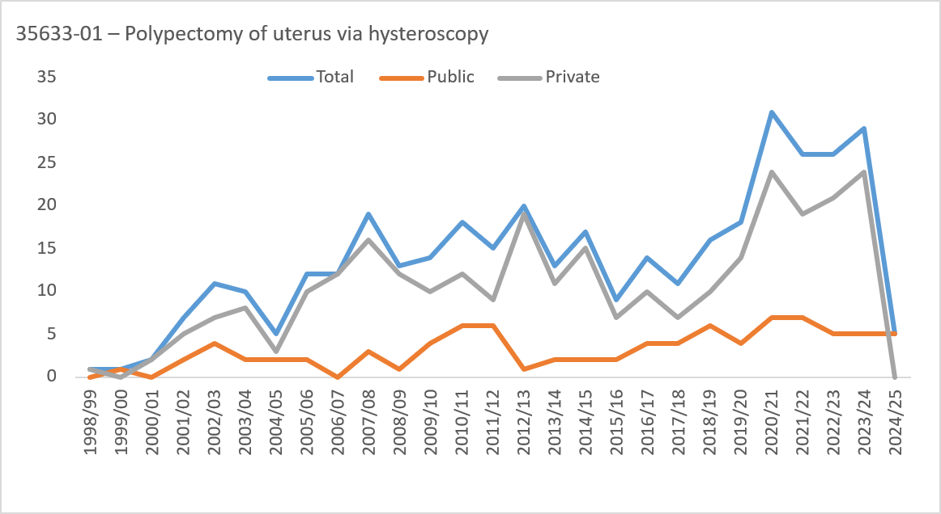
1998/99 | 0 | <5 | 0 | 0 | 0 | 0 | 0 | 0 | <5 | 0 | 0 | 0 | 0 | 0 | 0 | 0 | 0 | 0 | 0 | 0 | 0 | <5 | 0 | 0 | 0 | 0 | 0 | 0 | <5
1999/00 | 0 | 0 | <5 | 0 | 0 | 0 | 0 | 0 | <5 | 0 | 0 | 0 | <5 | 0 | 0 | 0 | 0 | 0 | <5 | 0 | 0 | 0 | 0 | 0 | 0 | 0 | 0 | 0 | 0
2000/01 | 0 | 0 | <5 | <5 | 0 | 0 | 0 | 0 | <5 | 0 | 0 | 0 | 0 | 0 | 0 | 0 | 0 | 0 | 0 | 0 | 0 | 0 | <5 | <5 | 0 | 0 | 0 | 0 | <5
2001/02 | 0 | 0 | <5 | 5 | 0 | 0 | 0 | 0 | 7 | 0 | 0 | 0 | <5 | <5 | 0 | 0 | 0 | 0 | <5 | 0 | 0 | 0 | <5 | <5 | 0 | 0 | 0 | 0 | 5
2002/03 | 0 | <5 | <5 | <5 | <5 | <5 | 0 | 0 | 11 | 0 | 0 | <5 | <5 | 0 | 0 | <5 | 0 | 0 | <5 | 0 | 0 | 0 | <5 | <5 | <5 | 0 | 0 | 0 | 7
2003/04 | 0 | 5 | <5 | <5 | 0 | 0 | 0 | 0 | 10 | 0 | 0 | <5 | <5 | 0 | 0 | 0 | 0 | 0 | <5 | 0 | 0 | <5 | <5 | <5 | 0 | 0 | 0 | 0 | 8
2004/05 | 0 | 0 | <5 | <5 | 0 | 0 | 0 | <5 | 5 | 0 | 0 | 0 | <5 | <5 | 0 | 0 | 0 | 0 | <5 | 0 | 0 | 0 | <5 | <5 | 0 | 0 | 0 | <5 | <5
2005/06 | 0 | 0 | 5 | 5 | <5 | 0 | 0 | 0 | 12 | 0 | 0 | 0 | 0 | <5 | 0 | 0 | 0 | 0 | <5 | 0 | 0 | 0 | 5 | <5 | <5 | 0 | 0 | 0 | 10
2006/07 | 0 | 0 | 5 | 6 | 0 | <5 | 0 | 0 | 12 | 0 | 0 | 0 | 0 | 0 | 0 | 0 | 0 | 0 | 0 | 0 | 0 | 0 | 5 | 6 | 0 | <5 | 0 | 0 | 12
2007/08 | 0 | 0 | 12 | 5 | <5 | 0 | 0 | 0 | 19 | 0 | 0 | 0 | <5 | <5 | 0 | 0 | 0 | 0 | <5 | 0 | 0 | 0 | 10 | <5 | <5 | 0 | 0 | 0 | 16
2008/09 | 0 | 0 | 9 | <5 | <5 | 0 | 0 | 0 | 13 | 0 | 0 | 0 | <5 | 0 | 0 | 0 | 0 | 0 | <5 | 0 | 0 | 0 | 8 | <5 | <5 | 0 | 0 | 0 | 12
2009/10 | 0 | 0 | 5 | 5 | <5 | 0 | 0 | 0 | 14 | 0 | 0 | 0 | <5 | <5 | 0 | 0 | 0 | 0 | <5 | 0 | 0 | 0 | <5 | <5 | <5 | 0 | 0 | 0 | 10
2010/11 | 0 | 0 | 8 | 10 | 0 | 0 | 0 | 0 | 18 | 0 | 0 | 0 | <5 | <5 | 0 | 0 | 0 | 0 | 6 | 0 | 0 | 0 | <5 | 8 | 0 | 0 | 0 | 0 | 12
2011/12 | 0 | <5 | 7 | 5 | <5 | 0 | 0 | 0 | 15 | 0 | 0 | <5 | <5 | <5 | 0 | 0 | 0 | 0 | 6 | 0 | 0 | 0 | <5 | <5 | <5 | 0 | 0 | 0 | 9
2012/13 | 0 | 5 | 6 | 8 | 0 | <5 | 0 | 0 | 20 | 0 | 0 | 0 | <5 | 0 | 0 | 0 | 0 | 0 | <5 | 0 | 0 | 5 | 5 | 8 | 0 | <5 | 0 | 0 | 19
2013/14 | 0 | <5 | <5 | 6 | 0 | 0 | 0 | 0 | 13 | 0 | 0 | 0 | <5 | <5 | 0 | 0 | 0 | 0 | <5 | 0 | 0 | <5 | <5 | 5 | 0 | 0 | 0 | 0 | 11
2014/15 | 0 | <5 | 12 | <5 | <5 | 0 | 0 | 0 | 17 | 0 | 0 | 0 | <5 | 0 | 0 | 0 | 0 | 0 | <5 | 0 | 0 | <5 | 10 | <5 | <5 | 0 | 0 | 0 | 15
2015/16 | <5 | <5 | <5 | <5 | 0 | 0 | 0 | 0 | 9 | 0 | 0 | 0 | <5 | 0 | 0 | 0 | 0 | 0 | <5 | 0 | <5 | <5 | <5 | <5 | 0 | 0 | 0 | 0 | 7
2016/17 | <5 | <5 | 6 | <5 | 0 | <5 | 0 | 0 | 14 | 0 | 0 | <5 | <5 | 0 | 0 | 0 | 0 | 0 | <5 | 0 | <5 | <5 | <5 | <5 | 0 | <5 | 0 | 0 | 10
2017/18 | 0 | <5 | 6 | <5 | 0 | 0 | 0 | 0 | 11 | 0 | 0 | 0 | <5 | <5 | 0 | 0 | 0 | 0 | <5 | 0 | 0 | <5 | <5 | <5 | 0 | 0 | 0 | 0 | 7
2018/19 | 0 | <5 | <5 | 5 | <5 | 0 | 0 | 0 | 16 | 0 | 0 | <5 | <5 | <5 | <5 | 0 | 0 | 0 | 6 | 0 | 0 | <5 | <5 | <5 | <5 | 0 | 0 | 0 | 10
2019/20 | <5 | <5 | 7 | 6 | <5 | 0 | 0 | 0 | 18 | 0 | 0 | 0 | <5 | <5 | 0 | 0 | 0 | 0 | <5 | 0 | <5 | <5 | <5 | 5 | <5 | 0 | 0 | 0 | 14
2020/21 | <5 | 7 | 12 | 6 | <5 | 0 | 0 | 0 | 31 | 0 | 0 | <5 | <5 | <5 | <5 | 0 | 0 | 0 | 7 | 0 | <5 | 5 | 9 | 5 | <5 | 0 | 0 | 0 | 24
2021/22 | <5 | <5 | 14 | 7 | <5 | 0 | 0 | 0 | 26 | 0 | 0 | <5 | <5 | <5 | 0 | 0 | 0 | 0 | 7 | 0 | <5 | <5 | 11 | 5 | <5 | 0 | 0 | 0 | 19
2022/23 | <5 | <5 | 11 | 7 | <5 | 0 | 0 | 0 | 26 | 0 | 0 | 0 | <5 | <5 | <5 | 0 | 0 | 0 | 5 | 0 | <5 | <5 | 9 | 6 | 0 | 0 | 0 | 0 | 21
2023/24 | <5 | <5 | 18 | 5 | <5 | 0 | 0 | 0 | 29 | 0 | 0 | <5 | <5 | <5 | 0 | 0 | 0 | 0 | 5 | 0 | <5 | <5 | 16 | <5 | <5 | 0 | 0 | 0 | 24
2024/25 | 0 | <5 | <5 | <5 | 0 | 0 | 0 | 0 | 5 | 0 | 0 | <5 | <5 | <5 | 0 | 0 | 0 | 0 | 5 | 0 | 0 | 0 | 0 | 0 | 0 | 0 | 0 | 0 | 0
35638-05 – Laparoscopic ovarian cystectomy, bilateral |  |  |  |  |  |  |  |  | Total |  |  |  |  |  |  |  |  |  | Public |  |  |  |  |  |  |  |  |  | Private
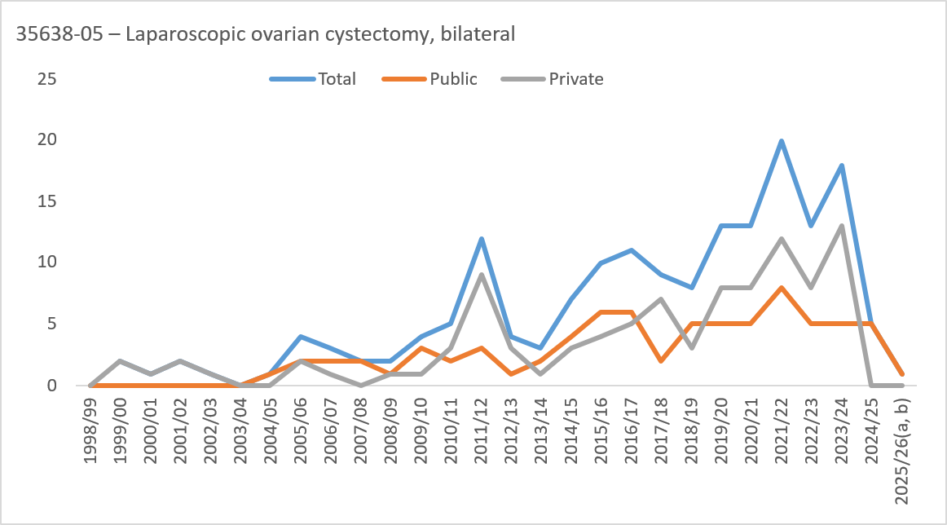
1998/99 | 0 | 0 | 0 | 0 | 0 | 0 | 0 | 0 | 0 | 0 | 0 | 0 | 0 | 0 | 0 | 0 | 0 | 0 | 0 | 0 | 0 | 0 | 0 | 0 | 0 | 0 | 0 | 0 | 0
1999/00 | 0 | 0 | <5 | <5 | 0 | 0 | 0 | 0 | <5 | 0 | 0 | 0 | 0 | 0 | 0 | 0 | 0 | 0 | 0 | 0 | 0 | 0 | <5 | <5 | 0 | 0 | 0 | 0 | <5
2000/01 | 0 | <5 | 0 | 0 | 0 | 0 | 0 | 0 | <5 | 0 | 0 | 0 | 0 | 0 | 0 | 0 | 0 | 0 | 0 | 0 | 0 | <5 | 0 | 0 | 0 | 0 | 0 | 0 | <5
2001/02 | 0 | 0 | <5 | 0 | 0 | 0 | 0 | 0 | <5 | 0 | 0 | 0 | 0 | 0 | 0 | 0 | 0 | 0 | 0 | 0 | 0 | 0 | <5 | 0 | 0 | 0 | 0 | 0 | <5
2002/03 | 0 | <5 | 0 | 0 | 0 | 0 | 0 | 0 | <5 | 0 | 0 | 0 | 0 | 0 | 0 | 0 | 0 | 0 | 0 | 0 | 0 | <5 | 0 | 0 | 0 | 0 | 0 | 0 | <5
2003/04 | 0 | 0 | 0 | 0 | 0 | 0 | 0 | 0 | 0 | 0 | 0 | 0 | 0 | 0 | 0 | 0 | 0 | 0 | 0 | 0 | 0 | 0 | 0 | 0 | 0 | 0 | 0 | 0 | 0
2004/05 | 0 | 0 | <5 | 0 | 0 | 0 | 0 | 0 | <5 | 0 | 0 | 0 | 0 | <5 | 0 | 0 | 0 | 0 | <5 | 0 | 0 | 0 | <5 | 0 | 0 | 0 | 0 | 0 | 0
2005/06 | 0 | <5 | <5 | 0 | 0 | 0 | 0 | 0 | <5 | 0 | 0 | 0 | <5 | <5 | 0 | 0 | 0 | 0 | <5 | 0 | 0 | <5 | <5 | 0 | 0 | 0 | 0 | 0 | <5
2006/07 | 0 | <5 | <5 | 0 | 0 | 0 | 0 | 0 | <5 | 0 | 0 | 0 | 0 | <5 | 0 | 0 | 0 | 0 | <5 | 0 | 0 | <5 | <5 | 0 | 0 | 0 | 0 | 0 | <5
2007/08 | 0 | <5 | <5 | 0 | 0 | 0 | 0 | 0 | <5 | 0 | 0 | 0 | <5 | <5 | 0 | 0 | 0 | 0 | <5 | 0 | 0 | <5 | 0 | 0 | 0 | 0 | 0 | 0 | 0
2008/09 | 0 | <5 | <5 | 0 | 0 | 0 | 0 | 0 | <5 | 0 | 0 | 0 | <5 | 0 | 0 | 0 | 0 | 0 | <5 | 0 | 0 | <5 | 0 | 0 | 0 | 0 | 0 | 0 | <5
2009/10 | 0 | <5 | <5 | <5 | 0 | 0 | 0 | 0 | <5 | 0 | 0 | 0 | <5 | <5 | <5 | 0 | 0 | 0 | <5 | 0 | 0 | <5 | 0 | <5 | 0 | 0 | 0 | 0 | <5
2010/11 | 0 | <5 | <5 | <5 | <5 | 0 | 0 | 0 | 5 | 0 | 0 | 0 | <5 | <5 | 0 | 0 | 0 | 0 | <5 | 0 | 0 | <5 | <5 | 0 | <5 | 0 | 0 | 0 | <5
2011/12 | 0 | <5 | 8 | <5 | 0 | 0 | 0 | 0 | 12 | 0 | 0 | 0 | <5 | <5 | 0 | 0 | 0 | 0 | <5 | 0 | 0 | <5 | 7 | <5 | 0 | 0 | 0 | 0 | 9
2012/13 | 0 | 0 | <5 | <5 | 0 | 0 | 0 | 0 | <5 | 0 | 0 | 0 | 0 | <5 | 0 | 0 | 0 | 0 | <5 | 0 | 0 | 0 | <5 | <5 | 0 | 0 | 0 | 0 | <5
2013/14 | 0 | <5 | <5 | 0 | 0 | 0 | 0 | 0 | <5 | 0 | 0 | 0 | <5 | <5 | 0 | 0 | 0 | 0 | <5 | 0 | 0 | <5 | <5 | 0 | 0 | 0 | 0 | 0 | <5
2014/15 | 0 | <5 | <5 | 0 | 0 | 0 | 0 | 0 | 7 | 0 | 0 | 0 | <5 | <5 | 0 | 0 | 0 | 0 | <5 | 0 | 0 | <5 | <5 | 0 | 0 | 0 | 0 | 0 | <5
2015/16 | <5 | <5 | 5 | <5 | 0 | 0 | 0 | 0 | 10 | 0 | 0 | <5 | <5 | <5 | <5 | 0 | 0 | 0 | 6 | 0 | <5 | 0 | <5 | 0 | 0 | 0 | 0 | 0 | <5
2016/17 | 0 | 7 | <5 | <5 | 0 | 0 | 0 | 0 | 11 | 0 | 0 | 0 | 5 | <5 | 0 | 0 | 0 | 0 | 6 | 0 | 0 | 7 | 0 | 0 | 0 | 0 | 0 | 0 | 5
2017/18 | 0 | <5 | 6 | <5 | 0 | 0 | 0 | 0 | 9 | 0 | 0 | 0 | <5 | 0 | <5 | 0 | 0 | 0 | <5 | 0 | 0 | <5 | 5 | <5 | 0 | 0 | 0 | 0 | 7
2018/19 | <5 | <5 | <5 | <5 | <5 | 0 | 0 | 0 | 8 | 0 | 0 | <5 | <5 | <5 | 0 | <5 | 0 | 0 | 5 | 0 | <5 | <5 | 0 | <5 | <5 | 0 | 0 | 0 | <5
2019/20 | 0 | 5 | 8 | 0 | 0 | 0 | 0 | 0 | 13 | 0 | 0 | 0 | <5 | <5 | 0 | 0 | 0 | 0 | 5 | 0 | 0 | 5 | 6 | 0 | 0 | 0 | 0 | 0 | 8
2020/21 | 0 | 7 | 5 | <5 | 0 | 0 | 0 | 0 | 13 | 0 | 0 | 0 | <5 | <5 | 0 | 0 | 0 | 0 | 5 | 0 | 0 | 7 | <5 | 0 | 0 | 0 | 0 | 0 | 8
2021/22 | <5 | 7 | 7 | <5 | <5 | 0 | 0 | 0 | 20 | 0 | 0 | <5 | <5 | <5 | <5 | <5 | 0 | 0 | 8 | 0 | <5 | 6 | 6 | 0 | 0 | 0 | 0 | 0 | 12
2022/23 | <5 | <5 | 6 | <5 | 0 | 0 | 0 | 0 | 13 | 0 | 0 | 0 | <5 | <5 | <5 | 0 | 0 | 0 | 5 | 0 | <5 | <5 | <5 | 0 | 0 | 0 | 0 | 0 | 8
2023/24 | <5 | 8 | 6 | <5 | 0 | 0 | 0 | 0 | 18 | 0 | 0 | <5 | <5 | <5 | <5 | 0 | 0 | 0 | 5 | 0 | <5 | 7 | <5 | <5 | 0 | 0 | 0 | 0 | 13
2024/25 | 0 | <5 | <5 | <5 | 0 | 0 | 0 | 0 | 5 | 0 | 0 | 0 | <5 | <5 | <5 | 0 | 0 | 0 | 5 | 0 | 0 | 0 | 0 | 0 | 0 | 0 | 0 | 0 | 0
30393-00 – Laparoscopic division of abdominal adhesions |  |  |  |  |  |  |  |  | Total |  |  |  |  |  |  |  |  |  | Public |  |  |  |  |  |  |  |  |  | Private
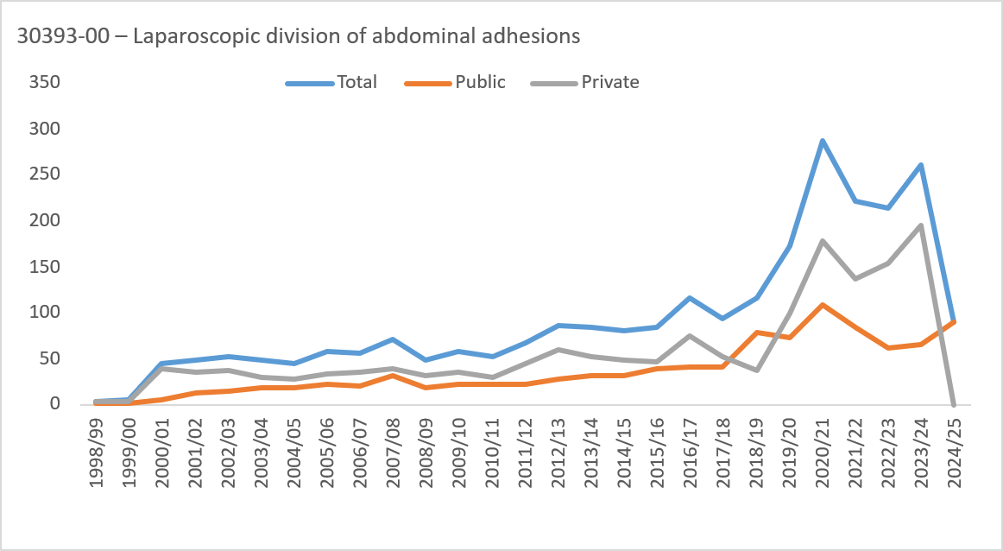
1998/99 | 0 | 0 | <5 | <5 | <5 | 0 | 0 | 0 | <5 | 0 | 0 | 0 | 0 | <5 | 0 | 0 | 0 | 0 | <5 | 0 | 0 | 0 | <5 | <5 | <5 | 0 | 0 | 0 | <5
1999/00 | 0 | 0 | <5 | <5 | 0 | 0 | 0 | 0 | 6 | 0 | 0 | 0 | <5 | 0 | 0 | 0 | 0 | 0 | <5 | 0 | 0 | 0 | <5 | <5 | 0 | 0 | 0 | 0 | <5
2000/01 | <5 | 7 | 18 | 15 | <5 | <5 | 0 | 0 | 45 | 0 | <5 | <5 | <5 | <5 | 0 | 0 | 0 | 0 | 6 | 0 | <5 | 6 | 16 | 13 | <5 | <5 | 0 | 0 | 39
2001/02 | <5 | 12 | 26 | 7 | <5 | 0 | 0 | 0 | 48 | 0 | 0 | <5 | 5 | <5 | 0 | 0 | 0 | 0 | 13 | 0 | <5 | 8 | 21 | <5 | <5 | 0 | 0 | 0 | 35
2002/03 | <5 | 15 | 24 | 10 | <5 | 0 | 0 | 0 | 52 | 0 | <5 | 6 | 6 | <5 | 0 | 0 | 0 | 0 | 15 | 0 | 0 | 9 | 18 | 8 | <5 | 0 | 0 | 0 | 37
2003/04 | <5 | 19 | 16 | 10 | <5 | <5 | 0 | 0 | 48 | 0 | 0 | 10 | 6 | <5 | 0 | 0 | 0 | 0 | 18 | 0 | <5 | 9 | 10 | 8 | <5 | <5 | 0 | 0 | 30
2004/05 | 0 | 9 | 25 | 9 | <5 | 0 | 0 | 0 | 45 | 0 | 0 | 5 | 10 | <5 | 0 | 0 | 0 | 0 | 18 | 0 | 0 | <5 | 15 | 6 | <5 | 0 | 0 | 0 | 27
2005/06 | <5 | 9 | 28 | 18 | <5 | 0 | 0 | 0 | 57 | 0 | <5 | 6 | 12 | <5 | 0 | 0 | 0 | 0 | 23 | 0 | 0 | <5 | 16 | 14 | <5 | 0 | 0 | 0 | 34
2006/07 | <5 | 11 | 25 | 16 | <5 | 0 | 0 | 0 | 56 | 0 | <5 | 5 | 6 | 7 | <5 | 0 | 0 | 0 | 21 | 0 | <5 | 6 | 19 | 9 | 0 | 0 | 0 | 0 | 35
2007/08 | 0 | 17 | 35 | 17 | <5 | 0 | 0 | 0 | 71 | 0 | 0 | 9 | 15 | 8 | 0 | 0 | 0 | 0 | 32 | 0 | 0 | 8 | 20 | 9 | <5 | 0 | 0 | 0 | 39
2008/09 | <5 | 8 | 25 | 12 | <5 | 0 | 0 | 0 | 49 | 0 | <5 | <5 | 12 | <5 | 0 | 0 | 0 | 0 | 18 | 0 | 0 | 5 | 13 | 10 | <5 | 0 | 0 | 0 | 31
2009/10 | <5 | 15 | 19 | 19 | <5 | 0 | 0 | 0 | 58 | 0 | <5 | 7 | 8 | 6 | 0 | 0 | 0 | 0 | 22 | 0 | 0 | 8 | 11 | 13 | <5 | 0 | 0 | 0 | 36
2010/11 | <5 | 15 | 20 | 12 | <5 | <5 | 0 | 0 | 52 | 0 | 0 | 7 | 9 | 7 | 0 | 0 | 0 | 0 | 23 | 0 | <5 | 8 | 11 | 5 | <5 | <5 | 0 | 0 | 29
2011/12 | <5 | 17 | 29 | 17 | <5 | 0 | 0 | 0 | 68 | 0 | 0 | 8 | 8 | 6 | <5 | 0 | 0 | 0 | 23 | 0 | <5 | 9 | 21 | 11 | <5 | 0 | 0 | 0 | 45
2012/13 | <5 | 18 | 30 | 27 | 7 | <5 | 0 | <5 | 87 | 0 | 0 | 13 | 9 | <5 | <5 | 0 | 0 | 0 | 27 | 0 | <5 | 5 | 21 | 23 | 6 | <5 | 0 | <5 | 60
2013/14 | <5 | 18 | 35 | 25 | 5 | 0 | 0 | 0 | 84 | 0 | 0 | 10 | 15 | 7 | 0 | 0 | 0 | 0 | 32 | 0 | <5 | 8 | 20 | 18 | 5 | 0 | 0 | 0 | 52
2014/15 | 0 | 21 | 38 | 19 | <5 | <5 | 0 | 0 | 80 | 0 | 0 | 9 | 17 | 6 | 0 | 0 | 0 | 0 | 32 | 0 | 0 | 12 | 21 | 13 | <5 | <5 | 0 | 0 | 48
2015/16 | <5 | 18 | 27 | 30 | 6 | <5 | 0 | 0 | 85 | 0 | <5 | 11 | 9 | 15 | <5 | 0 | 0 | 0 | 39 | 0 | <5 | 7 | 18 | 15 | <5 | <5 | 0 | 0 | 46
2016/17 | <5 | 34 | 41 | 32 | 6 | <5 | 0 | 0 | 116 | 0 | <5 | 15 | 12 | 11 | <5 | 0 | 0 | 0 | 41 | 0 | <5 | 19 | 29 | 21 | <5 | <5 | 0 | 0 | 75
2017/18 | 5 | 24 | 42 | 21 | <5 | 0 | 0 | 0 | 94 | 0 | <5 | 15 | 18 | <5 | <5 | 0 | 0 | 0 | 41 | 0 | <5 | 9 | 24 | 17 | 0 | 0 | 0 | 0 | 53
2018/19 | <5 | 37 | 42 | 26 | <5 | <5 | <5 | 0 | 116 | 0 | <5 | 31 | 28 | 16 | <5 | <5 | <5 | 0 | 79 | 0 | <5 | 6 | 14 | 10 | <5 | <5 | 0 | 0 | 37
2019/20 | 8 | 53 | 66 | 38 | 7 | <5 | 0 | 0 | 173 | 0 | <5 | 24 | 30 | 14 | <5 | <5 | 0 | 0 | 73 | 0 | 6 | 29 | 36 | 24 | 5 | 0 | 0 | 0 | 100
2020/21 | 19 | 83 | 115 | 57 | 10 | <5 | <5 | 0 | 287 | 0 | <5 | 34 | 44 | 22 | <5 | 0 | 0 | 0 | 108 | 0 | 15 | 49 | 71 | 35 | 6 | <5 | <5 | 0 | 179
2021/22 | 16 | 72 | 81 | 44 | 8 | <5 | 0 | 0 | 222 | 0 | <5 | 29 | 35 | 15 | 5 | 0 | 0 | 0 | 85 | 0 | 15 | 43 | 46 | 29 | <5 | <5 | 0 | 0 | 137
2022/23 | 14 | 47 | 83 | 59 | 9 | <5 | 0 | 0 | 214 | 0 | <5 | 22 | 21 | 14 | <5 | <5 | 0 | 0 | 61 | 0 | 12 | 25 | 62 | 45 | 8 | <5 | 0 | 0 | 153
2023/24 | 11 | 63 | 129 | 43 | 11 | <5 | <5 | 0 | 262 | 0 | <5 | 16 | 31 | 13 | <5 | <5 | <5 | 0 | 66 | 0 | 10 | 47 | 98 | 30 | 9 | <5 | <5 | 0 | 196
2024/25 | <5 | 22 | 29 | 27 | 9 | 0 | <5 | 0 | 89 | 0 | <5 | 22 | 29 | 27 | 9 | 0 | <5 | 0 | 89 | 0 | 0 | 0 | 0 | 0 | 0 | 0 | 0 | 0 | 0
35750-00 – Laparoscopically assisted vaginal hysterectomy |  |  |  |  |  |  |  |  | Total |  |  |  |  |  |  |  |  |  | Public |  |  |  |  |  |  |  |  |  | Private
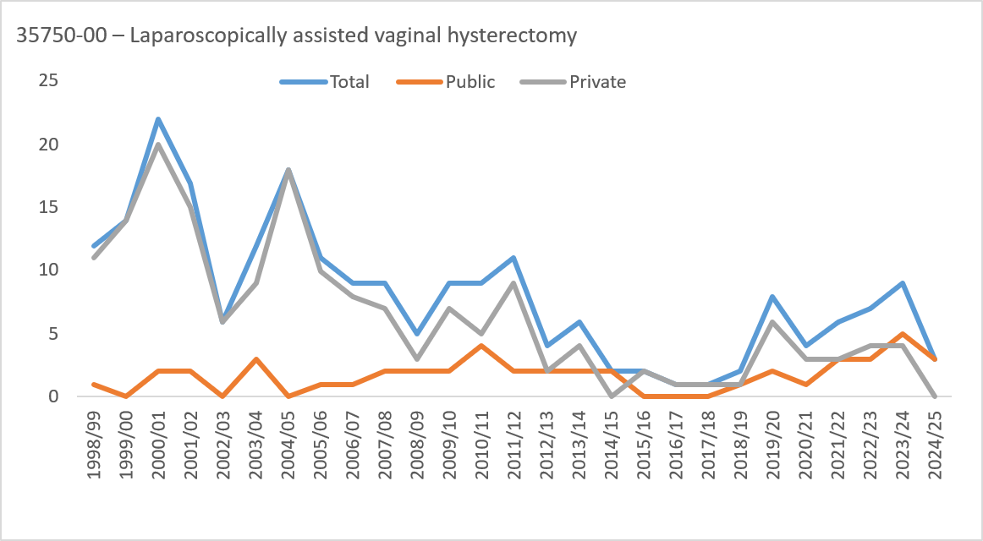
1998/99 | 0 | <5 | <5 | 9 | <5 | 0 | 0 | 0 | 12 | 0 | 0 | 0 | 0 | <5 | 0 | 0 | 0 | 0 | <5 | 0 | 0 | <5 | <5 | 8 | <5 | 0 | 0 | 0 | 11
1999/00 | 0 | 0 | <5 | 9 | <5 | 0 | 0 | 0 | 14 | 0 | 0 | 0 | 0 | 0 | 0 | 0 | 0 | 0 | 0 | 0 | 0 | 0 | <5 | 9 | <5 | 0 | 0 | 0 | 14
2000/01 | 0 | <5 | 7 | 12 | <5 | 0 | 0 | 0 | 22 | 0 | 0 | 0 | 0 | <5 | 0 | 0 | 0 | 0 | <5 | 0 | 0 | <5 | 7 | 10 | <5 | 0 | 0 | 0 | 20
2001/02 | 0 | 0 | 10 | 5 | <5 | <5 | 0 | 0 | 17 | 0 | 0 | 0 | <5 | <5 | 0 | 0 | 0 | 0 | <5 | 0 | 0 | 0 | 9 | <5 | <5 | <5 | 0 | 0 | 15
2002/03 | 0 | 0 | 0 | 6 | 0 | 0 | 0 | 0 | 6 | 0 | 0 | 0 | 0 | 0 | 0 | 0 | 0 | 0 | 0 | 0 | 0 | 0 | 0 | 6 | 0 | 0 | 0 | 0 | 6
2003/04 | 0 | 0 | <5 | 9 | <5 | 0 | 0 | 0 | 12 | 0 | 0 | 0 | 0 | <5 | 0 | 0 | 0 | 0 | <5 | 0 | 0 | 0 | <5 | 6 | <5 | 0 | 0 | 0 | 9
2004/05 | 0 | 0 | 6 | 11 | <5 | 0 | 0 | 0 | 18 | 0 | 0 | 0 | 0 | 0 | 0 | 0 | 0 | 0 | 0 | 0 | 0 | 0 | 6 | 11 | <5 | 0 | 0 | 0 | 18
2005/06 | 0 | 0 | <5 | 9 | <5 | 0 | 0 | 0 | 11 | 0 | 0 | 0 | 0 | <5 | 0 | 0 | 0 | 0 | <5 | 0 | 0 | 0 | <5 | 8 | <5 | 0 | 0 | 0 | 10
2006/07 | 0 | <5 | <5 | 5 | <5 | 0 | 0 | 0 | 9 | 0 | 0 | 0 | 0 | <5 | 0 | 0 | 0 | 0 | <5 | 0 | 0 | <5 | <5 | <5 | <5 | 0 | 0 | 0 | 8
2007/08 | 0 | 0 | <5 | 5 | <5 | 0 | 0 | 0 | 9 | 0 | 0 | 0 | 0 | <5 | 0 | 0 | 0 | 0 | <5 | 0 | 0 | 0 | <5 | <5 | <5 | 0 | 0 | 0 | 7
2008/09 | 0 | 0 | <5 | <5 | <5 | 0 | 0 | 0 | 5 | 0 | 0 | 0 | <5 | 0 | <5 | 0 | 0 | 0 | <5 | 0 | 0 | 0 | <5 | <5 | 0 | 0 | 0 | 0 | <5
2009/10 | 0 | 0 | <5 | <5 | 5 | 0 | 0 | 0 | 9 | 0 | 0 | 0 | 0 | 0 | <5 | 0 | 0 | 0 | <5 | 0 | 0 | 0 | <5 | <5 | <5 | 0 | 0 | 0 | 7
2010/11 | 0 | 0 | <5 | 6 | <5 | 0 | 0 | 0 | 9 | 0 | 0 | 0 | <5 | <5 | 0 | 0 | 0 | 0 | <5 | 0 | 0 | 0 | <5 | <5 | <5 | 0 | 0 | 0 | 5
2011/12 | 0 | 0 | <5 | 7 | <5 | 0 | 0 | 0 | 11 | 0 | 0 | 0 | <5 | 0 | 0 | 0 | 0 | 0 | <5 | 0 | 0 | 0 | <5 | 7 | <5 | 0 | 0 | 0 | 9
2012/13 | 0 | 0 | 0 | <5 | <5 | 0 | 0 | 0 | <5 | 0 | 0 | 0 | 0 | <5 | <5 | 0 | 0 | 0 | <5 | 0 | 0 | 0 | 0 | <5 | <5 | 0 | 0 | 0 | <5
2013/14 | 0 | 0 | <5 | <5 | <5 | 0 | 0 | 0 | 6 | 0 | 0 | 0 | <5 | <5 | 0 | 0 | 0 | 0 | <5 | 0 | 0 | 0 | <5 | <5 | <5 | 0 | 0 | 0 | <5
2014/15 | 0 | 0 | 0 | <5 | 0 | 0 | 0 | 0 | <5 | 0 | 0 | 0 | 0 | <5 | 0 | 0 | 0 | 0 | <5 | 0 | 0 | 0 | 0 | 0 | 0 | 0 | 0 | 0 | 0
2015/16 | 0 | 0 | 0 | <5 | 0 | 0 | 0 | 0 | <5 | 0 | 0 | 0 | 0 | 0 | 0 | 0 | 0 | 0 | 0 | 0 | 0 | 0 | 0 | <5 | 0 | 0 | 0 | 0 | <5
2016/17 | 0 | 0 | 0 | <5 | 0 | 0 | 0 | 0 | <5 | 0 | 0 | 0 | 0 | 0 | 0 | 0 | 0 | 0 | 0 | 0 | 0 | 0 | 0 | <5 | 0 | 0 | 0 | 0 | <5
2017/18 | 0 | 0 | 0 | <5 | 0 | 0 | 0 | 0 | <5 | 0 | 0 | 0 | 0 | 0 | 0 | 0 | 0 | 0 | 0 | 0 | 0 | 0 | 0 | <5 | 0 | 0 | 0 | 0 | <5
2018/19 | 0 | 0 | <5 | <5 | 0 | 0 | 0 | 0 | <5 | 0 | 0 | 0 | 0 | <5 | 0 | 0 | 0 | 0 | <5 | 0 | 0 | 0 | <5 | 0 | 0 | 0 | 0 | 0 | <5
2019/20 | 0 | 0 | <5 | <5 | 0 | <5 | <5 | 0 | 8 | 0 | 0 | 0 | <5 | <5 | 0 | 0 | 0 | 0 | <5 | 0 | 0 | 0 | 0 | <5 | 0 | <5 | <5 | 0 | 6
2020/21 | 0 | 0 | 0 | <5 | <5 | 0 | <5 | 0 | <5 | 0 | 0 | 0 | 0 | 0 | <5 | 0 | 0 | 0 | <5 | 0 | 0 | 0 | 0 | <5 | <5 | 0 | <5 | 0 | <5
2021/22 | 0 | 0 | 0 | <5 | <5 | 0 | 0 | 0 | 6 | 0 | 0 | 0 | 0 | <5 | <5 | 0 | 0 | 0 | <5 | 0 | 0 | 0 | 0 | <5 | 0 | 0 | 0 | 0 | <5
2022/23 | 0 | 0 | <5 | <5 | <5 | <5 | 0 | 0 | 7 | 0 | 0 | 0 | <5 | <5 | 0 | <5 | 0 | 0 | <5 | 0 | 0 | 0 | <5 | <5 | <5 | 0 | 0 | 0 | <5
2023/24 | 0 | 0 | 0 | <5 | 5 | 0 | <5 | 0 | 9 | 0 | 0 | 0 | 0 | <5 | <5 | 0 | <5 | 0 | 5 | 0 | 0 | 0 | 0 | <5 | <5 | 0 | 0 | 0 | <5
2024/25 | 0 | 0 | 0 | <5 | <5 | 0 | <5 | 0 | <5 | 0 | 0 | 0 | 0 | <5 | <5 | 0 | <5 | 0 | <5 | 0 | 0 | 0 | 0 | 0 | 0 | 0 | 0 | 0 | 0
35657-00 – Vaginal hysterectomy |  |  |  |  |  |  |  |  | Total |  |  |  |  |  |  |  |  |  | Public |  |  |  |  |  |  |  |  |  | Private
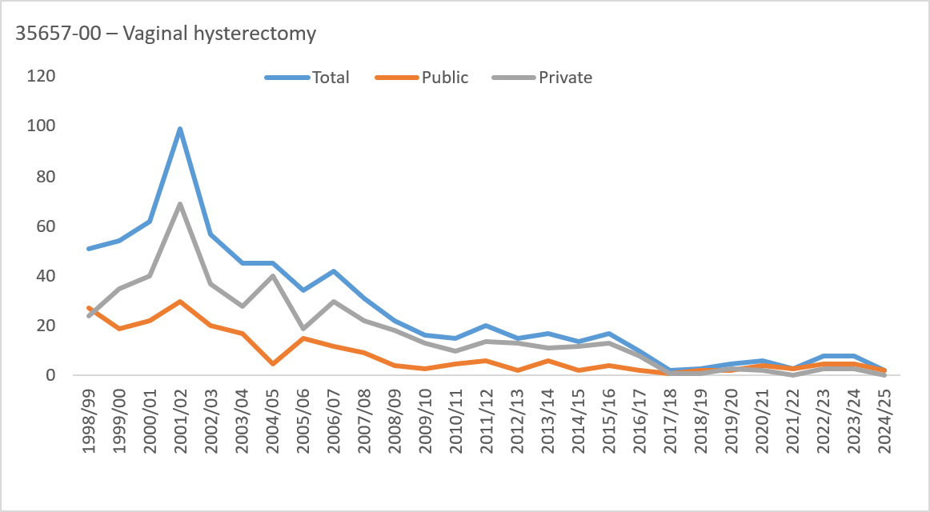
1998/99 | 0 | <5 | 6 | 20 | 10 | 8 | 5 | <5 | 51 | 0 | 0 | <5 | 5 | 11 | <5 | <5 | <5 | <5 | 27 | 0 | 0 | 0 | <5 | 9 | 6 | 5 | <5 | 0 | 24
1999/00 | 0 | 0 | 5 | 20 | 21 | <5 | <5 | <5 | 54 | 0 | 0 | 0 | <5 | 8 | 8 | 0 | <5 | 0 | 19 | 0 | 0 | 0 | <5 | 12 | 13 | <5 | <5 | <5 | 35
2000/01 | 0 | <5 | 6 | 35 | 10 | 5 | <5 | <5 | 62 | 0 | 0 | <5 | <5 | 15 | <5 | <5 | <5 | 0 | 22 | 0 | 0 | <5 | 5 | 20 | 8 | <5 | <5 | <5 | 40
2001/02 | 0 | 0 | 14 | 48 | 24 | 7 | <5 | <5 | 99 | 0 | 0 | 0 | 6 | 11 | 5 | <5 | <5 | <5 | 30 | 0 | 0 | 0 | 8 | 37 | 19 | <5 | <5 | 0 | 69
2002/03 | 0 | 0 | 7 | 22 | 18 | <5 | 5 | <5 | 57 | 0 | 0 | 0 | <5 | 9 | <5 | <5 | <5 | <5 | 20 | 0 | 0 | 0 | 5 | 13 | 15 | <5 | <5 | 0 | 37
2003/04 | 0 | 0 | <5 | 19 | 13 | 8 | <5 | <5 | 45 | 0 | 0 | 0 | 0 | 7 | 5 | <5 | 0 | <5 | 17 | 0 | 0 | 0 | <5 | 12 | 8 | <5 | <5 | 0 | 28
2004/05 | 0 | 0 | 5 | 18 | 15 | 5 | <5 | 0 | 45 | 0 | 0 | 0 | 0 | <5 | <5 | <5 | 0 | 0 | 5 | 0 | 0 | 0 | 5 | 16 | 13 | <5 | <5 | 0 | 40
2005/06 | 0 | 0 | <5 | 16 | 7 | 6 | <5 | <5 | 34 | 0 | 0 | 0 | <5 | 7 | <5 | <5 | <5 | 0 | 15 | 0 | 0 | 0 | <5 | 9 | 5 | <5 | 0 | <5 | 19
2006/07 | 0 | 0 | <5 | 25 | 6 | <5 | <5 | <5 | 42 | 0 | 0 | 0 | <5 | 9 | 0 | 0 | 0 | <5 | 12 | 0 | 0 | 0 | <5 | 16 | 6 | <5 | <5 | 0 | 30
2007/08 | 0 | 0 | <5 | 14 | 10 | <5 | <5 | 0 | 31 | 0 | 0 | 0 | 0 | <5 | <5 | <5 | <5 | 0 | 9 | 0 | 0 | 0 | <5 | 11 | 7 | <5 | 0 | 0 | 22
2008/09 | 0 | 0 | <5 | 10 | 5 | <5 | 0 | 0 | 22 | 0 | 0 | 0 | <5 | <5 | 0 | 0 | 0 | 0 | <5 | 0 | 0 | 0 | <5 | 7 | 5 | <5 | 0 | 0 | 18
2009/10 | 0 | 0 | 0 | 7 | 7 | <5 | 0 | 0 | 16 | 0 | 0 | 0 | 0 | <5 | <5 | 0 | 0 | 0 | <5 | 0 | 0 | 0 | 0 | 5 | 6 | <5 | 0 | 0 | 13
2010/11 | 0 | 0 | <5 | <5 | 7 | <5 | 0 | 0 | 15 | 0 | 0 | 0 | <5 | <5 | <5 | 0 | 0 | 0 | 5 | 0 | 0 | 0 | <5 | <5 | 5 | <5 | 0 | 0 | 10
2011/12 | 0 | 0 | <5 | 10 | <5 | <5 | 0 | <5 | 20 | 0 | 0 | 0 | 0 | <5 | <5 | 0 | 0 | 0 | 6 | 0 | 0 | 0 | <5 | 6 | 0 | <5 | 0 | <5 | 14
2012/13 | 0 | 0 | <5 | 8 | <5 | <5 | <5 | 0 | 15 | 0 | 0 | 0 | 0 | <5 | <5 | 0 | 0 | 0 | <5 | 0 | 0 | 0 | <5 | 7 | <5 | <5 | <5 | 0 | 13
2013/14 | 0 | 0 | <5 | 7 | 7 | <5 | 0 | <5 | 17 | 0 | 0 | 0 | 0 | <5 | <5 | 0 | 0 | 0 | 6 | 0 | 0 | 0 | <5 | <5 | <5 | <5 | 0 | <5 | 11
2014/15 | 0 | 0 | 0 | 6 | <5 | 5 | <5 | 0 | 14 | 0 | 0 | 0 | 0 | <5 | 0 | <5 | 0 | 0 | <5 | 0 | 0 | 0 | 0 | 5 | <5 | <5 | <5 | 0 | 12
2015/16 | 0 | 0 | 0 | 5 | 5 | <5 | <5 | 0 | 17 | 0 | 0 | 0 | 0 | <5 | 0 | <5 | <5 | 0 | <5 | 0 | 0 | 0 | 0 | <5 | 5 | <5 | <5 | 0 | 13
2016/17 | 0 | 0 | <5 | 7 | <5 | 0 | 0 | 0 | 10 | 0 | 0 | 0 | <5 | <5 | 0 | 0 | 0 | 0 | <5 | 0 | 0 | 0 | 0 | 6 | <5 | 0 | 0 | 0 | 8
2017/18 | 0 | <5 | 0 | 0 | <5 | 0 | 0 | 0 | <5 | 0 | 0 | <5 | 0 | 0 | 0 | 0 | 0 | 0 | <5 | 0 | 0 | 0 | 0 | 0 | <5 | 0 | 0 | 0 | <5
2018/19 | 0 | 0 | <5 | <5 | 0 | <5 | 0 | 0 | <5 | 0 | 0 | 0 | <5 | 0 | 0 | <5 | 0 | 0 | <5 | 0 | 0 | 0 | 0 | <5 | 0 | 0 | 0 | 0 | <5
2019/20 | 0 | <5 | <5 | <5 | 0 | <5 | 0 | 0 | 5 | 0 | 0 | <5 | 0 | 0 | 0 | <5 | 0 | 0 | <5 | 0 | 0 | 0 | <5 | <5 | 0 | 0 | 0 | 0 | <5
2020/21 | 0 | 0 | 0 | <5 | 0 | <5 | 0 | 0 | 6 | 0 | 0 | 0 | 0 | <5 | 0 | <5 | 0 | 0 | <5 | 0 | 0 | 0 | 0 | <5 | 0 | 0 | 0 | 0 | <5
2021/22 | 0 | 0 | 0 | <5 | 0 | 0 | <5 | 0 | <5 | 0 | 0 | 0 | 0 | <5 | 0 | 0 | <5 | 0 | <5 | 0 | 0 | 0 | 0 | 0 | 0 | 0 | 0 | 0 | 0
2022/23 | 0 | 0 | 0 | 6 | <5 | <5 | 0 | 0 | 8 | 0 | 0 | 0 | 0 | <5 | 0 | <5 | 0 | 0 | 5 | 0 | 0 | 0 | 0 | <5 | <5 | 0 | 0 | 0 | <5
2023/24 | 0 | 0 | 0 | <5 | <5 | <5 | <5 | 0 | 8 | 0 | 0 | 0 | 0 | <5 | <5 | 0 | 0 | 0 | 5 | 0 | 0 | 0 | 0 | <5 | 0 | <5 | <5 | 0 | <5
2024/25 | 0 | 0 | 0 | <5 | 0 | 0 | 0 | 0 | <5 | 0 | 0 | 0 | 0 | <5 | 0 | 0 | 0 | 0 | <5 | 0 | 0 | 0 | 0 | 0 | 0 | 0 | 0 | 0 | 0
Only limited private hospital data was available In 2017/18 and 2018/19.
No private hospital data was available in 2024/25.
Unless otherwise stated includes ACT and non-ACT residents.

6 - Top proced ACT only rates
Table 1: Hospital separations with a principal or additional diagnosis of endometriosis (N80) by procedure and and crude rate per 100,000 females, ACT residents only, 1998/99–2024/25
 | Public |  | Private |  | Total
 | Total | Rate per 100,000 | Total | Rate per 100,000 | Total | Rate per 100,000
35637-10 – Laparoscopic excision of lesion of pelvic cavity |  | Public |  | Private |  | Total
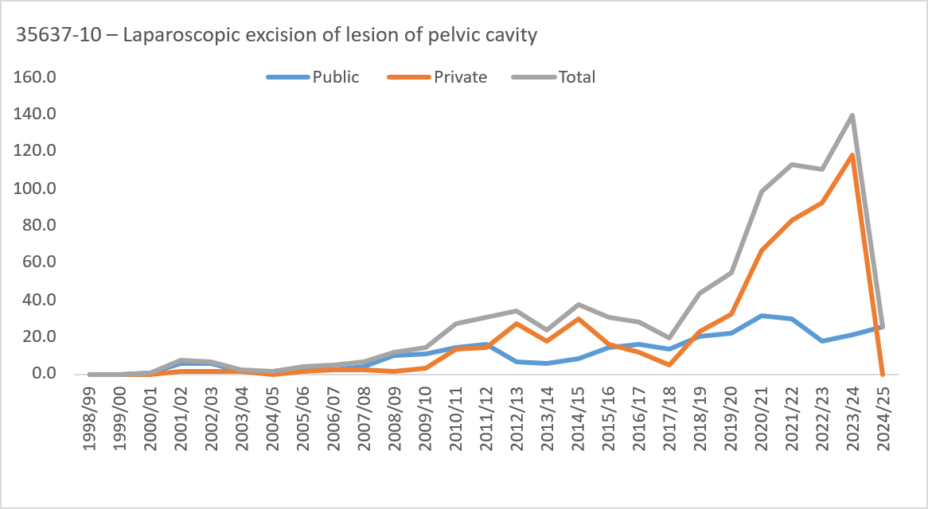
1998/99 | 0 | 0.0 | 0 | 0.0 | 0 | 0.0
1999/00 | 0 | 0.0 | 0 | 0.0 | 0 | 0.0
2000/01 | <5 | np | 0 | 0.0 | <5 | np
2001/02 | 10 | 6.1 | <5 | np | 12 | 7.4
2002/03 | 9 | 5.5 | <5 | np | 11 | 6.7
2003/04 | <5 | np | <5 | np | <5 | np
2004/05 | <5 | np | 0 | 0.0 | <5 | np
2005/06 | 5 | <5 | <5 | np | 7 | <5
2006/07 | <5 | np | <5 | np | 8 | <5
2007/08 | 7 | <5 | <5 | np | 11 | 6.4
2008/09 | 18 | 10.2 | <5 | np | 20 | 11.4
2009/10 | 20 | 11.2 | 5 | <5 | 25 | 14.0
2010/11 | 26 | 14.3 | 24 | 13.2 | 50 | 27.5
2011/12 | 29 | 15.7 | 27 | 14.6 | 56 | 30.3
2012/13 | 12 | 6.3 | 52 | 27.5 | 64 | 33.8
2013/14 | 11 | 5.7 | 34 | 17.6 | 45 | 23.3
2014/15 | 16 | 8.2 | 58 | 29.6 | 74 | 37.8
2015/16 | 29 | 14.5 | 32 | 16.0 | 61 | 30.6
2016/17 | 33 | 16.2 | 24 | 11.8 | 57 | 28.0
2017/18 | 29 | 13.8 | 11 | 5.2 | 40 | 19.1
2018/19 | 44 | 20.4 | 50 | 23.2 | 94 | 43.6
2019/20 | 49 | 22.2 | 71 | 32.2 | 120 | 54.4
2020/21 | 71 | 31.5 | 151 | 67.0 | 222 | 98.5
2021/22 | 69 | 30.1 | 190 | 82.9 | 259 | 113.0
2022/23 | 42 | 18.0 | 216 | 92.6 | 258 | 110.6
2023/24 | 50 | 20.9 | 283 | 118.6 | 333 | 139.5
2024/25 | 62 | 25.5 | 0 | 0.0 | 62 | 25.5
35653-07 – Laparoscopic total abdominal hysterectomy |  | Public |  | Private |  | Total
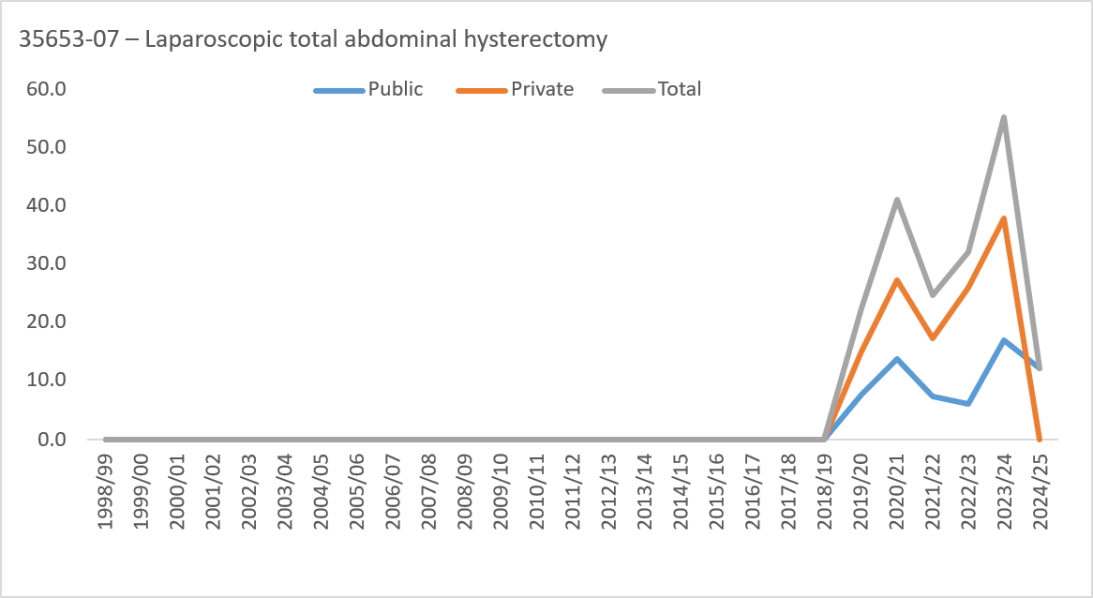
1998/99 | 0 | 0.0 | 0 | 0.0 | 0 | 0.0
1999/00 | 0 | 0.0 | 0 | 0.0 | 0 | 0.0
2000/01 | 0 | 0.0 | 0 | 0.0 | 0 | 0.0
2001/02 | 0 | 0.0 | 0 | 0.0 | 0 | 0.0
2002/03 | 0 | 0.0 | 0 | 0.0 | 0 | 0.0
2003/04 | 0 | 0.0 | 0 | 0.0 | 0 | 0.0
2004/05 | 0 | 0.0 | 0 | 0.0 | 0 | 0.0
2005/06 | 0 | 0.0 | 0 | 0.0 | 0 | 0.0
2006/07 | 0 | 0.0 | 0 | 0.0 | 0 | 0.0
2007/08 | 0 | 0.0 | 0 | 0.0 | 0 | 0.0
2008/09 | 0 | 0.0 | 0 | 0.0 | 0 | 0.0
2009/10 | 0 | 0.0 | 0 | 0.0 | 0 | 0.0
2010/11 | 0 | 0.0 | 0 | 0.0 | 0 | 0.0
2011/12 | 0 | 0.0 | 0 | 0.0 | 0 | 0.0
2012/13 | 0 | 0.0 | 0 | 0.0 | 0 | 0.0
2013/14 | 0 | 0.0 | 0 | 0.0 | 0 | 0.0
2014/15 | 0 | 0.0 | 0 | 0.0 | 0 | 0.0
2015/16 | 0 | 0.0 | 0 | 0.0 | 0 | 0.0
2016/17 | 0 | 0.0 | 0 | 0.0 | 0 | 0.0
2017/18 | 0 | 0.0 | 0 | 0.0 | 0 | 0.0
2018/19 | 0 | 0.0 | 0 | 0.0 | 0 | 0.0
2019/20 | 17 | 7.7 | 33 | 15.0 | 50 | 22.7
2020/21 | 31 | 13.8 | 62 | 27.5 | 93 | 41.3
2021/22 | 17 | 7.4 | 40 | 17.5 | 57 | 24.9
2022/23 | 14 | 6.0 | 61 | 26.1 | 75 | 32.1
2023/24 | 41 | 17.2 | 91 | 38.1 | 132 | 55.3
2024/25 | 30 | 12.3 | 0 | 0.0 | 30 | 12.3
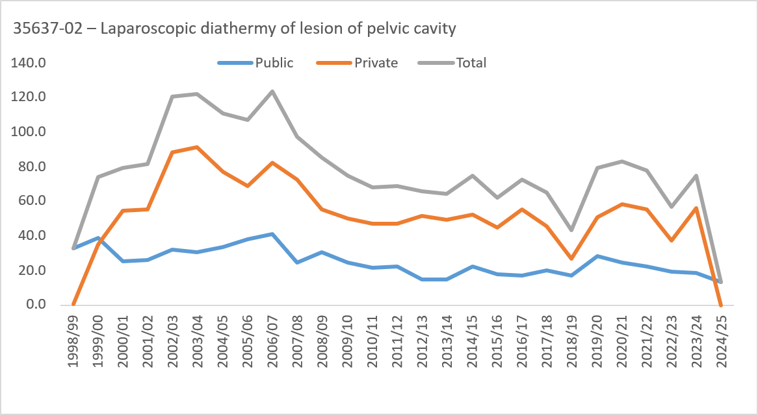
35637-02 – Laparoscopic diathermy of lesion of pelvic cavity |  | Public |  | Private |  | Total
1998/99 | 51 | 32.5 | <5 | np | 52 | 33.1
1999/00 | 61 | 38.5 | 56 | 35.3 | 117 | 73.8
2000/01 | 40 | 24.9 | 87 | 54.2 | 127 | 79.2
2001/02 | 43 | 26.4 | 90 | 55.3 | 133 | 81.7
2002/03 | 53 | 32.2 | 145 | 88.2 | 198 | 120.4
2003/04 | 51 | 30.8 | 152 | 91.7 | 203 | 122.4
2004/05 | 56 | 33.6 | 128 | 76.9 | 184 | 110.5
2005/06 | 64 | 38.2 | 115 | 68.6 | 179 | 106.8
2006/07 | 70 | 41.3 | 140 | 82.7 | 210 | 124.0
2007/08 | 42 | 24.3 | 126 | 72.8 | 168 | 97.1
2008/09 | 53 | 30.2 | 97 | 55.2 | 150 | 85.4
2009/10 | 44 | 24.7 | 90 | 50.4 | 134 | 75.1
2010/11 | 39 | 21.4 | 85 | 46.7 | 124 | 68.2
2011/12 | 41 | 22.2 | 87 | 47.0 | 128 | 69.2
2012/13 | 28 | 14.8 | 97 | 51.2 | 125 | 66.0
2013/14 | 29 | 15.0 | 95 | 49.3 | 124 | 64.3
2014/15 | 43 | 22.0 | 103 | 52.6 | 146 | 74.5
2015/16 | 35 | 17.5 | 89 | 44.6 | 124 | 62.1
2016/17 | 34 | 16.7 | 113 | 55.6 | 147 | 72.3
2017/18 | 42 | 20.0 | 95 | 45.3 | 137 | 65.4
2018/19 | 37 | 17.2 | 57 | 26.5 | 94 | 43.6
2019/20 | 63 | 28.6 | 112 | 50.8 | 175 | 79.4
2020/21 | 55 | 24.4 | 132 | 58.6 | 187 | 83.0
2021/22 | 51 | 22.3 | 127 | 55.4 | 178 | 77.7
2022/23 | 45 | 19.3 | 87 | 37.3 | 132 | 56.6
2023/24 | 45 | 18.9 | 133 | 55.7 | 178 | 74.6
2024/25 | 33 | 13.6 | 0 | 0.0 | 33 | 13.6
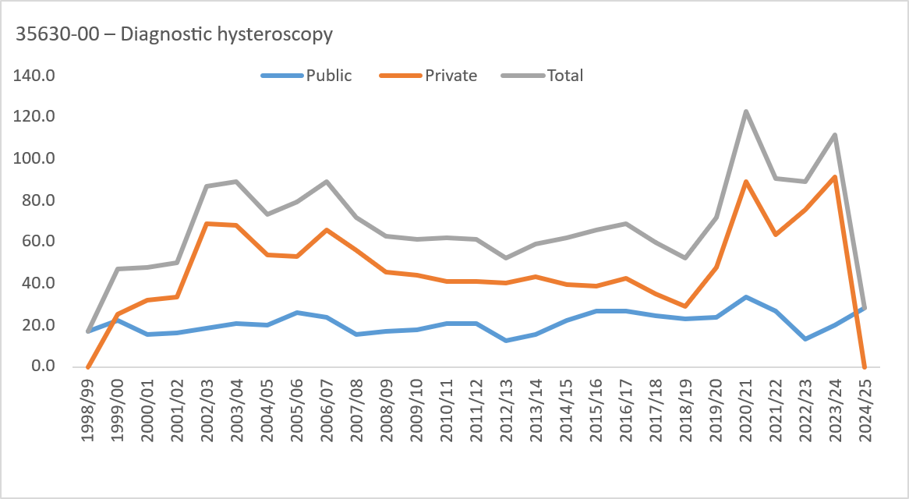
35630-00 – Diagnostic hysteroscopy |  | Public |  | Private |  | Total
1998/99 | 27 | 17.2 | 0 | 0.0 | 27 | 17.2
1999/00 | 35 | 22.1 | 40 | 25.2 | 75 | 47.3
2000/01 | 25 | 15.6 | 52 | 32.4 | 77 | 48.0
2001/02 | 27 | 16.6 | 55 | 33.8 | 82 | 50.3
2002/03 | 30 | 18.2 | 113 | 68.7 | 143 | 86.9
2003/04 | 35 | 21.1 | 113 | 68.2 | 148 | 89.3
2004/05 | 33 | 19.8 | 89 | 53.5 | 122 | 73.3
2005/06 | 44 | 26.3 | 89 | 53.1 | 133 | 79.4
2006/07 | 40 | 23.6 | 111 | 65.5 | 151 | 89.2
2007/08 | 27 | 15.6 | 97 | 56.1 | 124 | 71.7
2008/09 | 30 | 17.1 | 80 | 45.5 | 110 | 62.6
2009/10 | 32 | 17.9 | 78 | 43.7 | 110 | 61.6
2010/11 | 38 | 20.9 | 75 | 41.2 | 113 | 62.1
2011/12 | 38 | 20.5 | 76 | 41.1 | 114 | 61.6
2012/13 | 23 | 12.1 | 76 | 40.1 | 99 | 52.3
2013/14 | 30 | 15.6 | 84 | 43.5 | 114 | 59.1
2014/15 | 44 | 22.5 | 78 | 39.8 | 122 | 62.3
2015/16 | 54 | 27.1 | 78 | 39.1 | 132 | 66.1
2016/17 | 54 | 26.6 | 86 | 42.3 | 140 | 68.9
2017/18 | 52 | 24.8 | 74 | 35.3 | 126 | 60.1
2018/19 | 50 | 23.2 | 62 | 28.8 | 112 | 52.0
2019/20 | 53 | 24.0 | 106 | 48.1 | 159 | 72.1
2020/21 | 76 | 33.7 | 201 | 89.2 | 277 | 122.9
2021/22 | 61 | 26.6 | 146 | 63.7 | 207 | 90.3
2022/23 | 31 | 13.3 | 177 | 75.9 | 208 | 89.1
2023/24 | 47 | 19.7 | 219 | 91.7 | 266 | 111.4
2024/25 | 68 | 28.0 | 0 | 0.0 | 68 | 28.0
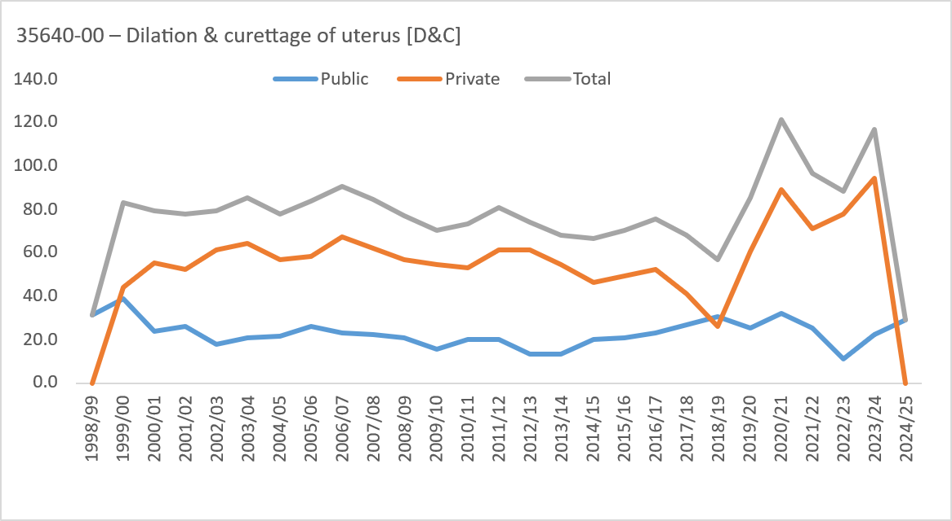
35640-00 – Dilation & curettage of uterus [D&C] |  | Public |  | Private |  | Total
1998/99 | 49 | 31.2 | 0 | 0.0 | 49 | 31.2
1999/00 | 62 | 39.1 | 70 | 44.1 | 132 | 83.2
2000/01 | 38 | 23.7 | 89 | 55.5 | 127 | 79.2
2001/02 | 42 | 25.8 | 85 | 52.2 | 127 | 78.0
2002/03 | 29 | 17.6 | 101 | 61.4 | 130 | 79.0
2003/04 | 34 | 20.5 | 107 | 64.5 | 141 | 85.0
2004/05 | 36 | 21.6 | 94 | 56.5 | 130 | 78.1
2005/06 | 43 | 25.7 | 98 | 58.5 | 141 | 84.1
2006/07 | 39 | 23.0 | 114 | 67.3 | 153 | 90.3
2007/08 | 39 | 22.5 | 108 | 62.4 | 147 | 85.0
2008/09 | 36 | 20.5 | 100 | 56.9 | 136 | 77.4
2009/10 | 28 | 15.7 | 98 | 54.9 | 126 | 70.6
2010/11 | 37 | 20.3 | 96 | 52.8 | 133 | 73.1
2011/12 | 37 | 20.0 | 113 | 61.1 | 150 | 81.1
2012/13 | 25 | 13.2 | 116 | 61.3 | 141 | 74.5
2013/14 | 26 | 13.5 | 105 | 54.4 | 131 | 67.9
2014/15 | 39 | 19.9 | 91 | 46.5 | 130 | 66.4
2015/16 | 42 | 21.0 | 99 | 49.6 | 141 | 70.6
2016/17 | 47 | 23.1 | 106 | 52.1 | 153 | 75.2
2017/18 | 56 | 26.7 | 86 | 41.0 | 142 | 67.7
2018/19 | 66 | 30.6 | 56 | 26.0 | 122 | 56.6
2019/20 | 55 | 24.9 | 133 | 60.3 | 188 | 85.3
2020/21 | 73 | 32.4 | 201 | 89.2 | 274 | 121.6
2021/22 | 58 | 25.3 | 163 | 71.1 | 221 | 96.4
2022/23 | 25 | 10.7 | 182 | 78.0 | 207 | 88.7
2023/24 | 54 | 22.6 | 225 | 94.3 | 279 | 116.9
2024/25 | 71 | 29.2 | 0 | 0.0 | 71 | 29.2
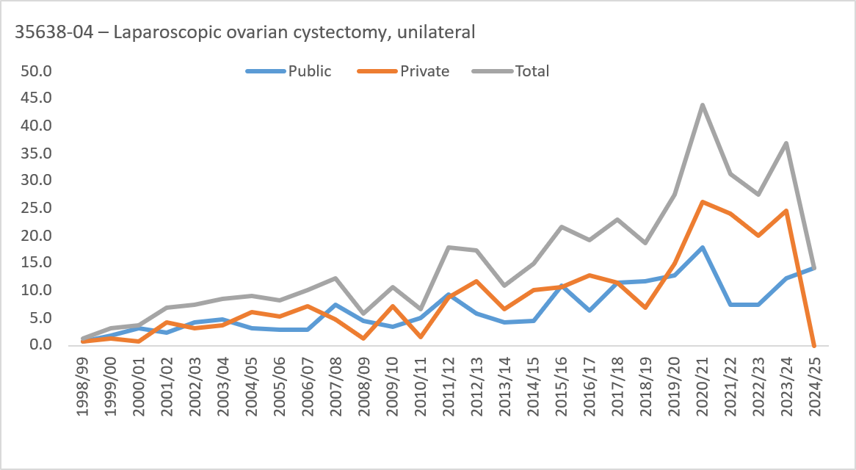
35638-04 – Laparoscopic ovarian cystectomy, unilateral |  | Public |  | Private |  | Total
1998/99 | <5 | np | <5 | np | <5 | np
1999/00 | <5 | np | <5 | np | 5 | <5
2000/01 | 5 | <5 | <5 | np | 6 | <5
2001/02 | <5 | np | 7 | <5 | 11 | 6.8
2002/03 | 7 | <5 | 5 | <5 | 12 | 7.3
2003/04 | 8 | <5 | 6 | <5 | 14 | 8.4
2004/05 | 5 | <5 | 10 | 6.0 | 15 | 9.0
2005/06 | 5 | <5 | 9 | 5.4 | 14 | 8.4
2006/07 | 5 | <5 | 12 | 7.1 | 17 | 10.0
2007/08 | 13 | 7.5 | 8 | <5 | 21 | 12.1
2008/09 | 8 | <5 | <5 | np | 10 | 5.7
2009/10 | 6 | <5 | 13 | 7.3 | 19 | 10.6
2010/11 | 9 | <5 | <5 | np | 12 | 6.6
2011/12 | 17 | 9.2 | 16 | 8.6 | 33 | 17.8
2012/13 | 11 | 5.8 | 22 | 11.6 | 33 | 17.4
2013/14 | 8 | <5 | 13 | 6.7 | 21 | 10.9
2014/15 | 9 | <5 | 20 | 10.2 | 29 | 14.8
2015/16 | 22 | 11.0 | 21 | 10.5 | 43 | 21.5
2016/17 | 13 | 6.4 | 26 | 12.8 | 39 | 19.2
2017/18 | 24 | 11.5 | 24 | 11.5 | 48 | 22.9
2018/19 | 25 | 11.6 | 15 | 7.0 | 40 | 18.6
2019/20 | 28 | 12.7 | 33 | 15.0 | 61 | 27.7
2020/21 | 40 | 17.8 | 59 | 26.2 | 99 | 43.9
2021/22 | 17 | 7.4 | 55 | 24.0 | 72 | 31.4
2022/23 | 17 | 7.3 | 47 | 20.1 | 64 | 27.4
2023/24 | 29 | 12.1 | 59 | 24.7 | 88 | 36.9
2024/25 | 34 | 14.0 | 0 | 0.0 | 34 | 14.0
Only limited private hospital data was available In 2017/18 and 2018/19.
No private hospital data was available in 2024/25.
Unless otherwise stated includes ACT and non-ACT residents.
np - not published.

